Sheet 1
HDFCGF - HDFC Children's Fund - Regular Plan - Growth |  |  |  |  |  | NAV as at July 31, 2026 |  | 290.388 | Scheme Riskometer | very high
Date | Period | NAV per Unit (₹) | Scheme Returns (%)^ | Benchmark Returns(%)# | Additional Benchmark Returns ##(%) | Value of Investment of ₹ 10000@
 |  |  |  |  |  | Scheme (₹) | Benchmark #(₹) | Additional Benchmark ##(₹) | 

31-07-2025 | Last 1 Year | 294.042 | -1.24 | 0.72 | -0.43 | 9,876 | 10,072 | 9,957
31-07-2023 | Last 3 Years | 229.248 | 8.19 | 7.94 | 8.56 | 12,667 | 12,579 | 12,798
30-07-2021 | Last 5 Years | 175.130 | 10.63 | 8.91 | 10.39 | 16,581 | 15,331 | 16,405
29-07-2016 | Last 10 Years | 91.628 | 12.21 | 10.71 | 12.27 | 31,692 | 27,700 | 31,857
02-03-2001 | Since Inception | 10.000 | 15.35 | NA | 13.74 | 377,504 | NA | 264,295
^Past performance may or may not be sustained in future and is not a guarantee of any future returns. # NIFTY 50 Hybrid Composite Debt 65:35 Index ## Nifty 50 TRI
Returns greater than 1 year period are compounded annualized (CAGR). N.A. Not Available.
Scheme performance may not strictly be comparable with that of its Additional Benchmark in view of balanced nature of the scheme where a portion of scheme’s investments are made in debt instruments.
$ Adjusted for Bonus units declared under the Scheme.
Different plans viz. Regular Plan and Direct Plan have a different expense structure. The expenses of the Direct Plan under the Scheme will be lower to the extent of the distribution expenses / commission charged in the Regular Plan
Since Inception Date = Date of First allotment in the Scheme / Plan. Load is not taken into consideration for computation of performance.
The scheme is managed by Chirag Setalvad (Equity Assets) (since April 2, 2007) & Anil Bamboli (Debt Assets) (since October 6, 2022).
For performance of other schemes managed by Chirag Setalvad & Anil Bamboli, please click here.
The above returns are for Regular Plan - Growth Option. Returns are as on July 31, 2026.

HDFCGF - HDFC Children's Fund - Direct Plan - Growth |  |  |  |  |  | NAV as at July 31, 2026 |  | 324.749 | Benchmark Riskometer | high
Date | Period | NAV per Unit (₹) | Scheme Returns (%)^ | Benchmark Returns(%)# | Additional Benchmark Returns ##(%) | Value of Investment of ₹ 10000@ |  |  | 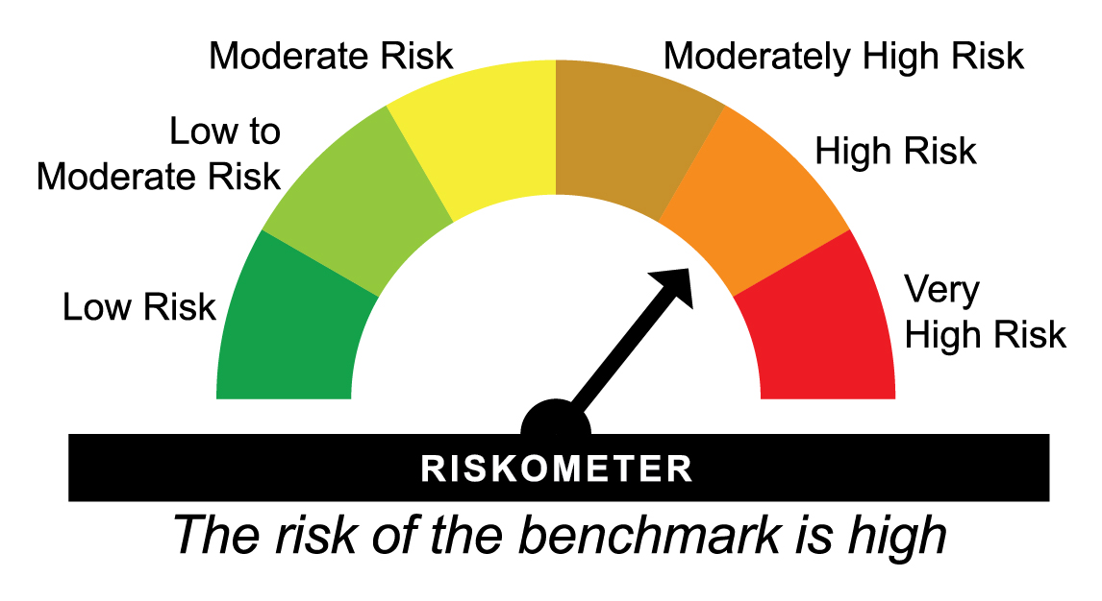
 |  |  |  |  |  | Scheme (₹) | Benchmark #(₹) | Additional Benchmark ##(₹)

31-07-2025 | Last 1 Year | 326.176 | -0.44 | 0.72 | -0.43 | 9,956 | 10,072 | 9,957
31-07-2023 | Last 3 Years | 250.140 | 9.08 | 7.94 | 8.56 | 12,983 | 12,579 | 12,798
30-07-2021 | Last 5 Years | 187.843 | 11.56 | 8.91 | 10.39 | 17,288 | 15,331 | 16,405
29-07-2016 | Last 10 Years | 93.885 | 13.20 | 10.71 | 12.27 | 34,590 | 27,700 | 31,857
01-01-2013 | Since Inception | 50.852 | 14.62 | 10.91 | 12.30 | 63,862 | 40,832 | 48,362
^Past performance may or may not be sustained in future and is not a guarantee of any future returns. # NIFTY 50 Hybrid Composite Debt 65:35 Index ## Nifty 50 TRI
Scheme performance may not strictly be comparable with that of its Additional Benchmark in view of balanced nature of the scheme where a portion of scheme's investments are made in debt instruments
Returns greater than 1 year period are compounded annualized (CAGR).
Scheme performance may not strictly be comparable with that of its Additional Benchmark in view of balanced nature of the scheme where a portion of scheme’s investments are made in debt instruments.
Different plans viz. Regular Plan and Direct Plan have a different expense structure. The expenses of the Direct Plan under the Scheme will be lower to the extent of the distribution expenses / commission charged in the Regular Plan
Load is not taken into consideration for computation of performance.
The scheme is managed by Chirag Setalvad (Equity Assets) (since April 2, 2007) & Anil Bamboli (Debt Assets) (since October 6, 2022).
For performance of other schemes managed by Chirag Setalvad & Anil Bamboli, please click here.
The above returns are for Direct Plan - Growth Option. Returns are as on July 31, 2026.

HDFCRETEQP - HDFC Retirement Savings Fund - Equity Plan - Regular Plan - Growth |  |  |  |  |  | NAV as at July 31, 2026 |  | 49.299 | Scheme Riskometer | very high
Date | Period | NAV per Unit (₹) | Scheme Returns (%)^ | Benchmark Returns(%)# | Additional Benchmark Returns ##(%) | Value of Investment of ₹ 10000@
 |  |  |  |  |  | Scheme (₹) | Benchmark #(₹) | Additional Benchmark ##(₹)

31-07-2025 | Last 1 Year | 50.244 | -1.88 | 3.37 | -0.43 | 9,812 | 10,337 | 9,957
31-07-2023 | Last 3 Years | 37.353 | 9.68 | 12.29 | 8.56 | 13,198 | 14,163 | 12,798
30-07-2021 | Last 5 Years | 27.325 | 12.51 | 12.53 | 10.39 | 18,042 | 18,055 | 16,405
29-07-2016 | Last 10 Years | 12.735 | 14.48 | 13.55 | 12.27 | 38,711 | 35,688 | 31,857
25-02-2016 | Since Inception | 10.000 | 16.52 | 15.59 | 14.17 | 49,299 | 45,338 | 39,861
^Past performance may or may not be sustained in future and is not a guarantee of any future returns. # Nifty 500 TRI ## Nifty 50 TRI
Returns greater than 1 year period are compounded annualized (CAGR).
Different plans viz. Regular Plan and Direct Plan have a different expense structure. The expenses of the Direct Plan under the Scheme will be lower to the extent of the distribution expenses / commission charged in the Regular Plan.
Since Inception Date = Date of First allotment in the Scheme / Plan. Load is not taken into consideration for computation of performance.
The scheme is managed by Srinivasan Ramamurthy (Equities) (since December 14, 2021), Anupam Joshi (Debt) (since March 07, 2026), Nandita Menezes and Arun Agarwal (Arbitrage Assets) (since April 01, 2025)
For performance of other schemes managed by Srinivasan Ramamurthy, Anupam Joshi, Nandita Menezes and Arun Agarwal, please click here.
The above returns are for Regular Plan - Growth Option. Returns are as on July 31, 2026.

HDFCRETEQP - HDFC Retirement Savings Fund - Equity Plan - Direct Plan - Growth |  |  |  |  |  | NAV as at July 31, 2026 |  | 56.417 | Benchmark Riskometer | very high
Date | Period | NAV per Unit (₹) | Scheme Returns (%)^ | Benchmark Returns(%)# | Additional Benchmark Returns ##(%) | Value of Investment of ₹ 10000@ |  |  | 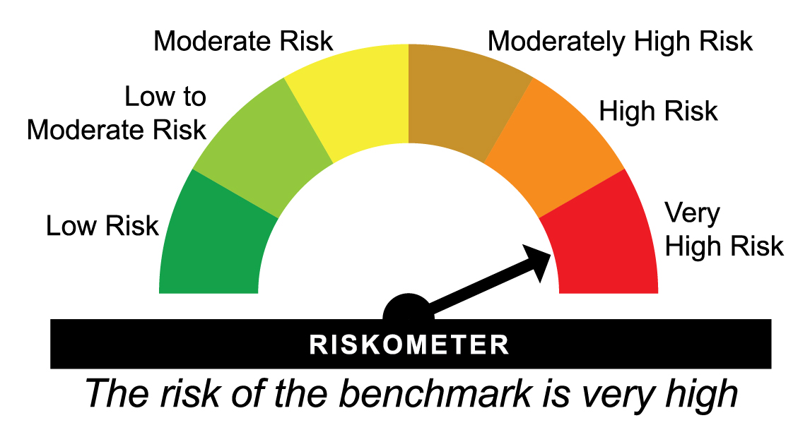
 |  |  |  |  |  | Scheme (₹) | Benchmark #(₹) | Additional Benchmark ##(₹)

31-07-2025 | Last 1 Year | 56.920 | -0.88 | 3.37 | -0.43 | 9,912 | 10,337 | 9,957
31-07-2023 | Last 3 Years | 41.412 | 10.85 | 12.29 | 8.56 | 13,623 | 14,163 | 12,798
30-07-2021 | Last 5 Years | 29.555 | 13.79 | 12.53 | 10.39 | 19,089 | 18,055 | 16,405
29-07-2016 | Last 10 Years | 12.819 | 15.95 | 13.55 | 12.27 | 44,010 | 35,688 | 31,857
25-02-2016 | Since Inception | 10.000 | 18.03 | 15.59 | 14.17 | 56,417 | 45,338 | 39,861
^Past performance may or may not be sustained in future and is not a guarantee of any future returns. # Nifty 500 TRI ## Nifty 50 TRI
Returns greater than 1 year period are compounded annualized (CAGR).
Different plans viz. Regular Plan and Direct Plan have a different expense structure. The expenses of the Direct Plan under the Scheme will be lower to the extent of the distribution expenses / commission charged in the Regular Plan.
Load is not taken into consideration for computation of performance.
The scheme is managed by Srinivasan Ramamurthy (Equities) (since December 14, 2021), Anupam Joshi (Debt) (since March 07, 2026), Nandita Menezes and Arun Agarwal (Arbitrage Assets) (since April 01, 2025)
For performance of other schemes managed by Srinivasan Ramamurthy, Anupam Joshi , Nandita Menezes and Arun Agarwal, please click here.
The above returns are for Direct Plan - Growth Option. Returns are as on July 31, 2026.

HDFCRETHEP - HDFC Retirement Savings Fund - Hybrid Equity Plan - Regular Plan - Growth |  |  |  |  |  | NAV as at July 31, 2026 |  | 37.659 | Scheme Riskometer | very high
Date | Period | NAV per Unit (₹) | Scheme Returns (%)^ | Benchmark Returns(%)# | Additional Benchmark Returns ##(%) | Value of Investment of ₹ 10000@
 |  |  |  |  |  | Scheme (₹) | Benchmark #(₹) | Additional Benchmark ##(₹)

31-07-2025 | Last 1 Year | 38.483 | -2.14 | 0.72 | -0.43 | 9,786 | 10,072 | 9,957
31-07-2023 | Last 3 Years | 30.243 | 7.58 | 7.94 | 8.56 | 12,452 | 12,579 | 12,798
30-07-2021 | Last 5 Years | 24.204 | 9.23 | 8.91 | 10.39 | 15,559 | 15,331 | 16,405
29-07-2016 | Last 10 Years | 12.305 | 11.82 | 10.71 | 12.27 | 30,605 | 27,700 | 31,857
25-02-2016 | Since Inception | 10.000 | 13.55 | 12.09 | 14.17 | 37,659 | 32,908 | 39,861
^Past performance may or may not be sustained in future and is not a guarantee of any future returns. # NIFTY 50 Hybrid Composite Debt 65:35 Index ## Nifty 50 TRI
Returns greater than 1 year period are compounded annualized (CAGR).
Scheme performance may not strictly be comparable with that of its Additional Benchmark in view of hybrid nature of the scheme where a portion of scheme’s investments are made in debt instruments.
Different plans viz. Regular Plan and Direct Plan have a different expense structure. The expenses of the Direct Plan under the Scheme will be lower to the extent of the distribution expenses / commission charged in the Regular Plan.
Since Inception Date = Date of First allotment in the Scheme / Plan. Load is not taken into consideration for computation of performance.
The scheme is managed by Srinivasan Ramamurthy (Equities) (since December 14, 2021), Anupam Joshi (Debt) (since March 07, 2026), Nandita Menezes and Arun Agarwal (Arbitrage Assets) (since April 01, 2025)
For performance of other schemes managed by Srinivasan Ramamurthy, Anupam Joshi, Nandita Menezes and Arun Agarwal, please click here.
The above returns are for Regular Plan - Growth Option. Returns are as on July 31, 2026.

HDFCRETHEP - HDFC Retirement Savings Fund - Hybrid Equity Plan - Direct Plan - Growth |  |  |  |  |  | NAV as at July 31, 2026 |  | 43.233 | Benchmark Riskometer | high
Date | Period | NAV per Unit (₹) | Scheme Returns (%)^ | Benchmark Returns(%)# | Additional Benchmark Returns ##(%) | Value of Investment of ₹ 10000@
 |  |  |  |  |  | Scheme (₹) | Benchmark #(₹) | Additional Benchmark ##(₹)

31-07-2025 | Last 1 Year | 43.695 | -1.06 | 0.72 | -0.43 | 9,894 | 10,072 | 9,957
31-07-2023 | Last 3 Years | 33.554 | 8.81 | 7.94 | 8.56 | 12,885 | 12,579 | 12,798
30-07-2021 | Last 5 Years | 26.185 | 10.54 | 8.91 | 10.39 | 16,511 | 15,331 | 16,405
29-07-2016 | Last 10 Years | 12.397 | 13.29 | 10.71 | 12.27 | 34,874 | 27,700 | 31,857
25-02-2016 | Since Inception | 10.000 | 15.06 | 12.09 | 14.17 | 43,233 | 32,908 | 39,861
^Past performance may or may not be sustained in future and is not a guarantee of any future returns. # NIFTY 50 Hybrid Composite Debt 65:35 Index ## Nifty 50 TRI
Returns greater than 1 year period are compounded annualized (CAGR).
Scheme performance may not strictly be comparable with that of its Additional Benchmark in view of hybrid nature of the scheme where a portion of scheme’s investments are made in debt instruments.
Different plans viz. Regular Plan and Direct Plan have a different expense structure. The expenses of the Direct Plan under the Scheme will be lower to the extent of the distribution expenses / commission charged in the Regular Plan.
Load is not taken into consideration for computation of performance.
The scheme is managed by Srinivasan Ramamurthy (Equities) (since December 14, 2021), Anupam Joshi (Debt) (since March 07, 2026), Nandita Menezes and Arun Agarwal (Arbitrage Assets) (since April 01, 2025)
For performance of other schemes managed by Srinivasan Ramamurthy, Anupam Joshi , Nandita Menezes and Arun Agarwal, please click here.
The above returns are for Direct Plan - Growth Option. Returns are as on July 31, 2026.

HDFCRETHDP - HDFC Retirement Savings Fund - Hybrid Debt Plan - Regular Plan - Growth |  |  |  |  |  | NAV as at July 31, 2026 |  | 21.8962 | Scheme Riskometer | Moderately high
Date | Period | NAV per Unit (₹) | Scheme Returns (%)^ | Benchmark Returns(%)# | Additional Benchmark Returns ##(%) | Value of Investment of ₹ 10000@
 |  |  |  |  |  | Scheme (₹) | Benchmark #(₹) | Additional Benchmark ##(₹) | 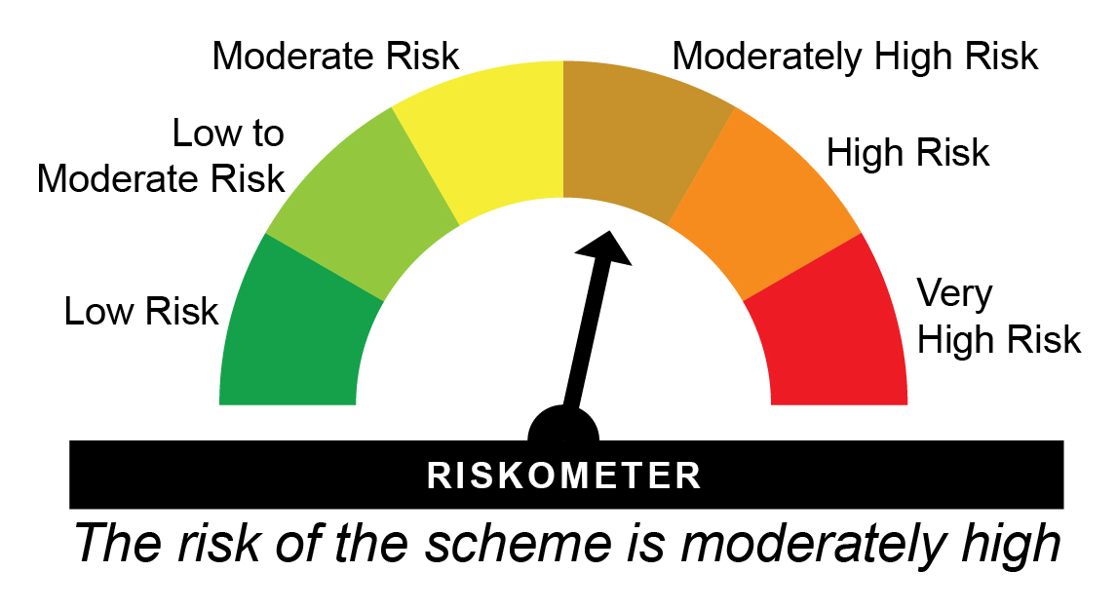

31-07-2025 | Last 1 Year | 21.643 | 1.17 | 2.03 | 2.27 | 10,117 | 10,203 | 10,227
31-07-2023 | Last 3 Years | 18.308 | 6.14 | 6.73 | 6.78 | 11,960 | 12,160 | 12,176
30-07-2021 | Last 5 Years | 16.081 | 6.36 | 6.48 | 5.34 | 13,616 | 13,696 | 12,971
29-07-2016 | Last 10 Years | 10.880 | 7.24 | 7.83 | 5.92 | 20,125 | 21,274 | 17,781
26-02-2016 | Since Inception | 10.000 | 7.80 | 8.48 | 6.41 | 21,896 | 23,370 | 19,117
^Past performance may or may not be sustained in future and is not a guarantee of any future returns. # NIFTY 50 Hybrid Composite Debt 15:85 Index ## CRISIL 10 Year Gilt Index
Returns greater than 1 year period are compounded annualized (CAGR).
Scheme performance may not strictly be comparable with that of its Additional Benchmark in view of hybrid nature of the scheme where a portion of scheme’s investments are made in equity instruments.
Different plans viz. Regular Plan and Direct Plan have a different expense structure. The expenses of the Direct Plan under the Scheme will be lower to the extent of the distribution expenses / commission charged in the Regular Plan.
Since Inception Date = Date of First allotment in the Scheme / Plan. Load is not taken into consideration for computation of performance.
The scheme is managed by Srinivasan Ramamurthy (Equities) (since December 14, 2021), Anupam Joshi (Debt) (since March 07, 2026), Nandita Menezes and Arun Agarwal (Arbitrage Assets) (since April 01, 2025)
For performance of other schemes managed by Srinivasan Ramamurthy, Anupam Joshi, Nandita Menezes and Arun Agarwal, please click here.
The above returns are for Regular Plan - Growth Option. Returns are as on July 31, 2026.

HDFCRETHDP - HDFC Retirement Savings Fund - Hybrid Debt Plan - Direct Plan - Growth |  |  |  |  |  | NAV as at July 31, 2026 |  | 24.9727 | Benchmark Riskometer | Moderately high
Date | Period | NAV per Unit (₹) | Scheme Returns (%)^ | Benchmark Returns(%)# | Additional Benchmark Returns ##(%) | Value of Investment of ₹ 10000@ |  |  | 
 |  |  |  |  |  | Scheme (₹) | Benchmark #(₹) | Additional Benchmark ##(₹)

31-07-2025 | Last 1 Year | 24.425 | 2.24 | 2.03 | 2.27 | 10,224 | 10,203 | 10,227
31-07-2023 | Last 3 Years | 20.201 | 7.32 | 6.73 | 6.78 | 12,362 | 12,160 | 12,176
30-07-2021 | Last 5 Years | 17.314 | 7.59 | 6.48 | 5.34 | 14,424 | 13,696 | 12,971
29-07-2016 | Last 10 Years | 10.952 | 8.58 | 7.83 | 5.92 | 22,802 | 21,274 | 17,781
26-02-2016 | Since Inception | 10.000 | 9.17 | 8.48 | 6.41 | 24,973 | 23,370 | 19,117
^Past performance may or may not be sustained in future and is not a guarantee of any future returns. # NIFTY 50 Hybrid Composite Debt 15:85 Index ## CRISIL 10 Year Gilt Index
Returns greater than 1 year period are compounded annualized (CAGR).
Scheme performance may not strictly be comparable with that of its Additional Benchmark in view of hybrid nature of the scheme where a portion of scheme’s investments are made in equity instruments.
Different plans viz. Regular Plan and Direct Plan have a different expense structure. The expenses of the Direct Plan under the Scheme will be lower to the extent of the distribution expenses / commission charged in the Regular Plan.
Load is not taken into consideration for computation of performance.
The scheme is managed by Srinivasan Ramamurthy (Equities) (since December 14, 2021), Anupam Joshi (Debt) (since March 07, 2026), Nandita Menezes and Arun Agarwal (Arbitrage Assets) (since April 01, 2025)
For performance of other schemes managed by Srinivasan Ramamurthy, Anupam Joshi , Nandita Menezes and Arun Agarwal, please click here.
The above returns are for Direct Plan - Growth Option. Returns are as on July 31, 2026.

