Sheet 1

HDFCDEQFOF - HDFC Diversified Equity All Cap Active FOF - Regular Plan - Growth |  |  |  |  |  | NAV as at July 31, 2026 |  | 10.193 | Scheme Riskometer | very high
Date | Period | NAV per Unit (₹) | Scheme Returns (%)^ | Benchmark Returns(%)# | Additional Benchmark Returns ##(%) | Value of Investment of ₹ 10000@
 |  |  |  |  |  | Scheme (₹) | Benchmark #(₹) | Additional Benchmark ##(₹)

30-01-2026 | Last 6 Months | 10.031 | 3.24 | 4.56 | -5.98 | 10,161 | 10,227 | 9,702
^Past performance may or may not be sustained in future and is not a guarantee of any future returns. # Nifty 500 TRI ## Nifty 50 TRI
Simple annualized returns have been provided as per the extant guidelines since the scheme has completed 6 months but not 1 year.
However, such returns may not be representative. Absolute returns of the Scheme for the 6 month period is 1.61%.
Different plans viz. Regular Plan and Direct Plan have a different expense structure. The expenses of the Direct Plan under the Scheme will be lower to the extent of the distribution expenses / commission charged in the Regular Plan
The scheme is managed by Srinivasan Ramamurthy (since September 29, 2025).
For performance of other schemes managed by Srinivasan Ramamurthy, please click here.
The above returns are for Regular Plan - Growth Option. Returns are as on July 31, 2026.

HDFCDEQFOF - HDFC Diversified Equity All Cap Active FOF - Direct Plan - Growth |  |  |  |  |  | NAV as at July 31, 2026 |  | 10.28 | Benchmark Riskometer | very high
Date | Period | NAV per Unit (₹) | Scheme Returns (%)^ | Benchmark Returns(%)# | Additional Benchmark Returns ##(%) | Value of Investment of ₹ 10000@ |  |  | 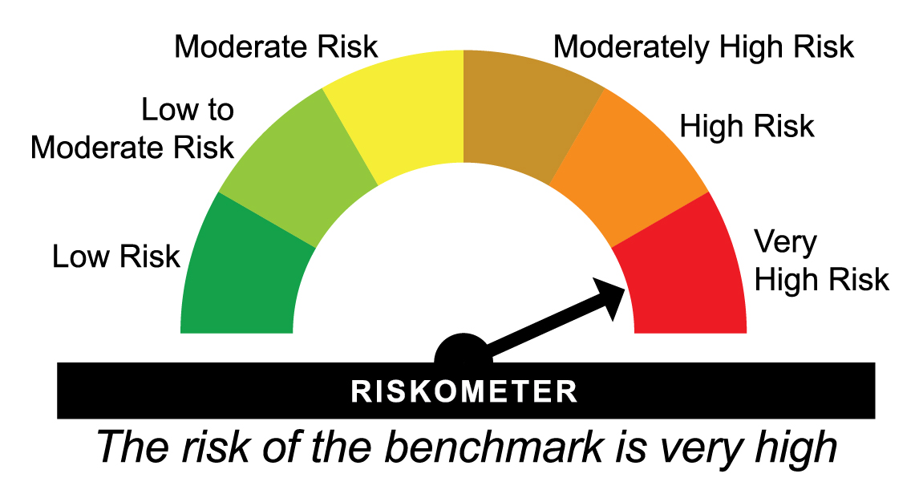
 |  |  |  |  |  | Scheme (₹) | Benchmark #(₹) | Additional Benchmark ##(₹)

30-01-2026 | Last 6 Months | 10.068 | 4.23 | 4.56 | -5.98 | 10,211 | 10,227 | 9,702
^Past performance may or may not be sustained in future and is not a guarantee of any future returns. # Nifty 500 TRI ## Nifty 50 TRI
Simple annualized returns have been provided as per the extant guidelines since the scheme has completed 6 months but not 1 year.
However, such returns may not be representative. Absolute returns of the Scheme for the 6 month period is 2.11%.
Different plans viz. Regular Plan and Direct Plan have a different expense structure. The expenses of the Direct Plan under the Scheme will be lower to the extent of the distribution expenses / commission charged in the Regular Plan
Load is not taken into consideration for computation of performance.
The scheme is managed by Srinivasan Ramamurthy (since September 29, 2025).
For performance of other schemes managed by Srinivasan Ramamurthy, please click here.
The above returns are for Direct Plan - Growth Option. Returns are as on July 31, 2026.

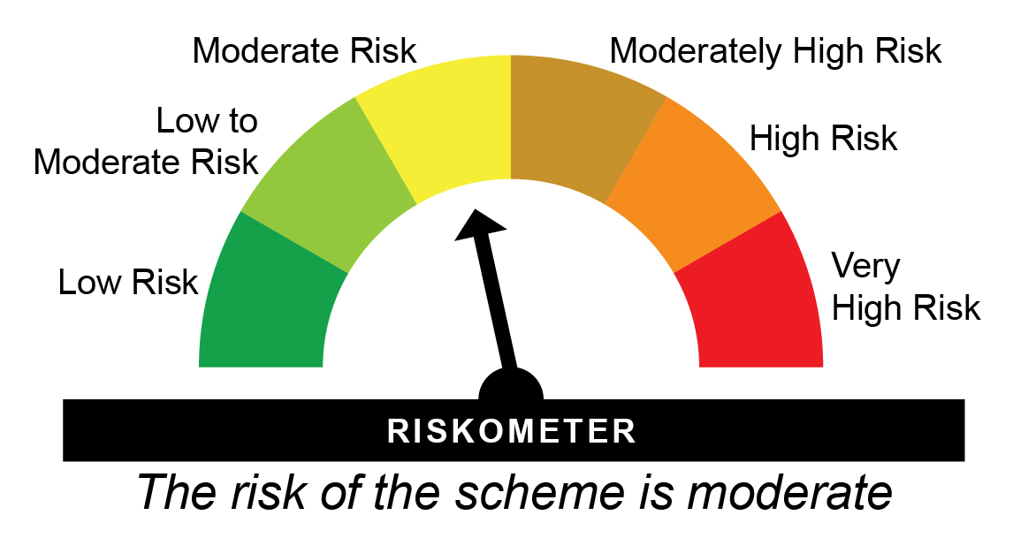
HDFCDPEFOF - HDFC Income Plus Arbitrage Active FOF - Regular Plan - Growth |  |  |  |  |  | NAV as at July 31, 2026 |  | 41.2266 | Scheme Riskometer | moderate
Date | Period | NAV per Unit (₹) | Scheme Returns (%)^ | Benchmark Returns(%)# | Additional Benchmark Returns ##(%) | Value of Investment of ₹ 10000@
 |  |  |  |  |  | Scheme (₹) | Benchmark #(₹) | Additional Benchmark ##(₹)

31-07-2025 | Last 1 Year | 39.148 | 5.31 | 4.31 | 2.27 | 10,531 | 10,431 | 10,227
31-07-2023 | Last 3 Years | 32.029 | 8.77 | 6.80 | 6.78 | 12,872 | 12,185 | 12,176
30-07-2021 | Last 5 Years | 25.453 | 10.11 | 6.03 | 5.34 | 16,197 | 13,405 | 12,971
29-07-2016 | Last 10 Years | 14.846 | 10.74 | 6.36 | 5.92 | 27,770 | 18,533 | 17,781
06-02-2012 | Since Inception | 10.000 | 10.27 | 7.11 | 6.53 | 41,227 | 27,058 | 25,013
^Past performance may or may not be sustained in future and is not a guarantee of any future returns. # 40% NIFTY 50 Arbitrage Index + 60% NIFTY Composite Debt Index ## CRISIL 10 year Gilt Index
Returns greater than 1 year period are compounded annualized (CAGR)
Different plans viz. Regular Plan and Direct Plan have a different expense structure. The expenses of the Direct Plan under the Scheme will be lower to the extent of the distribution expenses / commission charged in the Regular Plan.
Scheme performance may not strictly be comparable with that of its Additional Benchmark in view of hybrid nature of the scheme where a portion of scheme’s investments are made in equity instruments
Since Inception Date = Date of First allotment in the Scheme / Plan. Load is not taken into consideration for computation of performance.
The scheme is managed by Anil Bamboli since June 28, 2014.
For performance of other schemes managed by Srinivasan Ramamurthy & Anil Bamboli, please click here.
The above returns are for Regular Plan - Growth Option. Returns are as on July 31, 2026.

HDFCDPEFOF - HDFC Income Plus Arbitrage Active FOF - Direct Plan - Growth |  |  |  |  |  | NAV as at July 31, 2026 |  | 45.6025 | Benchmark Riskometer | low to moderate
Date | Period | NAV per Unit (₹) | Scheme Returns (%)^ | Benchmark Returns(%)# | Additional Benchmark Returns ##(%) | Value of Investment of ₹ 10000@ |  |  | 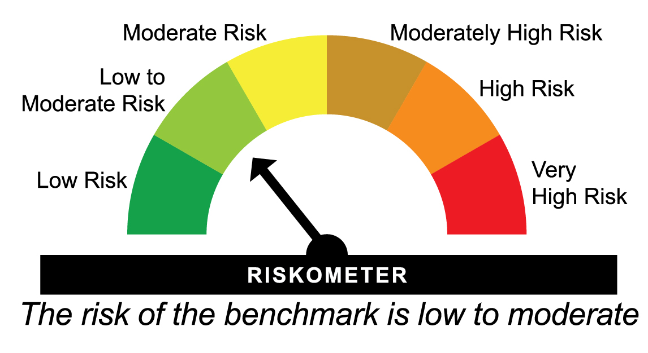
 |  |  |  |  |  | Scheme (₹) | Benchmark #(₹) | Additional Benchmark ##(₹)

31-07-2025 | Last 1 Year | 43.166 | 5.64 | 4.31 | 2.27 | 10,564 | 10,431 | 10,227
31-07-2023 | Last 3 Years | 34.837 | 9.38 | 6.80 | 6.78 | 13,090 | 12,185 | 12,176
30-07-2021 | Last 5 Years | 27.247 | 10.84 | 6.03 | 5.34 | 16,737 | 13,405 | 12,971
29-07-2016 | Last 10 Years | 15.245 | 11.57 | 6.36 | 5.92 | 29,914 | 18,533 | 17,781
01-01-2013 | Since Inception | 10.881 | 11.12 | 6.96 | 6.41 | 41,911 | 24,962 | 23,258
^Past performance may or may not be sustained in future and is not a guarantee of any future returns. # 40% NIFTY 50 Arbitrage Index + 60% NIFTY Composite Debt Index ## CRISIL 10 year Gilt Index
Returns greater than 1 year period are compounded annualized (CAGR)
Different plans viz. Regular Plan and Direct Plan have a different expense structure. The expenses of the Direct Plan under the Scheme will be lower to the extent of the distribution expenses / commission charged in the Regular Plan.
Scheme performance may not strictly be comparable with that of its Additional Benchmark in view of hybrid nature of the scheme where a portion of scheme’s investments are made in equity instruments
Load is not taken into consideration for computation of performance.
The scheme is managed by Anil Bamboli (Debt Assets) since June 28, 2014.
For performance of other schemes managed by Anil Bamboli, please click here.
The above returns are for Direct Plan - Growth Option. Returns are as on July 31, 2026.

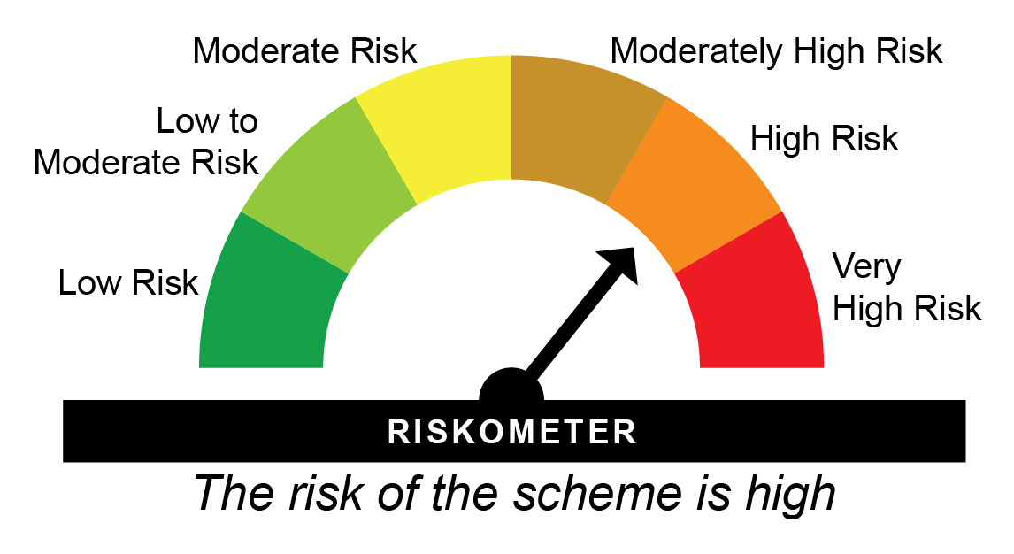
HDFCGOLD - HDFC Gold ETF Fund of Fund - Regular Plan - Growth |  |  |  |  |  | NAV as at July 31, 2026 |  | 42.056 | Scheme Riskometer | high
Date | Period | NAV per Unit (₹) | Scheme Returns (%)^ | Benchmark Returns(%)# |  | Value of Investment of ₹ 10000@
 |  |  |  |  |  | Scheme (₹) | Benchmark #(₹)

31-07-2025 | Last 1 Year | 29.617 | 42.00 | 45.01 |  | 14,200 | 14,501
31-07-2023 | Last 3 Years | 18.374 | 31.75 | 33.74 |  | 22,889 | 23,941
30-07-2021 | Last 5 Years | 15.299 | 22.39 | 24.06 |  | 27,490 | 29,419
29-07-2016 | Last 10 Years | 10.405 | 14.97 | 16.17 |  | 40,421 | 44,827
01-11-2011 | Since Inception | 10.000 | 10.22 | 11.89 |  | 42,056 | 52,470
^Past performance may or may not be sustained in future and is not a guarantee of any future returns. # Domestic Price of Physical Gold
Returns greater than 1 year are compounded annualized (CAGR).
Different plans viz. Regular Plan and Direct Plan have a different expense structure. The expenses of the Direct Plan under the Scheme will be lower to the extent of the distribution expenses / commission charged in the Regular Plan.
Since Inception Date = Date of First allotment in the Scheme / Plan. Load is not taken into consideration for computation of performance.
The scheme is managed by Nandita Menezes (since March 29, 2025) & Arun Agarwal (since February 15, 2023).
For performance of other schemes managed by Nandita Menezes & Arun Agarwal, please click here.
The above returns are for Regular Plan - Growth Option. Returns are as on July 31, 2026.

HDFCGOLD - HDFC Gold ETF Fund of Fund - Direct Plan - Growth |  |  |  |  |  | NAV as at July 31, 2026 |  | 44.1725 | Benchmark Riskometer | high
Date | Period | NAV per Unit (₹) | Scheme Returns (%)^ | Benchmark Returns(%)# |  | Value of Investment of ₹ 10000@ |  |  | 
 |  |  |  |  |  | Scheme (₹) | Benchmark #(₹)

31-07-2025 | Last 1 Year | 31.013 | 42.43 | 45.01 |  | 14,243 | 14,501
31-07-2023 | Last 3 Years | 19.122 | 32.16 | 33.74 |  | 23,100 | 23,941
30-07-2021 | Last 5 Years | 15.811 | 22.78 | 24.06 |  | 27,938 | 29,419
29-07-2016 | Last 10 Years | 10.529 | 15.40 | 16.17 |  | 41,954 | 44,827
01-01-2013 | Since Inception | 11.059 | 10.73 | 12.00 |  | 39,944 | 46,630
^Past performance may or may not be sustained in future and is not a guarantee of any future returns. # Domestic Price of Physical Gold
Returns greater than 1 year are compounded annualized (CAGR).
Different plans viz. Regular Plan and Direct Plan have a different expense structure. The expenses of the Direct Plan under the Scheme will be lower to the extent of the distribution expenses / commission charged in the Regular Plan.
Load is not taken into consideration for computation of performance.
The scheme is managed by Nandita Menezes (since March 29, 2025) & Arun Agarwal (since February 15, 2023).
For performance of other schemes managed by Nandita Menezes & Arun Agarwal, please click here.
The above returns are for Direct Plan - Growth Option. Returns are as on July 31, 2026.

HDFCDWIFOF - HDFC Developed World Overseas Equity Passive FOF - Regular Plan - Growth |  |  |  |  |  | NAV as at July 31, 2026 |  | 20.945 | Scheme Riskometer | very high
Date | Period | NAV per Unit (₹) | Scheme Returns (%)^ | Benchmark Returns(%)# | Additional Benchmark Returns ##(%) | Value of Investment of ₹ 10000@
 |  |  |  |  |  | Scheme (₹) | Benchmark #(₹) | Additional Benchmark ##(₹)

31-07-2025 | Last 1 Year | 16.282 | 28.64 | 31.16 | -0.43 | 12,864 | 13,116 | 9,957
31-07-2023 | Last 3 Years | 11.282 | 22.88 | 24.09 | 8.56 | 18,565 | 19,119 | 12,798
06-10-2021 | Since Inception | 10.000 | 16.58 | 17.82 | 8.23 | 20,945 | 22,038 | 14,640
^Past performance may or may not be sustained in future and is not a guarantee of any future returns. # MSCI World Index (Net Total Returns Index) ## Nifty 50 TRI
Returns greater than 1 year are compounded annualized (CAGR).
Different plans viz. Regular Plan and Direct Plan have a different expense structure. The expenses of the Direct Plan under the Scheme will be lower to the extent of the distribution expenses / commission charged in the Regular Plan.
Since Inception Date = Date of First allotment in the Scheme / Plan. Load is not taken into consideration for computation of performance.
The scheme is managed by Nandita Menezes (since March 29, 2025) & Arun Agarwal (since February 01, 2022).
For performance of other schemes managed by Nandita Menezes & Arun Agarwal, please click here.
The above returns are for Regular Plan - Growth Option. Returns are as on July 31, 2026.

HDFCDWIFOF - HDFC Developed World Overseas Equity Passive FOF - Direct Plan - Growth |  |  |  |  |  | NAV as at July 31, 2026 |  | 21.418 | Benchmark Riskometer | very high
Date | Period | NAV per Unit (₹) | Scheme Returns (%)^ | Benchmark Returns(%)# | Additional Benchmark Returns ##(%) | Value of Investment of ₹ 10000@
 |  |  |  |  |  | Scheme (₹) | Benchmark #(₹) | Additional Benchmark ##(₹)

31-07-2025 | Last 1 Year | 16.586 | 29.13 | 31.16 | -0.43 | 12,913 | 13,116 | 9,957
31-07-2023 | Last 3 Years | 11.394 | 23.39 | 24.09 | 8.56 | 18,798 | 19,119 | 12,798
06-10-2021 | Since Inception | 10.000 | 17.12 | 17.82 | 8.23 | 21,418 | 22,038 | 14,640
^Past performance may or may not be sustained in future and is not a guarantee of any future returns. # MSCI World Index (Net Total Returns Index) ## Nifty 50 TRI
Returns greater than 1 year are compounded annualized (CAGR).
Different plans viz. Regular Plan and Direct Plan have a different expense structure. The expenses of the Direct Plan under the Scheme will be lower to the extent of the distribution expenses / commission charged in the Regular Plan.
Load is not taken into consideration for computation of performance.
The scheme is managed by Nandita Menezes (since March 29, 2025) & Arun Agarwal (since February 01, 2022).
For performance of other schemes managed by Nandita Menezes & Arun Agarwal, please click here.
The above returns are for Direct Plan - Growth Option. Returns are as on July 31, 2026.

HSILVERFOF - HDFC Silver ETF Fund of Fund - Regular Plan - Growth |  |  |  |  |  | NAV as at July 31, 2026 |  | 35.1794 | Scheme Riskometer | very high
Date | Period | NAV per Unit (₹) | Scheme Returns (%)^ | Benchmark Returns(%)# |  | Value of Investment of ₹ 10000@
 |  |  |  |  |  | Scheme (₹) | Benchmark #(₹)

31-07-2025 | Last 1 Year | 18.437 | 90.81 | 98.73 |  | 19,081 | 19,873
31-07-2023 | Last 3 Years | 12.651 | 40.58 | 43.31 |  | 27,808 | 29,462
28-10-2022 | Since Inception | 10.000 | 39.74 | 42.81 |  | 35,179 | 38,172
^Past performance may or may not be sustained in future and is not a guarantee of any future returns. # Domestic Prices of physical Silver (based on LBMA Silver daily spot fixing price)
Returns greater than 1 year are compounded annualized (CAGR).
Different plans viz. Regular Plan and Direct Plan have a different expense structure. The expenses of the Direct Plan under the Scheme will be lower to the extent of the distribution expenses / commission charged in the Regular Plan.
Since Inception Date = Date of First allotment in the Scheme / Plan. Load is not taken into consideration for computation of performance.
The scheme is managed by Nandita Menezes (since March 29, 2025) & Arun Agarwal (since February 15, 2023).
For performance of other schemes managed by Nandita Menezes & Arun Agarwal, please click here.
The above returns are for Regular Plan - Growth Option. Returns are as on July 31, 2026.

HSILVERFOF - HDFC Silver ETF Fund of Fund - Direct Plan - Growth |  |  |  |  |  | NAV as at July 31, 2026 |  | 35.6749 | Benchmark Riskometer | very high
Date | Period | NAV per Unit (₹) | Scheme Returns (%)^ | Benchmark Returns(%)# |  | Value of Investment of ₹ 10000@
 |  |  |  |  |  | Scheme (₹) | Benchmark #(₹)

31-07-2025 | Last 1 Year | 18.624 | 91.56 | 98.73 |  | 19,156 | 19,873
31-07-2023 | Last 3 Years | 12.695 | 41.07 | 43.31 |  | 28,102 | 29,462
28-10-2022 | Since Inception | 10.000 | 40.26 | 42.81 |  | 35,675 | 38,172
^Past performance may or may not be sustained in future and is not a guarantee of any future returns. # Domestic Prices of physical Silver (based on LBMA Silver daily spot fixing price)
Returns greater than 1 year are compounded annualized (CAGR).
Different plans viz. Regular Plan and Direct Plan have a different expense structure. The expenses of the Direct Plan under the Scheme will be lower to the extent of the distribution expenses / commission charged in the Regular Plan.
Load is not taken into consideration for computation of performance.
The scheme is managed by Nandita Menezes (since March 29, 2025) & Arun Agarwal (since February 15, 2023).
For performance of other schemes managed by Nandita Menezes & Arun Agarwal, please click here.
The above returns are for Direct Plan - Growth Option. Returns are as on July 31, 2026.

HDFCAALFOF - HDFC Multi-Asset Active FOF - Regular Plan - Growth |  |  |  |  |  | NAV as at July 31, 2026 |  | 19.569 | Scheme Riskometer | very high
Date | Period | NAV per Unit (₹) | Scheme Returns (%)^ | Benchmark Returns(%)# | Additional Benchmark Returns ##(%) | Value of Investment of ₹ 10000@
 |  |  |  |  |  | Scheme (₹) | Benchmark #(₹) | Additional Benchmark ##(₹)

31-07-2025 | Last 1 Year | 18.211 | 7.46 | 5.07 | -0.43 | 10,746 | 10,507 | 9,957
31-07-2023 | Last 3 Years | 13.580 | 12.94 | 10.32 | 8.56 | 14,410 | 13,430 | 12,798
30-07-2021 | Last 5 Years | 10.840 | 12.53 | 10.15 | 10.39 | 18,053 | 16,224 | 16,405
05-05-2021 | Since Inception | 10.000 | 13.67 | 10.70 | 11.62 | 19,569 | 17,033 | 17,795
^Past performance may or may not be sustained in future and is not a guarantee of any future returns. # 50% Nifty 50 TRI + 40% Nifty Composite Debt Index + 10% Domestic Prices of Gold ## Nifty 50 TRI
Returns greater than 1 year period are compounded annualized (CAGR).
Different plans viz. Regular Plan and Direct Plan have a different expense structure. The expenses of the Direct Plan under the Scheme will be lower to the extent of the distribution expenses / commission charged in the Regular Plan.
Since Inception Date = Date of First allotment in the Scheme / Plan. Load is not taken into consideration for computation of performance.
The scheme is managed by Srinivasan Ramamurthy (Equities) (since January 13, 2022), Bhagyesh Kagalkar (Dedicated Fund Manager for commodities related investments viz. Gold) (since February 02, 2022), Anil Bamboli (Debt) (since May 05, 2021).
For performance of other schemes managed by Srinivasan Ramamurthy, Anil Bamboli & Bhagyesh Kagalkar, please click here.
The above returns are for Regular Plan - Growth Option. Returns are as on July 31, 2026.

HDFCAALFOF - HDFC Multi-Asset Active FOF - Direct Plan - Growth |  |  |  |  |  | NAV as at July 31, 2026 |  | 20.779 | Benchmark Riskometer | high
Date | Period | NAV per Unit (₹) | Scheme Returns (%)^ | Benchmark Returns(%)# | Additional Benchmark Returns ##(%) | Value of Investment of ₹ 10000@
 |  |  |  |  |  | Scheme (₹) | Benchmark #(₹) | Additional Benchmark ##(₹)

31-07-2025 | Last 1 Year | 19.139 | 8.57 | 5.07 | -0.43 | 10,857 | 10,507 | 9,957
31-07-2023 | Last 3 Years | 13.970 | 14.14 | 10.32 | 8.56 | 14,874 | 13,430 | 12,798
30-07-2021 | Last 5 Years | 10.880 | 13.80 | 10.15 | 10.39 | 19,098 | 16,224 | 16,405
05-05-2021 | Since Inception | 10.000 | 14.97 | 10.70 | 11.62 | 20,779 | 17,033 | 17,795
^Past performance may or may not be sustained in future and is not a guarantee of any future returns. # 50% Nifty 50 TRI + 40% Nifty Composite Debt Index + 10% Domestic Prices of Gold ## Nifty 50 TRI
Returns greater than 1 year period are compounded annualized (CAGR).
Different plans viz. Regular Plan and Direct Plan have a different expense structure. The expenses of the Direct Plan under the Scheme will be lower to the extent of the distribution expenses / commission charged in the Regular Plan.
Load is not taken into consideration for computation of performance.
The scheme is managed by Srinivasan Ramamurthy (Equities) (since January 13, 2022), Bhagyesh Kagalkar (Dedicated Fund Manager for commodities related investments viz. Gold) (since February 02, 2022), Anil Bamboli (Debt) (since May 05, 2021).
For performance of other schemes managed by Srinivasan Ramamurthy, Anil Bamboli & Bhagyesh Kagalkar, please click here.
The above returns are for Direct Plan - Growth Option. Returns are as on July 31, 2026.

