Sheet 1

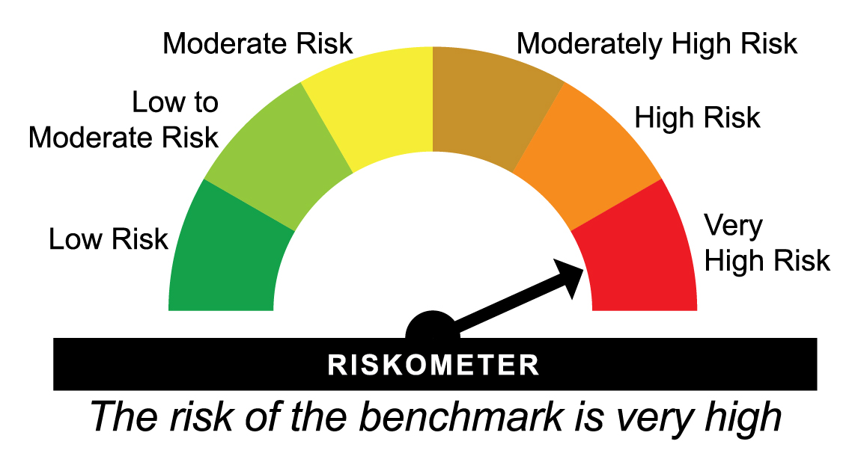
HDFCNYEXTF - HDFC NIFTY 50 ETF - Regular Plan - Growth |  |  |  |  |  | NAV as at July 31, 2026 |  | 274.7452 | Scheme Riskometer | very high | Benchmark Riskometer | very high
Date | Period | NAV per Unit (₹) | Scheme Returns (%)^ | Benchmark Returns(%)# | Additional Benchmark Returns ##(%) | Value of Investment of ₹ 10000@
 |  |  |  |  |  | Scheme (₹) | Benchmark #(₹) | Additional Benchmark ##(₹)

31-07-2025 | Last 1 Year | 276.067 | -0.48 | -0.43 | -2.76 | 9,952 | 9,957 | 9,724
31-07-2023 | Last 3 Years | 215.092 | 8.49 | 8.56 | 6.75 | 12,773 | 12,798 | 12,168
30-07-2021 | Last 5 Years | 168.000 | 10.33 | 10.39 | 9.53 | 16,354 | 16,405 | 15,771
29-07-2016 | Last 10 Years | 87.085 | 12.16 | 12.27 | 12.10 | 31,549 | 31,857 | 31,377
09-12-2015 | Since Inception | 76.125 | 12.81 | 12.93 | 12.65 | 36,091 | 36,521 | 35,567
^Past performance may or may not be sustained in future and is not a guarantee of any future returns. # Nifty 50 TRI ## BSE Sensex TRI
Returns greater than 1 year period are compounded annualized (CAGR).
The Scheme does not offer any Plans/Options.
Since Inception Date = Date of First allotment in the Scheme / Plan. Load is not taken into consideration for computation of performance.
The scheme is managed by Abhishek Mor (since February 15, 2023) & Arun Agarwal (since August 24, 2020).
For performance of other schemes managed by Abhishek Mor & Arun Agarwal, please click here.
Returns are as on July 31, 2026.

HDFCSXEXTF - HDFC BSE SENSEX ETF - Regular Plan - Growth |  |  |  |  |  | NAV as at July 31, 2026 |  | 88.5706 | Scheme Riskometer | very high | Benchmark Riskometer | very high
Date | Period | NAV per Unit (₹) | Scheme Returns (%)^ | Benchmark Returns(%)# | Additional Benchmark Returns ##(%) | Value of Investment of ₹ 10000@
 |  |  |  |  |  | Scheme (₹) | Benchmark #(₹) | Additional Benchmark ##(₹)

31-07-2025 | Last 1 Year | 91.139 | -2.82 | -2.76 | -0.43 | 9,718 | 9,724 | 9,957
31-07-2023 | Last 3 Years | 72.930 | 6.68 | 6.75 | 8.56 | 12,145 | 12,168 | 12,798
30-07-2021 | Last 5 Years | 56.334 | 9.46 | 9.53 | 10.39 | 15,722 | 15,771 | 16,405
29-07-2016 | Last 10 Years | 28.401 | 12.03 | 12.10 | 12.27 | 31,185 | 31,377 | 31,857
09-12-2015 | Since Inception | 25.036 | 12.60 | 12.65 | 12.93 | 35,377 | 35,567 | 36,521
^Past performance may or may not be sustained in future and is not a guarantee of any future returns. # BSE Sensex TRI ## Nifty 50 TRI
Returns greater than 1 year period are compounded annualized (CAGR).
The Scheme does not offer any Plans/Options.
Since Inception Date = Date of First allotment in the Scheme / Plan. Load is not taken into consideration for computation of performance.
The scheme is managed by Abhishek Mor (since February 15, 2023) & Arun Agarwal (since August 24, 2020).
For performance of other schemes managed by Abhishek Mor & Arun Agarwal, please click here.
Returns are as on July 31, 2026.

HDFCBKEXTF - HDFC NIFTY Bank ETF - Regular Plan - Growth |  |  |  |  |  | NAV as at July 31, 2026 |  | 58.9514 | Scheme Riskometer | very high | Benchmark Riskometer | very high
Date | Period | NAV per Unit (₹) | Scheme Returns (%)^ | Benchmark Returns(%)# | Additional Benchmark Returns ##(%) | Value of Investment of ₹ 10000@
 |  |  |  |  |  | Scheme (₹) | Benchmark #(₹) | Additional Benchmark ##(₹)

31-07-2025 | Last 1 Year | 57.326 | 2.84 | 3.06 | -0.43 | 10,284 | 10,306 | 9,957
31-07-2023 | Last 3 Years | 46.147 | 8.50 | 8.71 | 8.56 | 12,775 | 12,849 | 12,798
30-07-2021 | Last 5 Years | 34.627 | 11.22 | 11.45 | 10.39 | 17,025 | 17,209 | 16,405
21-08-2020 | Since Inception | 22.330 | 17.74 | 18.02 | 15.04 | 26,400 | 26,776 | 23,005
^Past performance may or may not be sustained in future and is not a guarantee of any future returns. # Nifty Bank TRI ## Nifty 50 TRI
Returns greater than 1 year period are compounded annualized (CAGR).
The Scheme does not offer any Plans/Options.
Since Inception Date = Date of First allotment in the Scheme / Plan. Load is not taken into consideration for computation of performance.
The scheme is managed by Abhishek Mor (since February 15, 2023) & Arun Agarwal (since August 24, 2020).
For performance of other schemes managed by Abhishek Mor & Arun Agarwal, please click here.
Returns are as on July 31, 2026.

HDFCN100ET - HDFC NIFTY 100 ETF - Regular Plan - Growth |  |  |  |  |  | NAV as at July 31, 2026 |  | 26.3548 | Scheme Riskometer | very high | Benchmark Riskometer | very high
Date | Period | NAV per Unit (₹) | Scheme Returns (%)^ | Benchmark Returns(%)# | Additional Benchmark Returns ##(%) | Value of Investment of ₹ 10000@
 |  |  |  |  |  | Scheme (₹) | Benchmark #(₹) | Additional Benchmark ##(₹)

31-07-2025 | Last 1 Year | 26.039 | 1.21 | 1.54 | -0.43 | 10,121 | 10,154 | 9,957
31-07-2023 | Last 3 Years | 19.865 | 9.87 | 10.23 | 8.56 | 13,267 | 13,397 | 12,798
05-08-2022 | Since Inception | 17.727 | 10.45 | 10.83 | 10.09 | 14,867 | 15,070 | 14,674
^Past performance may or may not be sustained in future and is not a guarantee of any future returns. # Nifty 100 TRI ## Nifty 50 TRI
Returns greater than 1 year period are compounded annualized (CAGR).
The Scheme does not offer any Plans/Options.
Since Inception Date = Date of First allotment in the Scheme / Plan. Load is not taken into consideration for computation of performance.
The scheme is managed by Abhishek Mor (since February 15, 2023) & Arun Agarwal (since August 05, 2022).
For performance of other schemes managed by Abhishek Mor & Arun Agarwal, please click here.
Returns are as on July 31, 2026.

HDFCNY50ET - HDFC NIFTY Next 50 ETF - Regular Plan - Growth |  |  |  |  |  | NAV as at July 31, 2026 |  | 75.2877 | Scheme Riskometer | very high | Benchmark Riskometer | very high
Date | Period | NAV per Unit (₹) | Scheme Returns (%)^ | Benchmark Returns(%)# | Additional Benchmark Returns ##(%) | Value of Investment of ₹ 10000@
 |  |  |  |  |  | Scheme (₹) | Benchmark #(₹) | Additional Benchmark ##(₹)

31-07-2025 | Last 1 Year | 68.066 | 10.61 | 10.89 | -0.43 | 11,061 | 11,089 | 9,957
31-07-2023 | Last 3 Years | 45.489 | 18.27 | 18.56 | 8.56 | 16,551 | 16,672 | 12,798
05-08-2022 | Since Inception | 41.818 | 15.88 | 16.23 | 10.09 | 18,004 | 18,219 | 14,674
^Past performance may or may not be sustained in future and is not a guarantee of any future returns. # Nifty Next 50 TRI ## Nifty 50 TRI
Returns greater than 1 year period are compounded annualized (CAGR).
The Scheme does not offer any Plans/Options.
Since Inception Date = Date of First allotment in the Scheme / Plan. Load is not taken into consideration for computation of performance.
The scheme is managed by Abhishek Mor (since February 15, 2023) & Arun Agarwal (since August 05, 2022).
For performance of other schemes managed by Abhishek Mor & Arun Agarwal, please click here.
Returns are as on July 31, 2026.

HDFCV20ETF - HDFC NIFTY50 VALUE 20 ETF - Regular Plan - Growth |  |  |  |  |  | NAV as at July 31, 2026 |  | 126.8758 | Scheme Riskometer | very high | Benchmark Riskometer | very high
Date | Period | NAV per Unit (₹) | Scheme Returns (%)^ | Benchmark Returns(%)# | Additional Benchmark Returns ##(%) | Value of Investment of ₹ 10000@
 |  |  |  |  |  | Scheme (₹) | Benchmark #(₹) | Additional Benchmark ##(₹)

31-07-2025 | Last 1 Year | 131.129 | -3.24 | -2.95 | -0.43 | 9,676 | 9,705 | 9,957
31-07-2023 | Last 3 Years | 102.295 | 7.44 | 7.72 | 8.56 | 12,403 | 12,502 | 12,798
23-09-2022 | Since Inception | 86.070 | 10.59 | 10.91 | 10.52 | 14,741 | 14,907 | 14,707
^Past performance may or may not be sustained in future and is not a guarantee of any future returns. # Nifty50 Value 20 TRI ## Nifty 50 TRI
Returns greater than 1 year period are compounded annualized (CAGR).
The Scheme does not offer any Plans/Options.
Since Inception Date = Date of First allotment in the Scheme / Plan. Load is not taken into consideration for computation of performance.
The scheme is managed by Abhishek Mor (since February 15, 2023) & Arun Agarwal (since September 23, 2022).
For performance of other schemes managed by Abhishek Mor & Arun Agarwal, please click here.
Returns are as on July 31, 2026.

HDFCQ30ETF - HDFC NIFTY100 Quality 30 ETF - Regular Plan - Growth |  |  |  |  |  | NAV as at July 31, 2026 |  | 59.0195 | Scheme Riskometer | very high | Benchmark Riskometer | very high
Date | Period | NAV per Unit (₹) | Scheme Returns (%)^ | Benchmark Returns(%)# | Additional Benchmark Returns ##(%) | Value of Investment of ₹ 10000@
 |  |  |  |  |  | Scheme (₹) | Benchmark #(₹) | Additional Benchmark ##(₹)

31-07-2025 | Last 1 Year | 56.593 | 4.29 | 4.59 | -0.43 | 10,429 | 10,459 | 9,957
31-07-2023 | Last 3 Years | 43.845 | 10.40 | 10.65 | 8.56 | 13,461 | 13,552 | 12,798
23-09-2022 | Since Inception | 38.590 | 11.65 | 11.93 | 10.52 | 15,294 | 15,443 | 14,707
^Past performance may or may not be sustained in future and is not a guarantee of any future returns. # Nifty100 Quality 30 TRI ## Nifty 50 TRI
Returns greater than 1 year period are compounded annualized (CAGR).
The Scheme does not offer any Plans/Options.
Since Inception Date = Date of First allotment in the Scheme / Plan. Load is not taken into consideration for computation of performance.
The scheme is managed by Abhishek Mor (since February 15, 2023) & Arun Agarwal (since September 23, 2022).
For performance of other schemes managed by Abhishek Mor & Arun Agarwal, please click here.
Returns are as on July 31, 2026.

HDFCG15ETF - HDFC NIFTY Growth Sectors 15 ETF - Regular Plan - Growth |  |  |  |  |  | NAV as at July 31, 2026 |  | 122.073 | Scheme Riskometer | very high | Benchmark Riskometer | very high
Date | Period | NAV per Unit (₹) | Scheme Returns (%)^ | Benchmark Returns(%)# | Additional Benchmark Returns ##(%) | Value of Investment of ₹ 10000@
 |  |  |  |  |  | Scheme (₹) | Benchmark #(₹) | Additional Benchmark ##(₹)

31-07-2025 | Last 1 Year | 118.912 | 2.66 | 3.08 | -0.43 | 10,266 | 10,308 | 9,957
31-07-2023 | Last 3 Years | 97.857 | 7.64 | 8.12 | 8.56 | 12,475 | 12,643 | 12,798
23-09-2022 | Since Inception | 89.040 | 8.53 | 9.04 | 10.52 | 13,710 | 13,958 | 14,707
^Past performance may or may not be sustained in future and is not a guarantee of any future returns. # Nifty Growth Sectors 15 TRI ## Nifty 50 TRI
Returns greater than 1 year period are compounded annualized (CAGR).
The Scheme does not offer any Plans/Options.
Since Inception Date = Date of First allotment in the Scheme / Plan. Load is not taken into consideration for computation of performance.
The scheme is managed by Abhishek Mor (since February 15, 2023) & Arun Agarwal (since September 23, 2022).
For performance of other schemes managed by Abhishek Mor & Arun Agarwal, please click here.
Returns are as on July 31, 2026.

HDFCM30ETF - HDFC NIFTY200 Momentum 30 ETF - Regular Plan - Growth |  |  |  |  |  | NAV as at July 31, 2026 |  | 30.8649 | Scheme Riskometer | very high | Benchmark Riskometer | very high
Date | Period | NAV per Unit (₹) | Scheme Returns (%)^ | Benchmark Returns(%)# | Additional Benchmark Returns ##(%) | Value of Investment of ₹ 10000@
 |  |  |  |  |  | Scheme (₹) | Benchmark #(₹) | Additional Benchmark ##(₹)

31-07-2025 | Last 1 Year | 30.462 | 1.32 | 1.85 | -0.43 | 10,132 | 10,185 | 9,957
31-07-2023 | Last 3 Years | 22.279 | 11.47 | 12.06 | 8.56 | 13,854 | 14,075 | 12,798
11-10-2022 | Since Inception | 19.061 | 13.50 | 14.15 | 11.25 | 16,193 | 16,549 | 15,004
^Past performance may or may not be sustained in future and is not a guarantee of any future returns. # Nifty200 Momentum 30 TRI ## Nifty 50 TRI
Returns greater than 1 year period are compounded annualized (CAGR).
The Scheme does not offer any Plans/Options.
Since Inception Date = Date of First allotment in the Scheme / Plan. Load is not taken into consideration for computation of performance.
The scheme is managed by Abhishek Mor (since February 15, 2023) & Arun Agarwal (since October 11, 2022).
For performance of other schemes managed by Abhishek Mor & Arun Agarwal, please click here.
Returns are as on July 31, 2026.

HDFCL30ETF - HDFC NIFTY100 Low Volatility 30 ETF - Regular Plan - Growth |  |  |  |  |  | NAV as at July 31, 2026 |  | 21.1373 | Scheme Riskometer | very high | Benchmark Riskometer | very high
Date | Period | NAV per Unit (₹) | Scheme Returns (%)^ | Benchmark Returns(%)# | Additional Benchmark Returns ##(%) | Value of Investment of ₹ 10000@
 |  |  |  |  |  | Scheme (₹) | Benchmark #(₹) | Additional Benchmark ##(₹)

31-07-2025 | Last 1 Year | 20.382 | 3.71 | 4.08 | -0.43 | 10,371 | 10,408 | 9,957
31-07-2023 | Last 3 Years | 15.164 | 11.70 | 12.10 | 8.56 | 13,939 | 14,093 | 12,798
11-10-2022 | Since Inception | 12.618 | 14.52 | 15.01 | 11.25 | 16,752 | 17,026 | 15,004
^Past performance may or may not be sustained in future and is not a guarantee of any future returns. # Nifty100 Low Volatility 30 TRI ## Nifty 50 TRI
Returns greater than 1 year period are compounded annualized (CAGR).
The Scheme does not offer any Plans/Options.
Since Inception Date = Date of First allotment in the Scheme / Plan. Load is not taken into consideration for computation of performance.
The scheme is managed by Abhishek Mor (since February 15, 2023) & Arun Agarwal (since October 11, 2022).
For performance of other schemes managed by Abhishek Mor & Arun Agarwal, please click here.
Returns are as on July 31, 2026.

HDFCNITETF - HDFC NIFTY IT ETF - Regular Plan - Growth |  |  |  |  |  | NAV as at July 31, 2026 |  | 32.8365 | Scheme Riskometer | very high | Benchmark Riskometer | very high
Date | Period | NAV per Unit (₹) | Scheme Returns (%)^ | Benchmark Returns(%)# | Additional Benchmark Returns ##(%) | Value of Investment of ₹ 10000@
 |  |  |  |  |  | Scheme (₹) | Benchmark #(₹) | Additional Benchmark ##(₹)

31-07-2025 | Last 1 Year | 36.996 | -11.24 | -11.16 | -0.43 | 8,876 | 8,884 | 9,957
31-07-2023 | Last 3 Years | 30.219 | 2.81 | 3.03 | 8.56 | 10,866 | 10,937 | 12,798
16-11-2022 | Since Inception | 29.992 | 2.47 | 2.73 | 9.12 | 10,948 | 11,049 | 13,822
^Past performance may or may not be sustained in future and is not a guarantee of any future returns. # Nifty IT TRI ## Nifty 50 TRI
Returns greater than 1 year period are compounded annualized (CAGR).
The Scheme does not offer any Plans/Options.
Since Inception Date = Date of First allotment in the Scheme / Plan. Load is not taken into consideration for computation of performance.
The scheme is managed by Abhishek Mor (since February 15, 2023) & Arun Agarwal (since November 16, 2022).
For performance of other schemes managed by Abhishek Mor & Arun Agarwal, please click here.
Returns are as on July 31, 2026.

HDFCNPBETF - HDFC NIFTY Private Bank ETF - Regular Plan - Growth |  |  |  |  |  | NAV as at July 31, 2026 |  | 28.0327 | Scheme Riskometer | very high | Benchmark Riskometer | very high
Date | Period | NAV per Unit (₹) | Scheme Returns (%)^ | Benchmark Returns(%)# | Additional Benchmark Returns ##(%) | Value of Investment of ₹ 10000@
 |  |  |  |  |  | Scheme (₹) | Benchmark #(₹) | Additional Benchmark ##(₹)

31-07-2025 | Last 1 Year | 27.470 | 2.05 | 2.21 | -0.43 | 10,205 | 10,221 | 9,957
31-07-2023 | Last 3 Years | 23.494 | 6.06 | 6.25 | 8.56 | 11,932 | 11,998 | 12,798
16-11-2022 | Since Inception | 21.675 | 7.19 | 7.41 | 9.12 | 12,933 | 13,032 | 13,822
^Past performance may or may not be sustained in future and is not a guarantee of any future returns. # Nifty Private Bank TRI ## Nifty 50 TRI
Returns greater than 1 year period are compounded annualized (CAGR).
The Scheme does not offer any Plans/Options.
Since Inception Date = Date of First allotment in the Scheme / Plan. Load is not taken into consideration for computation of performance.
The scheme is managed by Abhishek Mor (since February 15, 2023) & Arun Agarwal (since November 16, 2022).
For performance of other schemes managed by Abhishek Mor & Arun Agarwal, please click here.
Returns are as on July 31, 2026.

HDFCNPSBET - HDFC NIFTY PSU BANK ETF - Regular Plan - Growth |  |  |  |  |  | NAV as at July 31, 2026 |  | 84.6981 | Scheme Riskometer | very high | Benchmark Riskometer | very high
Date | Period | NAV per Unit (₹) | Scheme Returns (%)^ | Benchmark Returns(%)# | Additional Benchmark Returns ##(%) | Value of Investment of ₹ 10000@
 |  |  |  |  |  | Scheme (₹) | Benchmark #(₹) | Additional Benchmark ##(₹)

31-07-2025 | Last 1 Year | 69.106 | 22.56 | 23.04 | -0.43 | 12,256 | 12,304 | 9,957
31-01-2024 | Since Inception | 62.788 | 12.73 | 13.19 | 6.06 | 13,490 | 13,627 | 11,585
^Past performance may or may not be sustained in future and is not a guarantee of any future returns. # Nifty PSU Bank Index TRI ## Nifty 50 TRI
Returns greater than 1 year period are compounded annualized (CAGR).
The Scheme does not offer any Plans/Options.
Since Inception Date = Date of First allotment in the Scheme / Plan. Load is not taken into consideration for computation of performance.
The scheme is managed by Abhishek Mor (since January 31, 2024) & Arun Agarwal (since January 31, 2024).
For performance of other schemes managed by Abhishek Mor & Arun Agarwal, please click here.
Returns are as on July 31, 2026.

HDFC500ETF - HDFC BSE 500 ETF - Regular Plan - Growth |  |  |  |  |  | NAV as at July 31, 2026 |  | 37.6741 | Scheme Riskometer | very high | Benchmark Riskometer | very high
Date | Period | NAV per Unit (₹) | Scheme Returns (%)^ | Benchmark Returns(%)# | Additional Benchmark Returns ##(%) | Value of Investment of ₹ 10000@
 |  |  |  |  |  | Scheme (₹) | Benchmark #(₹) | Additional Benchmark ##(₹)

31-07-2025 | Last 1 Year | 36.695 | 2.67 | 2.98 | -0.43 | 10,267 | 10,298 | 9,957
31-07-2023 | Last 3 Years | 27.157 | 11.52 | 11.88 | 8.56 | 13,873 | 14,010 | 12,798
15-02-2023 | Since Inception | 23.860 | 14.12 | 14.51 | 10.47 | 15,790 | 15,974 | 14,111
^Past performance may or may not be sustained in future and is not a guarantee of any future returns. # BSE 500 TRI ## Nifty 50 TRI
Returns greater than 1 year period are compounded annualized (CAGR).
The Scheme does not offer any Plans/Options.
Since Inception Date = Date of First allotment in the Scheme / Plan. Load is not taken into consideration for computation of performance.
The scheme is managed by Abhishek Mor (since February 15, 2023), Nandita Menezes (since March 29, 2025) & Arun Agarwal (since February 15, 2023)
For performance of other schemes managed by Abhishek Mor, Nandita Menezes & Arun Agarwal, please click here.
Returns are as on July 31, 2026.

HDFCSMAETF - HDFC NIFTY Smallcap 250 ETF - Regular Plan - Growth |  |  |  |  |  | NAV as at July 31, 2026 |  | 180.5847 | Scheme Riskometer | very high | Benchmark Riskometer | very high
Date | Period | NAV per Unit (₹) | Scheme Returns (%)^ | Benchmark Returns(%)# | Additional Benchmark Returns ##(%) | Value of Investment of ₹ 10000@
 |  |  |  |  |  | Scheme (₹) | Benchmark #(₹) | Additional Benchmark ##(₹)

31-07-2025 | Last 1 Year | 172.314 | 4.80 | 5.19 | -0.43 | 10,480 | 10,519 | 9,957
31-07-2023 | Last 3 Years | 113.684 | 16.66 | 17.13 | 8.56 | 15,885 | 16,078 | 12,798
15-02-2023 | Since Inception | 91.310 | 21.80 | 22.32 | 10.47 | 19,777 | 20,067 | 14,111
^Past performance may or may not be sustained in future and is not a guarantee of any future returns. # Nifty Smallcap 250 TRI ## Nifty 50 TRI
Returns greater than 1 year period are compounded annualized (CAGR).
The Scheme does not offer any Plans/Options.
Since Inception Date = Date of First allotment in the Scheme / Plan. Load is not taken into consideration for computation of performance.
The scheme is managed by Abhishek Mor (since February 15, 2023), Nandita Menezes (since March 29, 2025) & Arun Agarwal (since February 15, 2023)
For performance of other schemes managed by Abhishek Mor, Nandita Menezes & Arun Agarwal, please click here.
Returns are as on July 31, 2026.

HDFCMIDETF - HDFC NIFTY Midcap 150 ETF - Regular Plan - Growth |  |  |  |  |  | NAV as at July 31, 2026 |  | 23.4314 | Scheme Riskometer | very high | Benchmark Riskometer | very high
Date | Period | NAV per Unit (₹) | Scheme Returns (%)^ | Benchmark Returns(%)# | Additional Benchmark Returns ##(%) | Value of Investment of ₹ 10000@
 |  |  |  |  |  | Scheme (₹) | Benchmark #(₹) | Additional Benchmark ##(₹)

31-07-2025 | Last 1 Year | 21.545 | 8.76 | 9.01 | -0.43 | 10,876 | 10,901 | 9,957
31-07-2023 | Last 3 Years | 14.163 | 18.25 | 18.53 | 8.56 | 16,544 | 16,659 | 12,798
15-02-2023 | Since Inception | 11.595 | 22.56 | 22.88 | 10.47 | 20,208 | 20,390 | 14,111
^Past performance may or may not be sustained in future and is not a guarantee of any future returns. # Nifty Midcap 150 Index TRI ## Nifty 50 TRI
Returns greater than 1 year period are compounded annualized (CAGR).
The Scheme does not offer any Plans/Options.
Since Inception Date = Date of First allotment in the Scheme / Plan. Load is not taken into consideration for computation of performance.
The scheme is managed by Abhishek Mor (since February 15, 2023), Nandita Menezes (since March 29, 2025) & Arun Agarwal (since February 15, 2023)
For performance of other schemes managed by Abhishek Mor, Nandita Menezes & Arun Agarwal, please click here.
Returns are as on July 31, 2026.

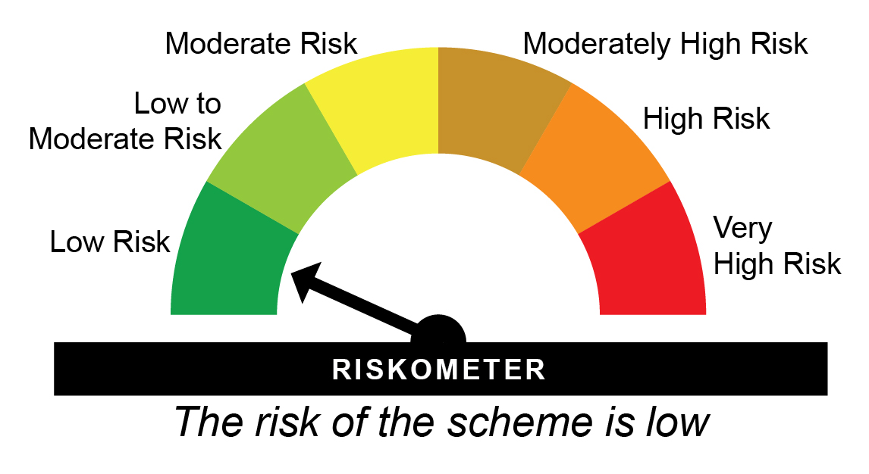
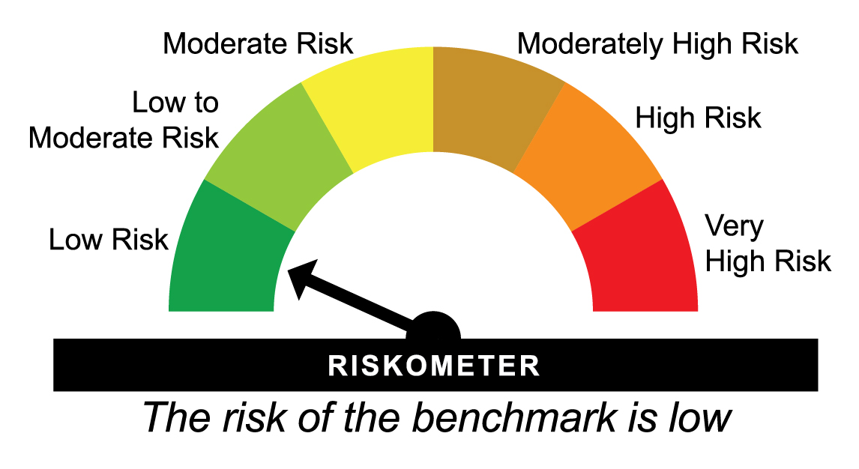
HDFC1DLETF - HDFC NIFTY 1D RATE LIQUID ETF - Growth - Regular Plan - Growth |  |  |  |  |  | NAV as at July 31, 2026 |  | 1071.6398 | Scheme Riskometer | Low | Benchmark Riskometer | Low
Date | Period | NAV per Unit (₹) | Scheme Returns (%)^ | Benchmark Returns(%)# | Additional Benchmark Returns ##(%) | Value of Investment of ₹ 10000@
 |  |  |  |  |  | Scheme (₹) | Benchmark #(₹) | Additional Benchmark ##(₹)

31-07-2025 | Last 1 Year | 1,021.448 | 4.91 | 5.32 | 2.27 | 10,491 | 10,532 | 10,227
24-08-2023 | Since Inception | 1,000.000 | 5.27 | 6.14 | 6.81 | 11,629 | 11,914 | 12,136
^Past performance may or may not be sustained in future and is not a guarantee of any future returns. # NIFTY 1D Rate Index ## CRISIL 10 year Gilt Index
$Performance of the fund has been calculated based on the assumption that all dividends during the period have been reinvested in the scheme at the then prevailing NAV.
The Scheme does not offer any Plans/Options.
Since Inception Date = Date of First allotment in the Scheme / Plan. Load is not taken into consideration for computation of performance.
The scheme is managed by Swapnil Jangam (since August 31, 2024) & Rohan Pillai (since October 01, 2025).
For performance of other schemes managed by Swapnil Jangam & Rohan Pillai, please click here.
Returns are as on July 31, 2026.

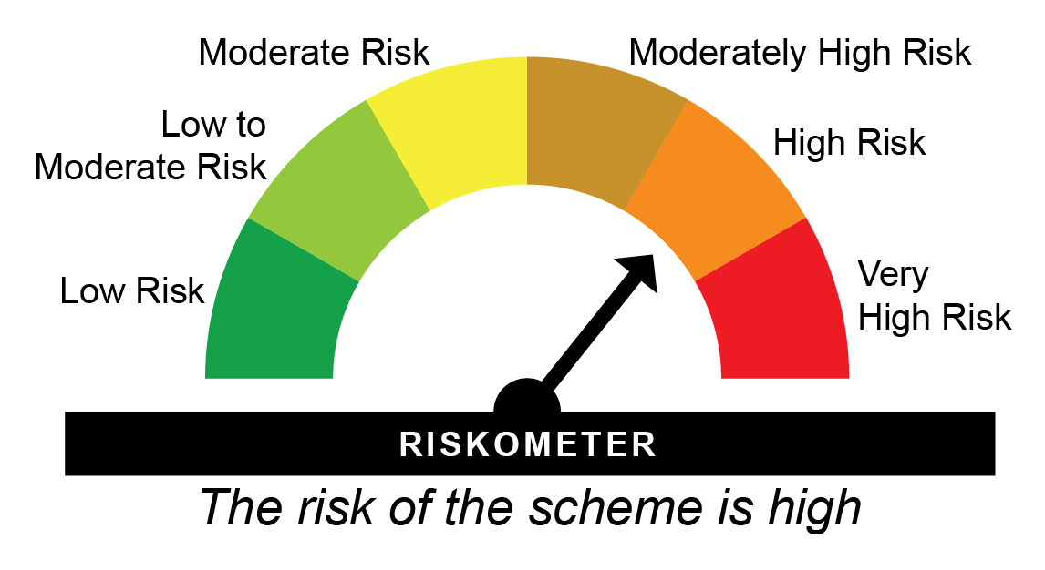

HDGETF - HDFC Gold ETF - Regular Plan - Growth |  |  |  |  |  | NAV as at July 31, 2026 |  | 121.131 | Scheme Riskometer | high | Benchmark Riskometer | high
Date | Period | NAV per Unit (₹) | Scheme Returns (%)^ | Benchmark Returns(%)# |  | Value of Investment of ₹ 10000@
 |  |  |  |  |  | Scheme (₹) | Benchmark #(₹)

31-07-2025 | Last 1 Year | 84.430 | 43.47 | 45.01 |  | 14347 | 14501
31-07-2023 | Last 3 Years | 52.189 | 32.37 | 33.74 |  | 23210 | 23941
30-07-2021 | Last 5 Years | 43.154 | 22.90 | 24.06 |  | 28070 | 29419
29-07-2016 | Last 10 Years | 29.779 | 15.04 | 16.17 |  | 40676 | 44827
13-08-2010 | Since Inception | 18.003 | 12.67 | 13.63 |  | 67283 | 77001
^Past performance may or may not be sustained in future and is not a guarantee of any future returns. # Domestic Price of Physical Gold
Returns greater than 1 year period are compounded annualized (CAGR).
The Scheme does not offer any Plans/Options.
Since Inception Date = Date of First allotment in the Scheme / Plan. Load is not taken into consideration for computation of performance.
The Face Value per Unit is revised to ` 1 (earlier ` 100) and Allotment Price per unit is ` 18.0033 (earlier ` 1,800.3288) w.e.f. February 19, 2021. All return computations have been suitably adjusted for this change. Since inception returns are computed on the allotment price.
The scheme is managed by Bhagyesh Kagalkar (Dedicated Fund Manager for commodities related investments viz. Gold) (since February 02, 2022).
For performance of other schemes managed by Bhagyesh Kagalkar, please click here.
Returns are as on July 31, 2026.

HSILVERETF - HDFC Silver ETF - Regular Plan - Growth |  |  |  |  |  | NAV as at July 31, 2026 |  | 207.0116 | Scheme Riskometer | very high | Benchmark Riskometer | very high
Date | Period | NAV per Unit (₹) | Scheme Returns (%)^ | Benchmark Returns(%)# |  | Value of Investment of ₹ 10000@
 |  |  |  |  |  | Scheme (₹) | Benchmark #(₹)

31-07-2025 | Last 1 Year | 106.524 | 94.33 | 98.73 |  | 19,433 | 19,873
31-07-2023 | Last 3 Years | 73.225 | 41.35 | 43.31 |  | 28,271 | 29,462
02-09-2022 | Since Inception | 52.518 | 41.99 | 44.45 |  | 39,417 | 42,151
^Past performance may or may not be sustained in future and is not a guarantee of any future returns. # Domestic Prices of physical Silver (based on LBMA Silver daily spot fixing price)
Returns greater than 1 year period are compounded annualized (CAGR).
The Scheme does not offer any Plans/Options.
Since Inception Date = Date of First allotment in the Scheme / Plan. Load is not taken into consideration for computation of performance.
The scheme is managed by Bhagyesh Kagalkar (Dedicated Fund Manager for commodities related investments viz. Gold) (since inception).
For performance of other schemes managed by Bhagyesh Kagalkar, please click here.
Returns are as on July 31, 2026.

