Sheet 1
HDFCPM - HDFC Hybrid Equity Fund - Regular Plan - Growth |  |  |  |  |  | NAV as at July 31, 2026 |  | 114.821 | Scheme Riskometer | very high
Date | Period | NAV per Unit (₹) | Scheme Returns (%)^ | Benchmark Returns(%)# | Additional Benchmark Returns ##(%) | Value of Investment of ₹ 10000@
 |  |  |  |  |  | Scheme (₹) | Benchmark #(₹) | Additional Benchmark ##(₹) | 

31-07-2025 | Last 1 Year | 118.785 | -3.34 | 0.72 | -0.43 | 9,666 | 10,072 | 9,957
31-07-2023 | Last 3 Years | 94.970 | 6.53 | 7.94 | 8.56 | 12,090 | 12,579 | 12,798
30-07-2021 | Last 5 Years | 74.592 | 9.00 | 8.91 | 10.39 | 15,393 | 15,331 | 16,405
29-07-2016 | Last 10 Years | 41.269 | 10.76 | 10.71 | 12.27 | 27,823 | 27,700 | 31,857
11-09-2000 | Since Inception | 3.492 | 14.44 | NA | 13.00 | 328,812 | NA | 237,125
^Past performance may or may not be sustained in future and is not a guarantee of any future returns. # NIFTY 50 Hybrid Composite Debt 65:35 Index ## Nifty 50 TRI
Returns greater than 1 year period are compounded annualized (CAGR). N.A. Not Available.
Scheme performance may not strictly be comparable with that of its Additional Benchmark in view of hybrid nature of the scheme where a portion of scheme’s investments are made in debt instruments.
Different plans viz. Regular Plan and Direct Plan have a different expense structure. The expenses of the Direct Plan under the Scheme will be lower to the extent of the distribution expenses / commission charged in the Regular Plan
Since Inception Date = Date of First allotment in the Scheme / Plan. Load is not taken into consideration for computation of performance.
The scheme is managed by Srinivasan Ramamurthy (Equity Assets) (since July 1, 2025) & Anupam Joshi (Debt Assets) (since October 6, 2022).
For performance of other schemes managed by Srinivasan Ramamurthy & Anupam Joshi, please click here.
The above returns are for Regular Plan - Growth Option. Returns are as on July 31, 2026.

HDFCPM - HDFC Hybrid Equity Fund - Direct Plan - Growth |  |  |  |  |  | NAV as at July 31, 2026 |  | 125.306 | Benchmark Riskometer | high
Date | Period | NAV per Unit (₹) | Scheme Returns (%)^ | Benchmark Returns(%)# | Additional Benchmark Returns ##(%) | Value of Investment of ₹ 10000@ |  |  | 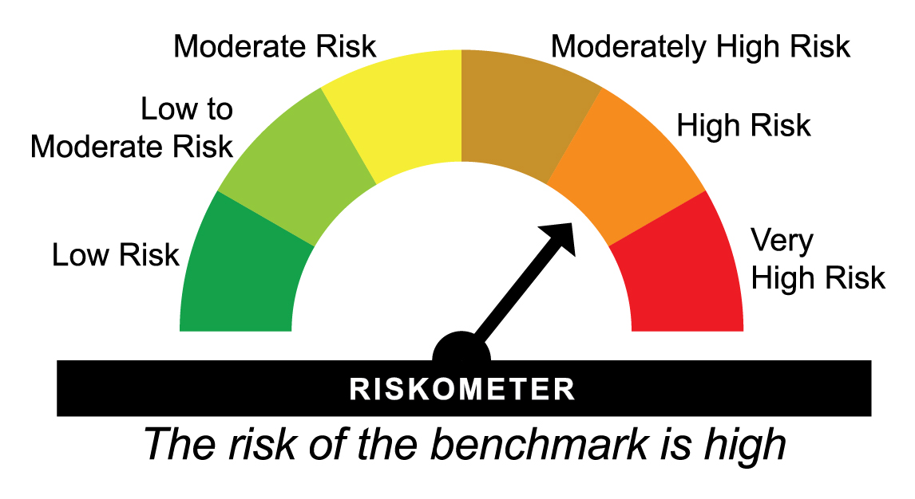
 |  |  |  |  |  | Scheme (₹) | Benchmark #(₹) | Additional Benchmark ##(₹)

31-07-2025 | Last 1 Year | 128.796 | -2.71 | 0.72 | -0.43 | 9,729 | 10,072 | 9,957
31-07-2023 | Last 3 Years | 101.656 | 7.21 | 7.94 | 8.56 | 12,326 | 12,579 | 12,798
30-07-2021 | Last 5 Years | 78.822 | 9.70 | 8.91 | 10.39 | 15,897 | 15,331 | 16,405
29-07-2016 | Last 10 Years | 41.729 | 11.61 | 10.71 | 12.27 | 30,029 | 27,700 | 31,857
01-01-2013 | Since Inception | 22.052 | 13.64 | 10.91 | 12.30 | 56,823 | 40,832 | 48,362
^Past performance may or may not be sustained in future and is not a guarantee of any future returns. # NIFTY 50 Hybrid Composite Debt 65:35 Index ## Nifty 50 TRI
Returns greater than 1 year period are compounded annualized (CAGR).
Scheme performance may not strictly be comparable with that of its Additional Benchmark in view of hybrid nature of the scheme where a portion of scheme’s investments are made in debt instruments.
Different plans viz. Regular Plan and Direct Plan have a different expense structure. The expenses of the Direct Plan under the Scheme will be lower to the extent of the distribution expenses / commission charged in the Regular Plan
Load is not taken into consideration for computation of performance.
The scheme is managed by Srinivasan Ramamurthy (Equity Assets) (since July 1, 2025) & Anupam Joshi (Debt Assets) (since October 6, 2022).
For performance of other schemes managed by Chirag Setalvad & Anupam Joshi, please click here.
The above returns are for Direct Plan - Growth Option. Returns are as on July 31, 2026.

HMIPLT - HDFC Hybrid Debt Fund - Regular Plan - Growth |  |  |  |  |  | NAV as at July 31, 2026 |  | 84.1506 | Scheme Riskometer | moderately high
Date | Period | NAV per Unit (₹) | Scheme Returns (%)^ | Benchmark Returns(%)# | Additional Benchmark Returns ##(%) | Value of Investment of ₹ 10000@
 |  |  |  |  |  | Scheme (₹) | Benchmark #(₹) | Additional Benchmark ##(₹) | 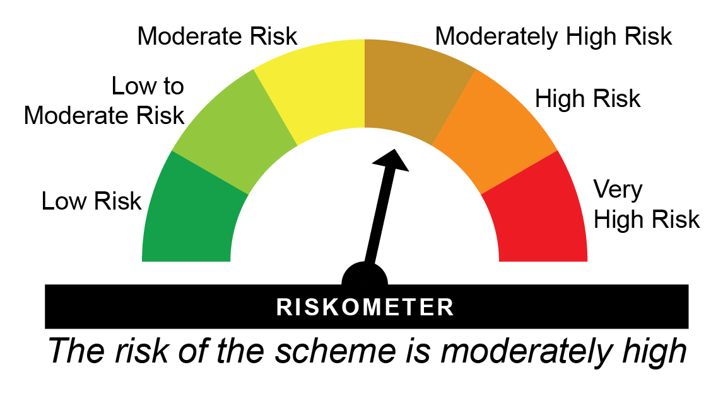

31-07-2025 | Last 1 Year | 82.159 | 2.42 | 2.03 | 2.27 | 10,242 | 10,203 | 10,227
31-07-2023 | Last 3 Years | 67.700 | 7.51 | 6.73 | 6.78 | 12,430 | 12,160 | 12,176
30-07-2021 | Last 5 Years | 57.476 | 7.91 | 6.48 | 5.34 | 14,641 | 13,696 | 12,971
29-07-2016 | Last 10 Years | 38.643 | 8.08 | 7.83 | 5.92 | 21,777 | 21,274 | 17,781
26-12-2003 | Since Inception | 10.000 | 9.88 | 8.11 | 5.68 | 84,151 | 58,335 | 34,872
^Past performance may or may not be sustained in future and is not a guarantee of any future returns. # NIFTY 50 Hybrid Composite Debt 15:85 Index ## CRISIL 10 year Gilt Index
Returns greater than 1 year period are compounded annualized (CAGR).
Scheme performance may not strictly be comparable with that of its Additional Benchmark in view of hybrid nature of the scheme where a portion of scheme’s investments are made in equity instruments.
Different plans viz. Regular Plan and Direct Plan have a different expense structure. The expenses of the Direct Plan under the Scheme will be lower to the extent of the distribution expenses / commission charged in the Regular Plan.
Since Inception Date = Date of First allotment in the Scheme / Plan. Load is not taken into consideration for computation of performance.
The scheme is managed by Srinivasan Ramamurthy (Equities) (since December 14, 2021) & Anupam Joshi (Debt) (since March 07, 2026).
For performance of other schemes managed by Srinivasan Ramamurthy & Anupam Joshi, please click here.
Note: Effective close of business hours of May 25, 2018, HDFC MF Monthly Income Plan – Long Term Plan (MIP-LTP) underwent changes in Fundamental Attributes and was renamed as HDFC Hybrid Debt Fund (HHDF) and HDFC MF Monthly Income Plan – Short Term Plan was merged therein. As the portfolio structuring of HHDF closely resembles the erstwhile MIP-LTP, the past performance of MIP-LTP is provided, in line with SEBI circular on Performance disclosure post consolidation/ merger of scheme dated April 12, 2018.
The above returns are for Regular Plan - Growth Option. Returns are as on July 31, 2026.

HMIPLT - HDFC Hybrid Debt Fund - Direct Plan - Growth |  |  |  |  |  | NAV as at July 31, 2026 |  | 90.0462 | Benchmark Riskometer | moderately high
Date | Period | NAV per Unit (₹) | Scheme Returns (%)^ | Benchmark Returns(%)# | Additional Benchmark Returns ##(%) | Value of Investment of ₹ 10000@ |  |  | 
 |  |  |  |  |  | Scheme (₹) | Benchmark #(₹) | Additional Benchmark ##(₹)

31-07-2025 | Last 1 Year | 87.431 | 2.99 | 2.03 | 2.27 | 10,299 | 10,203 | 10,227
31-07-2023 | Last 3 Years | 71.263 | 8.10 | 6.73 | 6.78 | 12,636 | 12,160 | 12,176
30-07-2021 | Last 5 Years | 59.935 | 8.47 | 6.48 | 5.34 | 15,024 | 13,696 | 12,971
29-07-2016 | Last 10 Years | 39.275 | 8.64 | 7.83 | 5.92 | 22,927 | 21,274 | 17,781
01-01-2013 | Since Inception | 26.475 | 9.43 | 8.34 | 6.41 | 34,012 | 29,702 | 23,258
^Past performance may or may not be sustained in future and is not a guarantee of any future returns. # NIFTY 50 Hybrid Composite Debt 15:85 Index ## CRISIL 10 year Gilt Index
Returns greater than 1 year period are compounded annualized (CAGR).
Scheme performance may not strictly be comparable with that of its Additional Benchmark in view of hybrid nature of the scheme where a portion of scheme’s investments are made in equity instruments.
Different plans viz. Regular Plan and Direct Plan have a different expense structure. The expenses of the Direct Plan under the Scheme will be lower to the extent of the distribution expenses / commission charged in the Regular Plan.
Load is not taken into consideration for computation of performance.
The scheme is managed by Srinivasan Ramamurthy (Equities) (since December 14, 2021) & Anupam Joshi (Debt) (since March 07, 2026).
For performance of other schemes managed by Srinivasan Ramamurthy & Anupam Joshi, please click here.
The above returns are for Direct Plan - Growth Option. Returns are as on July 31, 2026.

HDFCAR - HDFC Arbitrage Fund - Regular Plan - Growth |  |  |  |  |  | NAV as at July 31, 2026 |  | 32.626 | Scheme Riskometer | Low
Date | Period | NAV per Unit (₹) | Scheme Returns (%)^ | Benchmark Returns(%)# | Additional Benchmark Returns ##(%) | Value of Investment of ₹ 10000@
 |  |  |  |  |  | Scheme (₹) | Benchmark #(₹) | Additional Benchmark ##(₹) | 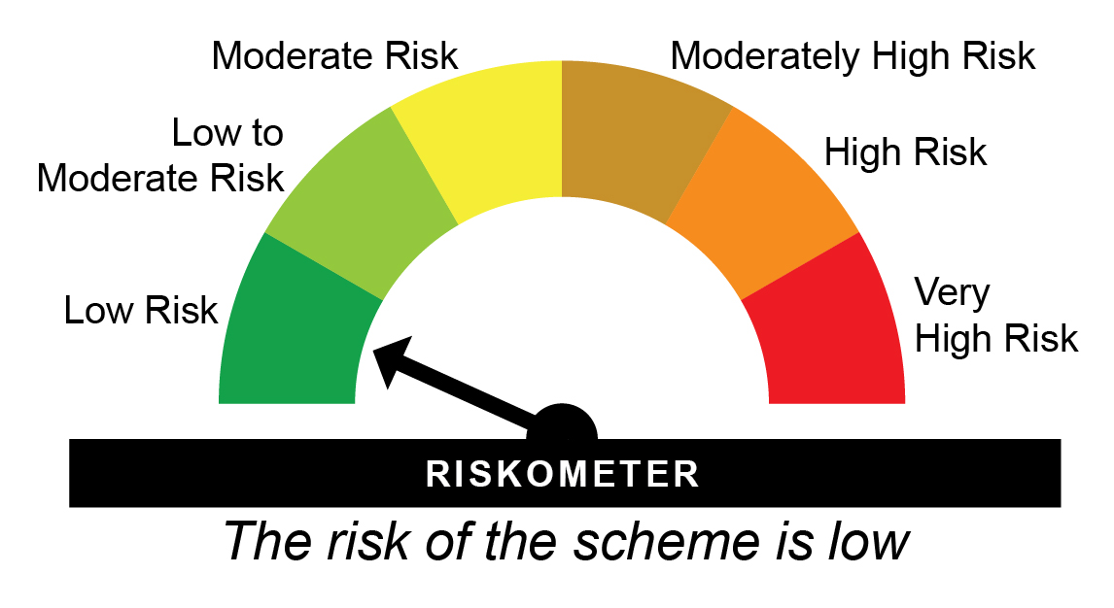

31-07-2025 | Last 1 Year | 30.787 | 5.97 | 7.31 | 4.21 | 10,597 | 10,731 | 10,421
31-07-2023 | Last 3 Years | 26.707 | 6.89 | 7.56 | 6.32 | 12,216 | 12,445 | 12,019
30-07-2021 | Last 5 Years | 24.359 | 6.01 | 6.52 | 5.67 | 13,394 | 13,721 | 13,179
29-07-2016 | Last 10 Years | 18.895 | 5.61 | 5.62 | 5.97 | 17,267 | 17,291 | 17,864
23-10-2007 | Since Inception | 10.000 | 6.50 | NA | 6.19 | 32,626 | NA | 30,881
^Past performance may or may not be sustained in future and is not a guarantee of any future returns. # NIFTY 50 Arbitrage Index ## CRISIL 1 Year T-bill Index
Returns greater than 1 year period are compounded annualized (CAGR). N.A. Not Available.
Scheme performance is not strictly comparable with that of its Additional Benchmark since the scheme does not take directional call in equity markets but is limited to availing arbitrage opportunities, etc.
Different plans viz. Regular Plan and Direct Plan have a different expense structure. The expenses of the Direct Plan under the Scheme will be lower to the extent of the distribution expenses / commission charged in the Regular Plan.
Since Inception Date = Date of First allotment in the Scheme / Plan. Load is not taken into consideration for computation of performance.
The scheme is managed by Arun Agarwal (Arbitrage Assets) (since August 24, 2020), Nandita Menezes (Arbitrage Assets) (since March 29, 2025) & Anil Bamboli (Debt Assets) since February 01, 2022).
For performance of other schemes managed by Arun Agarwal, Nandita Menezes & Anil Bamboli, please click here.
The above returns are for Regular Plan - Growth Option. Returns are as on July 31, 2026.

HDFCAR - HDFC Arbitrage Fund - Direct Plan - Growth |  |  |  |  |  | NAV as at July 31, 2026 |  | 21.602 | Benchmark Riskometer | Low
Date | Period | NAV per Unit (₹) | Scheme Returns (%)^ | Benchmark Returns(%)# | Additional Benchmark Returns ##(%) | Value of Investment of ₹ 10000@ |  |  | 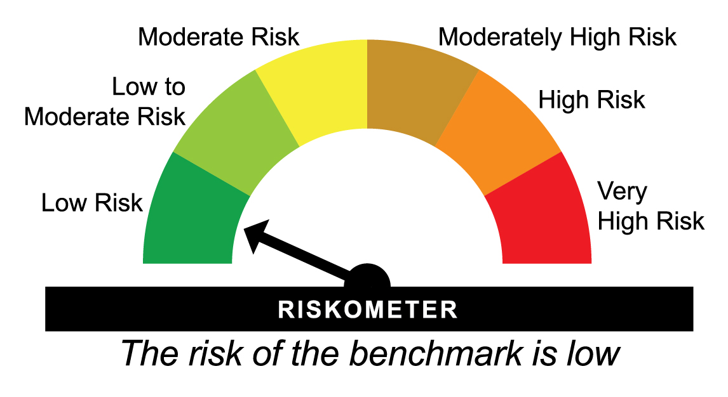
 |  |  |  |  |  | Scheme (₹) | Benchmark #(₹) | Additional Benchmark ##(₹)

31-07-2025 | Last 1 Year | 20.278 | 6.53 | 7.31 | 4.21 | 10,653 | 10,731 | 10,421
31-07-2023 | Last 3 Years | 17.405 | 7.46 | 7.56 | 6.32 | 12,411 | 12,445 | 12,019
30-07-2021 | Last 5 Years | 15.705 | 6.58 | 6.52 | 5.67 | 13,755 | 13,721 | 13,179
29-07-2016 | Last 10 Years | 11.871 | 6.16 | 5.62 | 5.97 | 18,197 | 17,291 | 17,864
07-04-2014 | Since Inception | 10.000 | 6.45 | 6.01 | 6.38 | 21,602 | 20,521 | 21,431
^Past performance may or may not be sustained in future and is not a guarantee of any future returns. # NIFTY 50 Arbitrage Index ## CRISIL 1 year T-Bill Index
Returns greater than 1 year period are compounded annualized (CAGR).
Scheme performance is not strictly comparable with that of its Additional Benchmark since the scheme does not take directional call in equity markets but is limited to availing arbitrage opportunities, etc.
Different plans viz. Regular Plan and Direct Plan have a different expense structure. The expenses of the Direct Plan under the Scheme will be lower to the extent of the distribution expenses / commission charged in the Regular Plan.
Load is not taken into consideration for computation of performance.
The scheme is managed by Arun Agarwal (Arbitrage Assets) (since August 24, 2020), Nandita Menezes (Arbitrage Assets) (since March 29, 2025) & Anil Bamboli (Debt Assets) since February 01, 2022).
For performance of other schemes managed by Arun Agarwal, Nandita Menezes & Anil Bamboli, please click here.
The above returns are for Direct Plan - Growth Option. Returns are as on July 31, 2026.

HDFCMY - HDFC Equity Savings Fund - Regular Plan - Growth |  |  |  |  |  | NAV as at July 31, 2026 |  | 68.048 | Scheme Riskometer | moderately high
Date | Period | NAV per Unit (₹) | Scheme Returns (%)^ | Benchmark Returns(%)# | Additional Benchmark Returns ##(%) | Value of Investment of ₹ 10000@
 |  |  |  |  |  | Scheme (₹) | Benchmark #(₹) | Additional Benchmark ##(₹)

31-07-2025 | Last 1 Year | 65.701 | 3.57 | 4.12 | 2.27 | 10,357 | 10,412 | 10,227
31-07-2023 | Last 3 Years | 54.101 | 7.94 | 8.05 | 6.78 | 12,578 | 12,617 | 12,176
30-07-2021 | Last 5 Years | 46.114 | 8.08 | 8.01 | 5.34 | 14,756 | 14,705 | 12,971
29-07-2016 | Last 10 Years | 28.956 | 8.91 | 8.75 | 5.92 | 23,500 | 23,159 | 17,781
17-09-2004 | Since Inception | 10.000 | 9.16 | NA | 5.96 | 68,048 | NA | 35,496
^Past performance may or may not be sustained in future and is not a guarantee of any future returns. # NIFTY Equity Savings Index ## CRISIL 10 Year Gilt Index
Returns greater than 1 year period are compounded annualized (CAGR). N.A. Not Available.
Scheme performance may not strictly be comparable with that of its Additional Benchmark, since a portion of scheme’s investments are made in debt instruments.
Different plans viz. Regular Plan and Direct Plan have a different expense structure. The expenses of the Direct Plan under the Scheme will be lower to the extent of the distribution expenses / commission charged in the Regular Plan.
Since Inception Date = Date of First allotment in the Scheme / Plan. Load is not taken into consideration for computation of performance.
Effective December 16, 2015, certain changes, including changes to fundamental attributes, were effected in the erstwhile HDFC Multiple Yield Fund, (an open ended income scheme) which was renamed as HDFC Equity Savings Fund, an open ended equity scheme.
On account of these changes, the performance during the period(s) from September 17, 2004 to December 15, 2015 is not comparable.
The scheme is managed by Srinivasan Ramamurthy (Equity Assets) (since December 14, 2021), Anil Bamboli (Debt Assets) (since September 17, 2004), Arun Agarwal (Arbitrage Assets) (since August 24, 2020) & Nandita Menezes (Arbitrage Assets) (since March 29, 2025).
For performance of other schemes managed by Srinivasan Ramamurthy, Anil Bamboli, Arun Agarwal & Nandita Menezes, please click here.
The above returns are for Regular Plan - Growth Option. Returns are as on July 31, 2026.

HDFCMY - HDFC Equity Savings Fund - Direct Plan - Growth |  |  |  |  |  | NAV as at July 31, 2026 |  | 76.916 | Benchmark Riskometer | moderate
Date | Period | NAV per Unit (₹) | Scheme Returns (%)^ | Benchmark Returns(%)# | Additional Benchmark Returns ##(%) | Value of Investment of ₹ 10000@ |  |  | 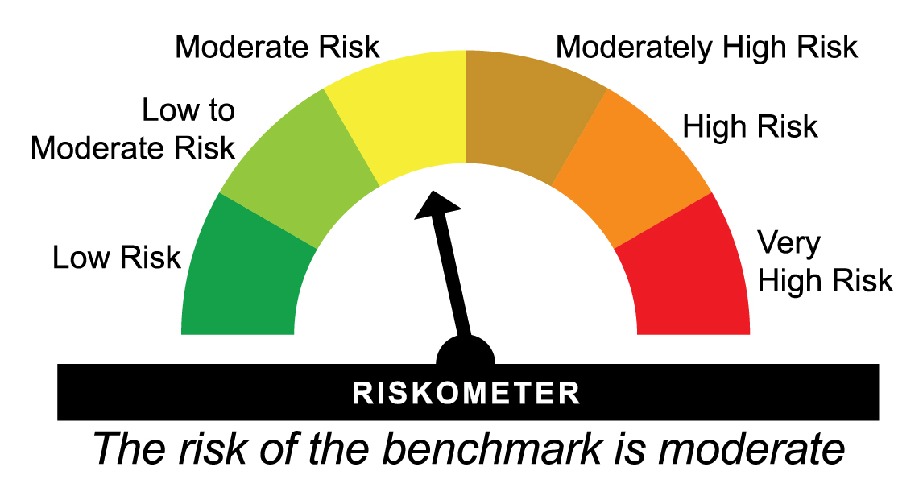
 |  |  |  |  |  | Scheme (₹) | Benchmark #(₹) | Additional Benchmark ##(₹)

31-07-2025 | Last 1 Year | 73.574 | 4.54 | 4.12 | 2.27 | 10,454 | 10,412 | 10,227
31-07-2023 | Last 3 Years | 59.454 | 8.95 | 8.05 | 6.78 | 12,937 | 12,617 | 12,176
30-07-2021 | Last 5 Years | 49.778 | 9.08 | 8.01 | 5.34 | 15,452 | 14,705 | 12,971
29-07-2016 | Last 10 Years | 29.508 | 10.04 | 8.75 | 5.92 | 26,066 | 23,159 | 17,781
01-01-2013 | Since Inception | 21.052 | 10.01 | 9.09 | 6.41 | 36,537 | 32,624 | 23,258
^Past performance may or may not be sustained in future and is not a guarantee of any future returns. # NIFTY Equity Savings Index ## CRISIL 10 year Gilt Index
Returns greater than 1 year period are compounded annualized (CAGR).
Scheme performance may not strictly be comparable with that of its Additional Benchmark, since a portion of scheme’s investments are made in debt instruments.
Different plans viz. Regular Plan and Direct Plan have a different expense structure. The expenses of the Direct Plan under the Scheme will be lower to the extent of the distribution expenses / commission charged in the Regular Plan.
Load is not taken into consideration for computation of performance.
Effective December 16, 2015, certain changes, including changes to fundamental attributes, were effected in the erstwhile HDFC Multiple Yield Fund, (an open ended income scheme) which was renamed as HDFC Equity Savings Fund, an open ended equity scheme.
On account of these changes, the performance during the period(s) from September 17, 2004 to December 15, 2015 is not comparable.
The scheme is managed by Srinivasan Ramamurthy (Equity Assets) (since December 14, 2021), Anil Bamboli (Debt Assets) (since September 17, 2004), Arun Agarwal (Arbitrage Assets) (since August 24, 2020) & Nandita Menezes (Arbitrage Assets) (since March 29, 2025).
For performance of other schemes managed by Srinivasan Ramamurthy, Anil Bamboli, Arun Agarwal & Nandita Menezes, please click here.
The above returns are for Direct Plan - Growth Option. Returns are as on July 31, 2026.

MY2005 - HDFC Multi-Asset Allocation Fund - Regular Plan - Growth |  |  |  |  |  | NAV as at July 31, 2026 |  | 75.13 | Scheme Riskometer | very high
Date | Period | NAV per Unit (₹) | Scheme Returns (%)^ | Benchmark Returns(%)# | Additional Benchmark Returns ##(%) | Value of Investment of ₹ 10000@
 |  |  |  |  |  | Scheme (₹) | Benchmark #(₹) | Additional Benchmark ##(₹)

31-07-2025 | Last 1 Year | 71.336 | 5.32 | 5.33 | -0.43 | 10,532 | 10,533 | 9,957
31-07-2023 | Last 3 Years | 54.448 | 11.32 | 10.90 | 8.56 | 13,798 | 13,644 | 12,798
30-07-2021 | Last 5 Years | 45.026 | 10.77 | 10.77 | 10.39 | 16,686 | 16,687 | 16,405
29-07-2016 | Last 10 Years | 27.125 | 10.71 | 10.99 | 12.27 | 27,698 | 28,397 | 31,857
17-08-2005 | Since Inception | 10.000 | 10.10 | 9.64 | 13.06 | 75,130 | 68,885 | 131,083
^Past performance may or may not be sustained in future and is not a guarantee of any future returns. # 65% Nifty 50 TRI + 22.5% Nifty Composite Debt Index + 10% Price of Domestic Gold + 2.5% Domestic Price of Silver ## Nifty 50 TRI
Returns greater than 1 year period are compounded annualized (CAGR). N.A. Not Available.
The Scheme formerly, a debt oriented hybrid fund, has undergone change in Fundamental attributes w.e.f. May 23, 2018 and become a multi asset fund investing in equities, debt and gold related instruments. Accordingly, the Scheme’s benchmark has also changed. Hence, the performance of the Scheme from inception till May 22, 2018 may not strictly be comparable with those of the new benchmark and the additional benchmark.
Scheme performance may not strictly be comparable with that of its Additional Benchmark in view of hybrid nature of the scheme where a portion of scheme’s investments are made in debt instruments and gold related instruments.
Different plans viz. Regular Plan and Direct Plan have a different expense structure. The expenses of the Direct Plan under the Scheme will be lower to the extent of the distribution expenses / commission charged in the Regular Plan.
Since Inception Date = Date of First allotment in the Scheme / Plan. Load is not taken into consideration for computation of performance.
The scheme is managed by Srinivasan Ramamurthy (Equity Assets) (since January 13, 2022), Anil Bamboli (Debt Assets) (since August 17, 2005), Bhagyesh Kagalkar (Dedicated Fund Manager for commodities related investments viz. Gold) (since February 02, 2022), Arun Agarwal (Arbitrage Assets) (since August 24, 2020) & Nandita Menezes (Arbitrage Assets) (w.e.f. March 29, 2025).
For performance of other schemes managed by Srinivasan Ramamurthy, Anil Bamboli, Bhagyesh Kagalkar, Arun Agarwal & Nandita Menezes, please click here.
The above returns are for Regular Plan - Growth Option. Returns are as on July 31, 2026.

MY2005 - HDFC Multi-Asset Allocation Fund - Direct Plan - Growth |  |  |  |  |  | NAV as at July 31, 2026 |  | 84.752 | Benchmark Riskometer | high
Date | Period | NAV per Unit (₹) | Scheme Returns (%)^ | Benchmark Returns(%)# | Additional Benchmark Returns ##(%) | Value of Investment of ₹ 10000@
 |  |  |  |  |  | Scheme (₹) | Benchmark #(₹) | Additional Benchmark ##(₹)

31-07-2025 | Last 1 Year | 79.626 | 6.44 | 5.33 | -0.43 | 10,644 | 10,533 | 9,957
31-07-2023 | Last 3 Years | 59.393 | 12.57 | 10.90 | 8.56 | 14,270 | 13,644 | 12,798
30-07-2021 | Last 5 Years | 47.813 | 12.12 | 10.77 | 10.39 | 17,726 | 16,687 | 16,405
29-07-2016 | Last 10 Years | 27.702 | 11.82 | 10.99 | 12.27 | 30,594 | 28,397 | 31,857
01-01-2013 | Since Inception | 19.149 | 11.57 | 10.69 | 12.30 | 44,259 | 39,733 | 48,362
^Past performance may or may not be sustained in future and is not a guarantee of any future returns. # 65% Nifty 50 TRI + 22.5% Nifty Composite Debt Index + 10% Price of Domestic Gold + 2.5% Domestic Price of Silver ## Nifty 50 TRI
Returns greater than 1 year period are compounded annualized (CAGR).
The Scheme formerly, a debt oriented hybrid fund, has undergone change in Fundamental attributes w.e.f. May 23, 2018 and become a multi asset fund investing in equities, debt and gold related instruments. Accordingly, the Scheme’s benchmark has also changed. Hence, the performance of the Scheme from inception till May 22, 2018 may not strictly be comparable with those of the new benchmark and the additional benchmark.
Scheme performance may not strictly be comparable with that of its Additional Benchmark in view of hybrid nature of the scheme where a portion of scheme’s investments are made in debt instruments and gold related instruments.
Different plans viz. Regular Plan and Direct Plan have a different expense structure. The expenses of the Direct Plan under the Scheme will be lower to the extent of the distribution expenses / commission charged in the Regular Plan.
Load is not taken into consideration for computation of performance.
The scheme is managed by Srinivasan Ramamurthy (Equity Assets) (since January 13, 2022), Anil Bamboli (Debt Assets) (since August 17, 2005), Bhagyesh Kagalkar (Dedicated Fund Manager for commodities related investments viz. Gold) (since February 02, 2022), Arun Agarwal (Arbitrage Assets) (since August 24, 2020) & Nandita Menezes (Arbitrage Assets) (w.e.f. March 29, 2025).
For performance of other schemes managed by Srinivasan Ramamurthy, Anil Bamboli, Bhagyesh Kagalkar, Arun Agarwal & Nandita Menezes, please click here.
The above returns are for Direct Plan - Growth Option. Returns are as on July 31, 2026.

HDFCGR - HDFC Balanced Advantage Fund - Regular Plan - Growth |  |  |  |  |  | NAV as at July 31, 2026 |  | 526.398 | Scheme Riskometer | very high
Date | Period | NAV per Unit (₹) | Scheme Returns (%)^ | Benchmark Returns(%)# | Additional Benchmark Returns ##(%) | Value of Investment of ₹ 10000@
 |  |  |  |  |  | Scheme (₹) | Benchmark #(₹) | Additional Benchmark ##(₹)

31-07-2025 | Last 1 Year | 514.957 | 2.22 | 1.15 | -0.43 | 10,222 | 10,115 | 9,957
31-07-2023 | Last 3 Years | 368.028 | 12.66 | 7.62 | 8.56 | 14,303 | 12,466 | 12,798
30-07-2021 | Last 5 Years | 262.454 | 14.92 | 8.22 | 10.39 | 20,057 | 14,850 | 16,405
29-07-2016 | Last 10 Years | 150.098 | 13.35 | 9.93 | 12.27 | 35,070 | 25,790 | 31,857
01-02-1994 | Since Inception | 2.702 | 17.60 | NA | 10.84 | 1,948,179 | NA | 284,391
^Past performance may or may not be sustained in future and is not a guarantee of any future returns. # Nifty 50 Hybrid Composite Debt 50:50 Index ## Nifty 50 TRI
Returns greater than 1 year period are compounded annualized (CAGR). N.A. Not Available.
Scheme performance may not strictly be comparable with that of its Additional Benchmark in view of balanced nature of the scheme where a portion of scheme’s investments are made in debt instruments.
$$ All Distributions declared prior to the splitting of the Scheme into IDCW & Growth Options are assumed to be reinvested in the units of the Scheme at the then prevailing NAV (ex-distribution NAV).
As NIFTY 50 TRI data is not available since inception of the scheme, additional benchmark performance is calculated using composite CAGR of NIFTY 50 PRI values from February 1, 1994 to June 29, 1999 and TRI values since June 30, 1999.
Different plans viz. Regular Plan and Direct Plan have a different expense structure. The expenses of the Direct Plan under the Scheme will be lower to the extent of the distribution expenses / commission charged in the Regular Plan.
Since Inception Date = Date of First allotment in the Scheme / Plan. Load is not taken into consideration for computation of performance.
The scheme is managed by Gopal Agrawal (Equity Assets) (since July 29, 2022), Srinivasan Ramamurthy (Equity Assets) (since July 29, 2022), Arun Agarwal (Arbitrage Assets) (since October 6, 2022), Nandita Menezes (Arbitrage Assets) (w.e.f. March 29, 2025) & Anil Bamboli (Debt Assets) (since July 29, 2022).
For performance of other schemes managed by Gopal Agrawal, Srinivasan Ramamurthy, Arun Agarwal, Nandita Menezes & Anil Bamboli, please click here.
The above returns are for Regular Plan - Growth Option. Returns are as on July 31, 2026.

HDFCGR - HDFC Balanced Advantage Fund - Direct Plan - Growth |  |  |  |  |  | NAV as at July 31, 2026 |  | 572.345 | Benchmark Riskometer | high
Date | Period | NAV per Unit (₹) | Scheme Returns (%)^ | Benchmark Returns(%)# | Additional Benchmark Returns ##(%) | Value of Investment of ₹ 10000@
 |  |  |  |  |  | Scheme (₹) | Benchmark #(₹) | Additional Benchmark ##(₹)

31-07-2025 | Last 1 Year | 556.665 | 2.82 | 1.15 | -0.43 | 10,282 | 10,115 | 9,957
31-07-2023 | Last 3 Years | 393.032 | 13.33 | 7.62 | 8.56 | 14,562 | 12,466 | 12,798
30-07-2021 | Last 5 Years | 276.689 | 15.63 | 8.22 | 10.39 | 20,686 | 14,850 | 16,405
29-07-2016 | Last 10 Years | 151.397 | 14.21 | 9.93 | 12.27 | 37,804 | 25,790 | 31,857
01-01-2013 | Since Inception | 89.085 | 14.67 | 10.21 | 12.30 | 64,247 | 37,458 | 48,362
^Past performance may or may not be sustained in future and is not a guarantee of any future returns. # Nifty 50 Hybrid Composite Debt 50:50 Index ## Nifty 50 TRI
Returns greater than 1 year period are compounded annualized (CAGR).
Scheme performance may not strictly be comparable with that of its Additional Benchmark in view of balanced nature of the scheme where a portion of scheme’s investments are made in debt instruments.
Different plans viz. Regular Plan and Direct Plan have a different expense structure. The expenses of the Direct Plan under the Scheme will be lower to the extent of the distribution expenses / commission charged in the Regular Plan.
Load is not taken into consideration for computation of performance.
The scheme is managed by Gopal Agrawal (Equity Assets) (since July 29, 2022), Srinivasan Ramamurthy (Equity Assets) (since July 29, 2022), Arun Agarwal (Arbitrage Assets) (since October 6, 2022), Nandita Menezes (Arbitrage Assets) (w.e.f. March 29, 2025) & Anil Bamboli (Debt Assets) (since July 29, 2022).
For performance of other schemes managed by Gopal Agrawal, Srinivasan Ramamurthy, Arun Agarwal, Nandita Menezes & Anil Bamboli, please click here.
The above returns are for Direct Plan - Growth Option. Returns are as on July 31, 2026.

