Sheet 1
HDFCCORPDO - HDFC Credit Risk Debt Fund - Regular Plan - Growth |  |  |  |  |  | NAV as at July 31, 2026 |  | 25.8903 | Scheme Riskometer | high
Date | Period | NAV per Unit (₹) | Scheme Returns (%)^ | Benchmark Returns(%)# | Additional Benchmark Returns ##(%) | Value of Investment of ₹ 10000@
 |  |  |  |  |  | Scheme (₹) | Benchmark #(₹) | Additional Benchmark ##(₹) | 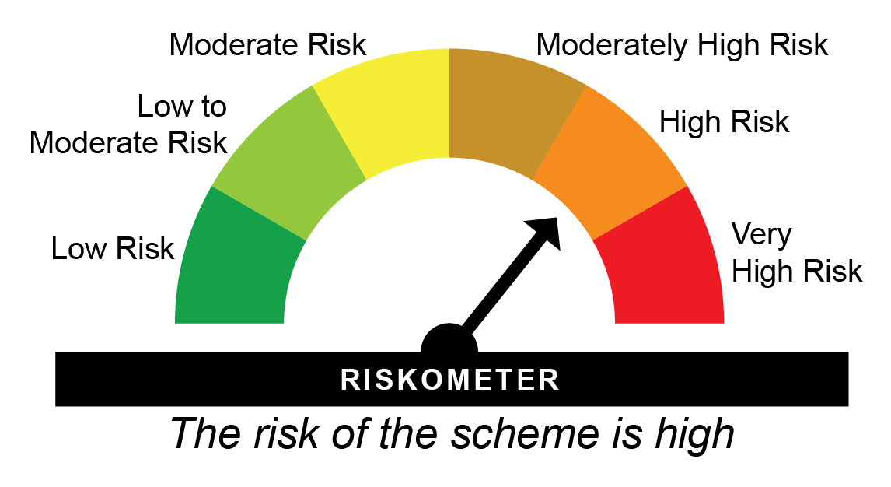

31-07-2025 | Last 1 Year | 24.257 | 6.73 | 4.55 | 2.27 | 10,673 | 10,455 | 10,227
31-07-2023 | Last 3 Years | 20.780 | 7.60 | 6.95 | 6.78 | 12,459 | 12,235 | 12,176
30-07-2021 | Last 5 Years | 18.823 | 6.58 | 6.95 | 5.34 | 13,755 | 14,001 | 12,971
29-07-2016 | Last 10 Years | 12.749 | 7.33 | 7.75 | 5.92 | 20,308 | 21,107 | 17,781
25-03-2014 | Since Inception | 10.000 | 8.00 | 8.21 | 6.97 | 25,890 | 26,526 | 22,986
^Past performance may or may not be sustained in future and is not a guarantee of any future returns. # Nifty Credit Risk Bond Index B-II ## CRISIL 10 year Gilt Index
Returns greater than 1 year period are compounded annualized (CAGR).
Different plans viz. Regular Plan and Direct Plan have a different expense structure. The expenses of the Direct Plan under the Scheme will be lower to the extent of the distribution expenses / commission charged in the Regular Plan
Since Inception Date = Date of First allotment in the Scheme / Plan. Load is not taken into consideration for computation of performance.
The scheme is managed by Praveen Jain and Bhavyesh Divecha (since March 07, 2026).
For performance of other schemes managed by Praveen Jain and Bhavyesh Divecha, please click here.
The above returns are for Regular Plan - Growth Option. Returns are as on July 31, 2026.

HDFCCORPDO - HDFC Credit Risk Debt Fund - Direct Plan - Growth |  |  |  |  |  | NAV as at July 31, 2026 |  | 28.1415 | Benchmark Riskometer | moderately high
Date | Period | NAV per Unit (₹) | Scheme Returns (%)^ | Benchmark Returns(%)# | Additional Benchmark Returns ##(%) | Value of Investment of ₹ 10000@ |  |  | 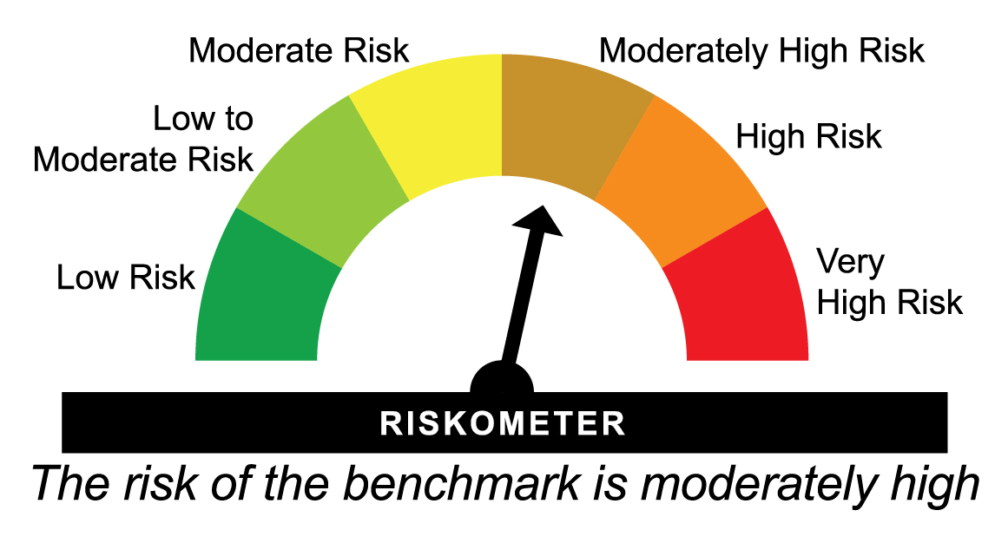
 |  |  |  |  |  | Scheme (₹) | Benchmark #(₹) | Additional Benchmark ##(₹)

31-07-2025 | Last 1 Year | 26.221 | 7.33 | 4.55 | 2.27 | 10,733 | 10,455 | 10,227
31-07-2023 | Last 3 Years | 22.194 | 8.23 | 6.95 | 6.78 | 12,680 | 12,235 | 12,176
30-07-2021 | Last 5 Years | 19.855 | 7.22 | 6.95 | 5.34 | 14,173 | 14,001 | 12,971
29-07-2016 | Last 10 Years | 13.014 | 8.01 | 7.75 | 5.92 | 21,625 | 21,107 | 17,781
25-03-2014 | Since Inception | 10.000 | 8.73 | 8.21 | 6.97 | 28,142 | 26,526 | 22,986
^Past performance may or may not be sustained in future and is not a guarantee of any future returns. # Nifty Credit Risk Bond Index B-II ## CRISIL 10 year Gilt Index
Returns greater than 1 year period are compounded annualized (CAGR).
Different plans viz. Regular Plan and Direct Plan have a different expense structure. The expenses of the Direct Plan under the Scheme will be lower to the extent of the distribution expenses / commission charged in the Regular Plan
Load is not taken into consideration for computation of performance.
The scheme is managed by Praveen Jain & Bhavyesh Divecha (since March 07, 2026).
For performance of other schemes managed by Praveen Jain & Bhavyesh Divecha, please click here.
The above returns are for Direct Plan - Growth Option. Returns are as on July 31, 2026.

HIFSTP - HDFC Medium Term Debt Fund - Regular Plan - Growth |  |  |  |  |  | NAV as at July 31, 2026 |  | 60.1215 | Scheme Riskometer | moderately high
Date | Period | NAV per Unit (₹) | Scheme Returns (%)^ | Benchmark Returns(%)# | Additional Benchmark Returns ##(%) | Value of Investment of ₹ 10000@
 |  |  |  |  |  | Scheme (₹) | Benchmark #(₹) | Additional Benchmark ##(₹) | 

31-07-2025 | Last 1 Year | 56.770 | 5.90 | 3.92 | 2.27 | 10,590 | 10,392 | 10,227
31-07-2023 | Last 3 Years | 48.658 | 7.30 | 6.92 | 6.78 | 12,356 | 12,225 | 12,176
30-07-2021 | Last 5 Years | 44.455 | 6.22 | 5.74 | 5.34 | 13,524 | 13,222 | 12,971
29-07-2016 | Last 10 Years | 30.877 | 6.88 | 6.91 | 5.92 | 19,471 | 19,523 | 17,781
06-02-2002 | Since Inception | 10.000 | 7.60 | 7.66 | 6.45 | 60,122 | 60,987 | 46,205
^Past performance may or may not be sustained in future and is not a guarantee of any future returns. # Nifty Medium Duration Debt Index A-III ## CRISIL 10 year Gilt Index
Returns greater than 1 year period are compounded annualized (CAGR).
Different plans viz. Regular Plan and Direct Plan have a different expense structure. The expenses of the Direct Plan under the Scheme will be lower to the extent of the distribution expenses / commission charged in the Regular Plan
Since Inception Date = Date of First allotment in the Scheme / Plan. Load is not taken into consideration for computation of performance.
The scheme is managed by Bhavyesh Divecha (since March 01, 2025), Praveen Jain (since March 07, 2026) & Anil Bamboli (since March 07, 2026) .
For performance of other schemes managed by Bhavyesh Divecha, Praveen Jain & Anil Bamboli, please click here.
The above returns are for Regular Plan - Growth Option. Returns are as on July 31, 2026.

HIFSTP - HDFC Medium Term Debt Fund - Direct Plan - Growth |  |  |  |  |  | NAV as at July 31, 2026 |  | 65.7031 | Benchmark Riskometer | moderate
Date | Period | NAV per Unit (₹) | Scheme Returns (%)^ | Benchmark Returns(%)# | Additional Benchmark Returns ##(%) | Value of Investment of ₹ 10000@ |  |  | 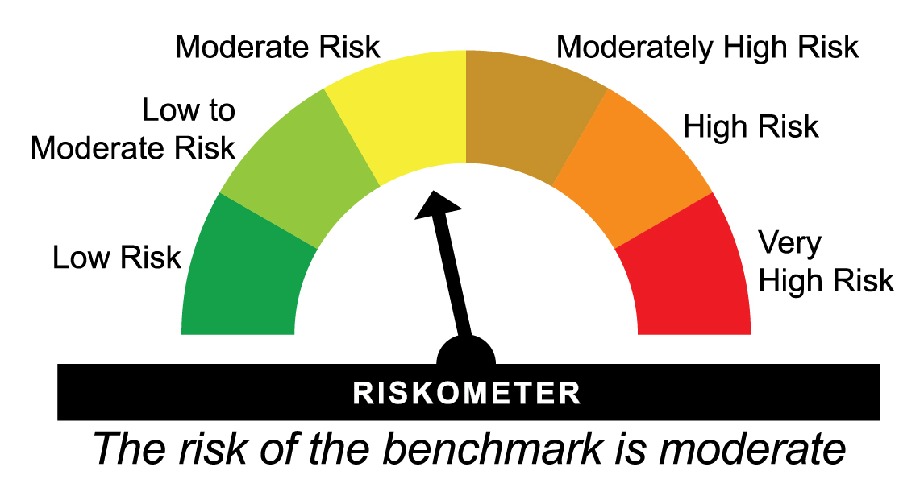
 |  |  |  |  |  | Scheme (₹) | Benchmark #(₹) | Additional Benchmark ##(₹)

31-07-2025 | Last 1 Year | 61.642 | 6.59 | 3.92 | 2.27 | 10,659 | 10,392 | 10,227
31-07-2023 | Last 3 Years | 52.128 | 8.01 | 6.92 | 6.78 | 12,604 | 12,225 | 12,176
30-07-2021 | Last 5 Years | 46.956 | 6.94 | 5.74 | 5.34 | 13,992 | 13,222 | 12,971
29-07-2016 | Last 10 Years | 31.416 | 7.65 | 6.91 | 5.92 | 20,914 | 19,523 | 17,781
01-01-2013 | Since Inception | 22.679 | 8.14 | 7.57 | 6.41 | 28,971 | 26,961 | 23,258
^Past performance may or may not be sustained in future and is not a guarantee of any future returns. # Nifty Medium Duration Debt Index A-III ## CRISIL 10 year Gilt Index
Returns greater than 1 year period are compounded annualized (CAGR).
Different plans viz. Regular Plan and Direct Plan have a different expense structure. The expenses of the Direct Plan under the Scheme will be lower to the extent of the distribution expenses / commission charged in the Regular Plan
Load is not taken into consideration for computation of performance.
The scheme is managed by Bhavyesh Divecha (since March 01, 2025), Praveen Jain (since March 07, 2026) & Anil Bamboli (since March 07, 2026)
For performance of other schemes managed by Bhavyesh Divecha, Praveen Jain & Anil Bamboli, please click here.
The above returns are for Direct Plan - Growth Option. Returns are as on July 31, 2026.

HDFCUSTF - HDFC Ultra Short Term Fund - Regular Plan - Growth |  |  |  |  |  | NAV as at July 31, 2026 |  | 16.1532 | Scheme Riskometer | moderate
Date | Period | NAV per Unit (₹) | Scheme Returns (%)^ | Benchmark Returns(%)# | Additional Benchmark Returns ##(%) | Value of Investment of ₹ 10000@
 |  |  |  |  |  | Scheme (₹) | Benchmark #(₹) | Additional Benchmark ##(₹) | 

31-07-2025 | Last 1 Year | 15.248 | 5.94 | 6.30 | 4.21 | 10,594 | 10,630 | 10,421
31-07-2023 | Last 3 Years | 13.230 | 6.87 | 7.11 | 6.32 | 12,209 | 12,289 | 12,019
30-07-2021 | Last 5 Years | 11.997 | 6.12 | 6.45 | 5.67 | 13,465 | 13,672 | 13,179
25-09-2018 | Since Inception | 10.000 | 6.30 | 6.45 | 5.96 | 16,153 | 16,338 | 15,753
^Past performance may or may not be sustained in future and is not a guarantee of any future returns. # CRISIL Ultra Short Duration Debt A-I Index ## CRISIL 1 year T-Bill Index
Returns greater than 1 year period are compounded annualized (CAGR).
Different plans viz. Regular Plan and Direct Plan have a different expense structure. The expenses of the Direct Plan under the Scheme will be lower to the extent of the distribution expenses / commission charged in the Regular Plan.
Since Inception Date = Date of First allotment in the Scheme / Plan. Load is not taken into consideration for computation of performance.
The scheme is managed by Anil Bamboli (since September 25, 2018) & Praveen Jain (since August 31, 2024).
For performance of other schemes managed by Anil Bamboli & Praveen Jain, please click here.
The above returns are for Regular Plan - Growth Option. Returns are as on July 31, 2026.

HDFCUSTF - HDFC Ultra Short Term Fund - Direct Plan - Growth |  |  |  |  |  | NAV as at July 31, 2026 |  | 16.5632 | Benchmark Riskometer | low to moderate
Date | Period | NAV per Unit (₹) | Scheme Returns (%)^ | Benchmark Returns(%)# | Additional Benchmark Returns ##(%) | Value of Investment of ₹ 10000@ |  |  | 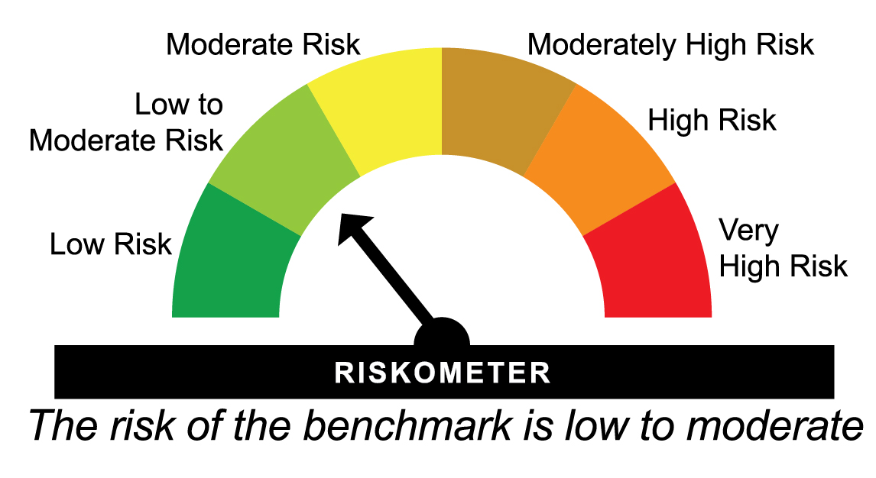
 |  |  |  |  |  | Scheme (₹) | Benchmark #(₹) | Additional Benchmark ##(₹)

31-07-2025 | Last 1 Year | 15.582 | 6.30 | 6.30 | 4.21 | 10,630 | 10,630 | 10,421
31-07-2023 | Last 3 Years | 13.434 | 7.22 | 7.11 | 6.32 | 12,329 | 12,289 | 12,019
30-07-2021 | Last 5 Years | 12.104 | 6.47 | 6.45 | 5.67 | 13,684 | 13,672 | 13,179
25-09-2018 | Since Inception | 10.000 | 6.64 | 6.45 | 5.96 | 16,563 | 16,338 | 15,753
^Past performance may or may not be sustained in future and is not a guarantee of any future returns. # CRISIL Ultra Short Duration Debt A-I Index ## CRISIL 1 year T-Bill Index
Returns greater than 1 year period are compounded annualized (CAGR).
Different plans viz. Regular Plan and Direct Plan have a different expense structure. The expenses of the Direct Plan under the Scheme will be lower to the extent of the distribution expenses / commission charged in the Regular Plan.
Load is not taken into consideration for computation of performance.
The scheme is managed by Anil Bamboli (since September 25, 2018) & Praveen Jain (since August 31, 2024).
For performance of other schemes managed by Anil Bamboli & Praveen Jain, please click here.
The above returns are for Direct Plan - Growth Option. Returns are as on July 31, 2026.

HDFCHI - HDFC Dynamic Debt Fund - Regular Plan - Growth |  |  |  |  |  | NAV as at July 31, 2026 |  | 93.1269 | Scheme Riskometer | moderately high
Date | Period | NAV per Unit (₹) | Scheme Returns (%)^ | Benchmark Returns(%)# | Additional Benchmark Returns ##(%) | Value of Investment of ₹ 10000@
 |  |  |  |  |  | Scheme (₹) | Benchmark #(₹) | Additional Benchmark ##(₹)

31-07-2025 | Last 1 Year | 89.929 | 3.56 | 3.63 | 2.27 | 10,356 | 10,363 | 10,227
31-07-2023 | Last 3 Years | 77.432 | 6.34 | 6.83 | 6.78 | 12,027 | 12,193 | 12,176
30-07-2021 | Last 5 Years | 72.383 | 5.16 | 5.84 | 5.34 | 12,866 | 13,285 | 12,971
29-07-2016 | Last 10 Years | 54.097 | 5.58 | 6.87 | 5.92 | 17,215 | 19,443 | 17,781
28-04-1997 | Since Inception | 10.000 | 7.92 | NA | NA | 93,127 | NA | NA
^Past performance may or may not be sustained in future and is not a guarantee of any future returns. # Nifty Composite Debt Index A-III ## CRISIL 10 year Gilt Index
Returns greater than 1 year period are compounded annualized (CAGR). N.A. Not Available.
Different plans viz. Regular Plan and Direct Plan have a different expense structure. The expenses of the Direct Plan under the Scheme will be lower to the extent of the distribution expenses / commission charged in the Regular Plan.
Since Inception Date = Date of First allotment in the Scheme / Plan. Load is not taken into consideration for computation of performance.
The scheme is managed by Anil Bamboli (since February 16, 2004).
For performance of other schemes managed by Anil Bamboli, please click here.
The above returns are for Regular Plan - Growth Option. Returns are as on July 31, 2026.

HDFCHI - HDFC Dynamic Debt Fund - Direct Plan - Growth |  |  |  |  |  | NAV as at July 31, 2026 |  | 103.551 | Benchmark Riskometer | moderate
Date | Period | NAV per Unit (₹) | Scheme Returns (%)^ | Benchmark Returns(%)# | Additional Benchmark Returns ##(%) | Value of Investment of ₹ 10000@
 |  |  |  |  |  | Scheme (₹) | Benchmark #(₹) | Additional Benchmark ##(₹)

31-07-2025 | Last 1 Year | 99.324 | 4.26 | 3.63 | 2.27 | 10,426 | 10,363 | 10,227
31-07-2023 | Last 3 Years | 84.293 | 7.09 | 6.83 | 6.78 | 12,285 | 12,193 | 12,176
30-07-2021 | Last 5 Years | 76.975 | 6.10 | 5.84 | 5.34 | 13,453 | 13,285 | 12,971
29-07-2016 | Last 10 Years | 55.737 | 6.38 | 6.87 | 5.92 | 18,578 | 19,443 | 17,781
01-01-2013 | Since Inception | 38.472 | 7.56 | 7.44 | 6.41 | 26,916 | 26,506 | 23,258
^Past performance may or may not be sustained in future and is not a guarantee of any future returns. # Nifty Composite Debt Index A-III ## CRISIL 10 year Gilt Index
Returns greater than 1 year period are compounded annualized (CAGR).
Different plans viz. Regular Plan and Direct Plan have a different expense structure. The expenses of the Direct Plan under the Scheme will be lower to the extent of the distribution expenses / commission charged in the Regular Plan.
Load is not taken into consideration for computation of performance.
The scheme is managed by Anil Bamboli (since February 16, 2004).
For performance of other schemes managed by Anil Bamboli, please click here.
The above returns are for Direct Plan - Growth Option. Returns are as on July 31, 2026.

HDFCSO - HDFC Short Term Debt Fund - Regular Plan - Growth |  |  |  |  |  | NAV as at July 31, 2026 |  | 34.0951 | Scheme Riskometer | moderate
Date | Period | NAV per Unit (₹) | Scheme Returns (%)^ | Benchmark Returns(%)# | Additional Benchmark Returns ##(%) | Value of Investment of ₹ 10000@
 |  |  |  |  |  | Scheme (₹) | Benchmark #(₹) | Additional Benchmark ##(₹)

31-07-2025 | Last 1 Year | 32.323 | 5.48 | 5.56 | 2.27 | 10,548 | 10,556 | 10,227
31-07-2023 | Last 3 Years | 27.530 | 7.38 | 7.28 | 6.78 | 12,385 | 12,348 | 12,176
30-07-2021 | Last 5 Years | 25.076 | 6.33 | 6.24 | 5.34 | 13,597 | 13,540 | 12,971
29-07-2016 | Last 10 Years | 17.075 | 7.15 | 6.93 | 5.92 | 19,968 | 19,558 | 17,781
25-06-2010 | Since Inception | 10.000 | 7.91 | 7.55 | 6.34 | 34,095 | 32,315 | 26,929
^Past performance may or may not be sustained in future and is not a guarantee of any future returns. # CRISIL Short Duration Debt A-II Index ## CRISIL 10 year Gilt Index
Returns greater than 1 year period are compounded annualized (CAGR).
Different plans viz. Regular Plan and Direct Plan have a different expense structure. The expenses of the Direct Plan under the Scheme will be lower to the extent of the distribution expenses / commission charged in the Regular Plan.
Since Inception Date = Date of First allotment in the Scheme / Plan. Load is not taken into consideration for computation of performance.
The scheme is managed by Anil Bamboli (since June 25, 2010).
For performance of other schemes managed by Anil Bamboli, please click here.
The above returns are for Regular Plan - Growth Option. Returns are as on July 31, 2026.

HDFCSO - HDFC Short Term Debt Fund - Direct Plan - Growth |  |  |  |  |  | NAV as at July 31, 2026 |  | 35.3099 | Benchmark Riskometer | low to moderate
Date | Period | NAV per Unit (₹) | Scheme Returns (%)^ | Benchmark Returns(%)# | Additional Benchmark Returns ##(%) | Value of Investment of ₹ 10000@
 |  |  |  |  |  | Scheme (₹) | Benchmark #(₹) | Additional Benchmark ##(₹)

31-07-2025 | Last 1 Year | 33.368 | 5.82 | 5.56 | 2.27 | 10,582 | 10,556 | 10,227
31-07-2023 | Last 3 Years | 28.259 | 7.70 | 7.28 | 6.78 | 12,495 | 12,348 | 12,176
30-07-2021 | Last 5 Years | 25.507 | 6.71 | 6.24 | 5.34 | 13,843 | 13,540 | 12,971
29-07-2016 | Last 10 Years | 17.165 | 7.47 | 6.93 | 5.92 | 20,571 | 19,558 | 17,781
01-01-2013 | Since Inception | 12.448 | 7.98 | 7.55 | 6.41 | 28,367 | 26,867 | 23,258
^Past performance may or may not be sustained in future and is not a guarantee of any future returns. # CRISIL Short Duration Debt A-II Index ## CRISIL 10 year Gilt Index
Returns greater than 1 year period are compounded annualized (CAGR).
Different plans viz. Regular Plan and Direct Plan have a different expense structure. The expenses of the Direct Plan under the Scheme will be lower to the extent of the distribution expenses / commission charged in the Regular Plan.
Load is not taken into consideration for computation of performance.
The scheme is managed by Anil Bamboli (since June 25, 2010).
For performance of other schemes managed by Anil Bamboli, please click here.
The above returns are for Direct Plan - Growth Option. Returns are as on July 31, 2026.

HDFCLT - HDFC Gilt Fund - Regular Plan - Growth |  |  |  |  |  | NAV as at July 31, 2026 |  | 57.2809 | Scheme Riskometer | moderate
Date | Period | NAV per Unit (₹) | Scheme Returns (%)^ | Benchmark Returns(%)# | Additional Benchmark Returns ##(%) | Value of Investment of ₹ 10000@
 |  |  |  |  |  | Scheme (₹) | Benchmark #(₹) | Additional Benchmark ##(₹)

31-07-2025 | Last 1 Year | 55.663 | 2.91 | 2.83 | 2.27 | 10,291 | 10,283 | 10,227
31-07-2023 | Last 3 Years | 47.573 | 6.38 | 6.97 | 6.78 | 12,041 | 12,243 | 12,176
30-07-2021 | Last 5 Years | 43.992 | 5.41 | 6.09 | 5.34 | 13,021 | 13,446 | 12,971
29-07-2016 | Last 10 Years | 32.413 | 5.85 | 6.84 | 5.92 | 17,672 | 19,387 | 17,781
25-07-2001 | Since Inception | 10.000 | 7.22 | NA | NA | 57,281 | NA | NA
^Past performance may or may not be sustained in future and is not a guarantee of any future returns. # NIFTY All Duration G-Sec Index ## CRISIL 10 year Gilt Index
Returns greater than 1 year period are compounded annualized (CAGR). N.A. Not Available.
Different plans viz. Regular Plan and Direct Plan have a different expense structure. The expenses of the Direct Plan under the Scheme will be lower to the extent of the distribution expenses / commission charged in the Regular Plan.
Since Inception Date = Date of First allotment in the Scheme / Plan. Load is not taken into consideration for computation of performance.
The scheme is managed by Anil Bamboli (since September 1, 2007).
For performance of other schemes managed by Anil Bamboli, please click here.
The above returns are for Regular Plan - Growth Option. Returns are as on July 31, 2026.

HDFCLT - HDFC Gilt Fund - Direct Plan - Growth |  |  |  |  |  | NAV as at July 31, 2026 |  | 60.5815 | Benchmark Riskometer | moderate
Date | Period | NAV per Unit (₹) | Scheme Returns (%)^ | Benchmark Returns(%)# | Additional Benchmark Returns ##(%) | Value of Investment of ₹ 10000@
 |  |  |  |  |  | Scheme (₹) | Benchmark #(₹) | Additional Benchmark ##(₹)

31-07-2025 | Last 1 Year | 58.615 | 3.36 | 2.83 | 2.27 | 10,336 | 10,283 | 10,227
31-07-2023 | Last 3 Years | 49.664 | 6.84 | 6.97 | 6.78 | 12,198 | 12,243 | 12,176
30-07-2021 | Last 5 Years | 45.529 | 5.87 | 6.09 | 5.34 | 13,306 | 13,446 | 12,971
29-07-2016 | Last 10 Years | 32.871 | 6.30 | 6.84 | 5.92 | 18,430 | 19,387 | 17,781
01-01-2013 | Since Inception | 22.979 | 7.40 | 7.18 | 6.41 | 26,364 | 25,658 | 23,258
^Past performance may or may not be sustained in future and is not a guarantee of any future returns. # NIFTY All Duration G-Sec Index ## CRISIL 10 year Gilt Index
Returns greater than 1 year period are compounded annualized (CAGR).
Different plans viz. Regular Plan and Direct Plan have a different expense structure. The expenses of the Direct Plan under the Scheme will be lower to the extent of the distribution expenses / commission charged in the Regular Plan.
Load is not taken into consideration for computation of performance.
The scheme is managed by Anil Bamboli (since September 1, 2007).
For performance of other schemes managed by Anil Bamboli, please click here.
The above returns are for Direct Plan - Growth Option. Returns are as on July 31, 2026.

HDFCBNKPSU - HDFC Banking and PSU Debt Fund - Regular Plan - Growth |  |  |  |  |  | NAV as at July 31, 2026 |  | 24.3644 | Scheme Riskometer | moderate
Date | Period | NAV per Unit (₹) | Scheme Returns (%)^ | Benchmark Returns(%)# | Additional Benchmark Returns ##(%) | Value of Investment of ₹ 10000@
 |  |  |  |  |  | Scheme (₹) | Benchmark #(₹) | Additional Benchmark ##(₹)

31-07-2025 | Last 1 Year | 23.217 | 4.94 | 4.82 | 2.27 | 10,494 | 10,482 | 10,227
31-07-2023 | Last 3 Years | 19.902 | 6.97 | 6.81 | 6.78 | 12,242 | 12,188 | 12,176
30-07-2021 | Last 5 Years | 18.186 | 6.02 | 5.73 | 5.34 | 13,398 | 13,217 | 12,971
29-07-2016 | Last 10 Years | 12.479 | 6.91 | 6.67 | 5.92 | 19,525 | 19,089 | 17,781
26-03-2014 | Since Inception | 10.000 | 7.47 | 7.24 | 6.96 | 24,364 | 23,731 | 22,974
^Past performance may or may not be sustained in future and is not a guarantee of any future returns. # Nifty Banking & PSU Debt Index A-II ## CRISIL 10 year Gilt Index
Returns greater than 1 year period are compounded annualized (CAGR).
Different plans viz. Regular Plan and Direct Plan have a different expense structure. The expenses of the Direct Plan under the Scheme will be lower to the extent of the distribution expenses / commission charged in the Regular Plan.
Since Inception Date = Date of First allotment in the Scheme / Plan. Load is not taken into consideration for computation of performance.
The scheme is managed by Anil Bamboli (since March 26, 2014).
For performance of other schemes managed by Anil Bamboli, please click here.
The above returns are for Regular Plan - Growth Option. Returns are as on July 31, 2026.

HDFCBNKPSU - HDFC Banking and PSU Debt Fund - Direct Plan - Growth |  |  |  |  |  | NAV as at July 31, 2026 |  | 25.4716 | Benchmark Riskometer | low to moderate
Date | Period | NAV per Unit (₹) | Scheme Returns (%)^ | Benchmark Returns(%)# | Additional Benchmark Returns ##(%) | Value of Investment of ₹ 10000@
 |  |  |  |  |  | Scheme (₹) | Benchmark #(₹) | Additional Benchmark ##(₹)

31-07-2025 | Last 1 Year | 24.182 | 5.33 | 4.82 | 2.27 | 10,533 | 10,482 | 10,227
31-07-2023 | Last 3 Years | 20.568 | 7.38 | 6.81 | 6.78 | 12,384 | 12,188 | 12,176
30-07-2021 | Last 5 Years | 18.634 | 6.44 | 5.73 | 5.34 | 13,670 | 13,217 | 12,971
29-07-2016 | Last 10 Years | 12.500 | 7.37 | 6.67 | 5.92 | 20,378 | 19,089 | 17,781
26-03-2014 | Since Inception | 10.000 | 7.86 | 7.24 | 6.96 | 25,472 | 23,731 | 22,974
^Past performance may or may not be sustained in future and is not a guarantee of any future returns. # Nifty Banking & PSU Debt Index A-II ## CRISIL 10 year Gilt Index
Returns greater than 1 year period are compounded annualized (CAGR).
Different plans viz. Regular Plan and Direct Plan have a different expense structure. The expenses of the Direct Plan under the Scheme will be lower to the extent of the distribution expenses / commission charged in the Regular Plan.
Load is not taken into consideration for computation of performance.
The scheme is managed by Anil Bamboli (since March 26, 2014).
For performance of other schemes managed by Anil Bamboli, please click here.
The above returns are for Direct Plan - Growth Option. Returns are as on July 31, 2026.

HDFCCFCNCC50 - HDFC Charity Fund for Cancer Cure - 50% IDCW Donation^ - Regular Plan - Growth |  |  |  |  |  | NAV as at July 31, 2026 |  | 10.139 | Scheme Riskometer | low
Date | Period | NAV per Unit (₹) | Scheme Returns (%)^ | Benchmark Returns(%)# | Additional Benchmark Returns ##(%) | Value of Investment of ₹ 10000@
 |  |  |  |  |  | Scheme (₹) | Benchmark #(₹) | Additional Benchmark ##(₹) | 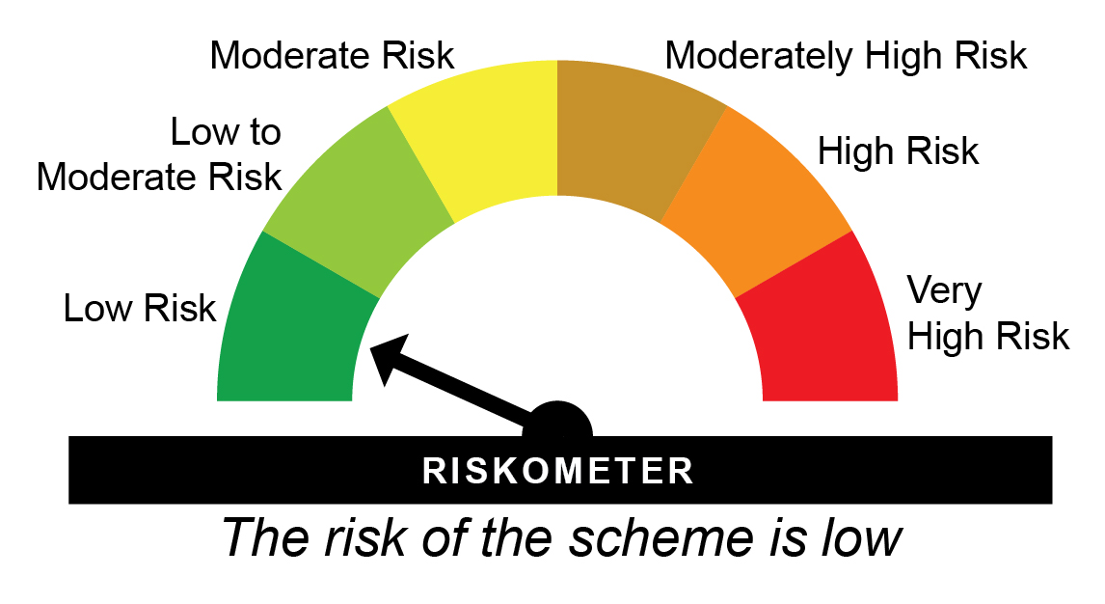

31-07-2025 | Last 1 Year | 10.302 | 4.98 | 3.74 | 2.27 | 10,498 | 10,374 | 10,227
14-08-2023 | Since Inception | 10.000 | 7.08 | 6.73 | 6.86 | 12,247 | 12,130 | 12,172
^Past performance may or may not be sustained in future and is not a guarantee of any future returns. # NIFTY Medium Duration Debt Index ## CRISIL 10 year Gilt Index
$Performance of the fund has been calculated based on the assumption that all dividends during the period have been reinvested in the scheme at the then prevailing NAV.
The expenses of the Direct Plan under the Scheme will be lower to the extent of the distribution expenses / commission charged in the Regular Plan.
Since Inception Date = Date of First allotment in the Scheme / Plan. Load is not taken into consideration for computation of performance.
The scheme is managed by Anil Bamboli (since August 14, 2023).
For performance of other schemes managed by Anil Bamboli, please click here.
The above returns are for IDCW Plan - Growth Option. Returns are as on July 31, 2026.

HDFCCFCNCC50 - HDFC Charity Fund for Cancer Cure - 50% IDCW Donation^ - Direct Plan - Growth |  |  |  |  |  | NAV as at July 31, 2026 |  | 10.139 | Benchmark Riskometer | moderate
Date | Period | NAV per Unit (₹) | Scheme Returns (%)^ | Benchmark Returns(%)# | Additional Benchmark Returns ##(%) | Value of Investment of ₹ 10000@
 |  |  |  |  |  | Scheme (₹) | Benchmark #(₹) | Additional Benchmark ##(₹)

31-07-2025 | Last 1 Year | 10.302 | 4.98 | 3.74 | 2.27 | 10,498 | 10,374 | 10,227
14-08-2023 | Since Inception | 10.000 | 7.08 | 6.73 | 6.86 | 12,247 | 12,130 | 12,172
^Past performance may or may not be sustained in future and is not a guarantee of any future returns. # NIFTY Medium Duration Debt Index ## CRISIL 10 year Gilt Index
$Performance of the fund has been calculated based on the assumption that all dividends during the period have been reinvested in the scheme at the then prevailing NAV.
The expenses of the Direct Plan under the Scheme will be lower to the extent of the distribution expenses / commission charged in the Regular Plan.
Since Inception Date = Date of First allotment in the Scheme / Plan. Load is not taken into consideration for computation of performance.
The scheme is managed by Anil Bamboli (since August 14, 2023).
For performance of other schemes managed by Anil Bamboli, please click here.
The above returns are for IDCW Plan - Direct Option. Returns are as on July 31, 2026.

HDFCCFCNCC75 - HDFC Charity Fund for Cancer Cure - 75% IDCW Donation^ - Regular Plan - Growth |  |  |  |  |  | NAV as at July 31, 2026 |  | 10.139 | Scheme Riskometer | low
Date | Period | NAV per Unit (₹) | Scheme Returns (%)^ | Benchmark Returns(%)# | Additional Benchmark Returns ##(%) | Value of Investment of ₹ 10000@
 |  |  |  |  |  | Scheme (₹) | Benchmark #(₹) | Additional Benchmark ##(₹)

31-07-2025 | Last 1 Year | 10.302 | 4.98 | 3.74 | 2.27 | 10,498 | 10,374 | 10,227
14-08-2023 | Since Inception | 10.000 | 7.08 | 6.73 | 6.86 | 12,247 | 12,130 | 12,172
^Past performance may or may not be sustained in future and is not a guarantee of any future returns. # NIFTY Medium Duration Debt Index ## CRISIL 10 year Gilt Index
$Performance of the fund has been calculated based on the assumption that all dividends during the period have been reinvested in the scheme at the then prevailing NAV.
The expenses of the Direct Plan under the Scheme will be lower to the extent of the distribution expenses / commission charged in the Regular Plan.
Since Inception Date = Date of First allotment in the Scheme / Plan. Load is not taken into consideration for computation of performance.
The scheme is managed by Anil Bamboli (since August 14, 2023).
For performance of other schemes managed by Anil Bamboli, please click here.
The above returns are for IDCW Plan - Growth Option. Returns are as on July 31, 2026.

HDFCCFCNCC75 - HDFC Charity Fund for Cancer Cure - 75% IDCW Donation^ - Direct Plan - Growth |  |  |  |  |  | NAV as at July 31, 2026 |  | 10.139 | Benchmark Riskometer | moderate
Date | Period | NAV per Unit (₹) | Scheme Returns (%)^ | Benchmark Returns(%)# | Additional Benchmark Returns ##(%) | Value of Investment of ₹ 10000@
 |  |  |  |  |  | Scheme (₹) | Benchmark #(₹) | Additional Benchmark ##(₹)

31-07-2025 | Last 1 Year | 10.302 | 4.98 | 3.74 | 2.27 | 10,498 | 10,374 | 10,227
14-08-2023 | Since Inception | 10.000 | 7.08 | 6.73 | 6.86 | 12,247 | 12,130 | 12,172
^Past performance may or may not be sustained in future and is not a guarantee of any future returns. # NIFTY Medium Duration Debt Index ## CRISIL 10 year Gilt Index
$Performance of the fund has been calculated based on the assumption that all dividends during the period have been reinvested in the scheme at the then prevailing NAV.
The expenses of the Direct Plan under the Scheme will be lower to the extent of the distribution expenses / commission charged in the Regular Plan.
Since Inception Date = Date of First allotment in the Scheme / Plan. Load is not taken into consideration for computation of performance.
The scheme is managed by Anil Bamboli (since August 14, 2023).
For performance of other schemes managed by Anil Bamboli, please click here.
The above returns are for IDCW Plan - Direct Option. Returns are as on July 31, 2026.

HDFLSP - HDFC Floating Rate Debt Fund - Regular Plan - Growth |  |  |  |  |  | NAV as at July 31, 2026 |  | 53.4285 | Scheme Riskometer | moderate
Date | Period | NAV per Unit (₹) | Scheme Returns (%)^ | Benchmark Returns(%)# | Additional Benchmark Returns ##(%) | Value of Investment of ₹ 10000@
 |  |  |  |  |  | Scheme (₹) | Benchmark #(₹) | Additional Benchmark ##(₹)

31-07-2025 | Last 1 Year | 50.421 | 5.96 | 5.56 | 2.27 | 10,596 | 10,556 | 10,227
31-07-2023 | Last 3 Years | 42.931 | 7.56 | 7.28 | 6.78 | 12,445 | 12,348 | 12,176
30-07-2021 | Last 5 Years | 38.669 | 6.67 | 6.24 | 5.34 | 13,817 | 13,540 | 12,971
29-07-2016 | Last 10 Years | 26.851 | 7.11 | 6.93 | 5.92 | 19,898 | 19,558 | 17,781
23-10-2007 | Since Inception | 13.182 | 7.74 | 7.54 | 6.42 | 40,531 | 39,141 | 32,153
^Past performance may or may not be sustained in future and is not a guarantee of any future returns. # CRISIL Short Duration Debt A-II Index ## CRISIL 10 year Gilt Index
Since inception returns are calculated on ` 13.1821 ( allotment price)
Returns greater than 1 year period are compounded annualized (CAGR).
Different plans viz. Regular Plan and Direct Plan have a different expense structure. The expenses of the Direct Plan under the Scheme will be lower to the extent of the distribution expenses / commission charged in the Regular Plan
Since Inception Date = Date of First allotment in the Scheme / Plan. Load is not taken into consideration for computation of performance.
The scheme is managed by Anil Bamboli (since March 07, 2026)
For performance of other schemes managed by Anil Bamboli, please click here.
The above returns are for Regular Plan - Growth Option. Returns are as on July 31, 2026.

HDFLSP - HDFC Floating Rate Debt Fund - Direct Plan - Growth |  |  |  |  |  | NAV as at July 31, 2026 |  | 54.6389 | Benchmark Riskometer | low to moderate
Date | Period | NAV per Unit (₹) | Scheme Returns (%)^ | Benchmark Returns(%)# | Additional Benchmark Returns ##(%) | Value of Investment of ₹ 10000@
 |  |  |  |  |  | Scheme (₹) | Benchmark #(₹) | Additional Benchmark ##(₹)

31-07-2025 | Last 1 Year | 51.443 | 6.21 | 5.56 | 2.27 | 10,621 | 10,556 | 10,227
31-07-2023 | Last 3 Years | 43.598 | 7.81 | 7.28 | 6.78 | 12,532 | 12,348 | 12,176
30-07-2021 | Last 5 Years | 39.088 | 6.92 | 6.24 | 5.34 | 13,978 | 13,540 | 12,971
29-07-2016 | Last 10 Years | 26.918 | 7.33 | 6.93 | 5.92 | 20,298 | 19,558 | 17,781
01-01-2013 | Since Inception | 19.630 | 7.83 | 7.55 | 6.41 | 27,834 | 26,867 | 23,258
^Past performance may or may not be sustained in future and is not a guarantee of any future returns. # CRISIL Short Duration Debt A-II Index ## CRISIL 10 year Gilt Index
Returns greater than 1 year period are compounded annualized (CAGR).
Different plans viz. Regular Plan and Direct Plan have a different expense structure. The expenses of the Direct Plan under the Scheme will be lower to the extent of the distribution expenses / commission charged in the Regular Plan
Load is not taken into consideration for computation of performance.
The scheme is managed by Anil Bamboli (since March 07, 2026).
For performance of other schemes managed by Anil Bamboli, please click here.
The above returns are for Direct Plan - Growth Option. Returns are as on July 31, 2026.

HDFCIN - HDFC Income Fund - Regular Plan - Growth |  |  |  |  |  | NAV as at July 31, 2026 |  | 60.6054 | Scheme Riskometer | moderate
Date | Period | NAV per Unit (₹) | Scheme Returns (%)^ | Benchmark Returns(%)# | Additional Benchmark Returns ##(%) | Value of Investment of ₹ 10000@
 |  |  |  |  |  | Scheme (₹) | Benchmark #(₹) | Additional Benchmark ##(₹)

31-07-2025 | Last 1 Year | 58.514 | 3.57 | 4.41 | 2.27 | 10,357 | 10,441 | 10,227
31-07-2023 | Last 3 Years | 50.090 | 6.55 | 7.18 | 6.78 | 12,099 | 12,313 | 12,176
30-07-2021 | Last 5 Years | 47.132 | 5.15 | 6.06 | 5.34 | 12,859 | 13,425 | 12,971
29-07-2016 | Last 10 Years | 35.980 | 5.35 | 7.13 | 5.92 | 16,844 | 19,933 | 17,781
11-09-2000 | Since Inception | 10.000 | 7.20 | 8.60 | NA | 60,605 | 84,776 | NA
^Past performance may or may not be sustained in future and is not a guarantee of any future returns. # CRISIL Medium To Long Duration Debt A-III Index ## CRISIL 10 year Gilt Index
Returns greater than 1 year period are compounded annualized (CAGR). N.A. Not Available.
Different plans viz. Regular Plan and Direct Plan have a different expense structure. The expenses of the Direct Plan under the Scheme will be lower to the extent of the distribution expenses / commission charged in the Regular Plan
Since Inception Date = Date of First allotment in the Scheme / Plan. Load is not taken into consideration for computation of performance.
The scheme is managed by Anupam Joshi (since March 07, 2026).
For performance of other schemes managed by Anupam Joshi, please click here.
The above returns are for Regular Plan - Growth Option. Returns are as on July 31, 2026.

HDFCIN - HDFC Income Fund - Direct Plan - Growth |  |  |  |  |  | NAV as at July 31, 2026 |  | 67.4754 | Benchmark Riskometer | moderate
Date | Period | NAV per Unit (₹) | Scheme Returns (%)^ | Benchmark Returns(%)# | Additional Benchmark Returns ##(%) | Value of Investment of ₹ 10000@
 |  |  |  |  |  | Scheme (₹) | Benchmark #(₹) | Additional Benchmark ##(₹)

31-07-2025 | Last 1 Year | 64.757 | 4.20 | 4.41 | 2.27 | 10,420 | 10,441 | 10,227
31-07-2023 | Last 3 Years | 54.884 | 7.12 | 7.18 | 6.78 | 12,294 | 12,313 | 12,176
30-07-2021 | Last 5 Years | 50.158 | 6.10 | 6.06 | 5.34 | 13,452 | 13,425 | 12,971
29-07-2016 | Last 10 Years | 37.124 | 6.15 | 7.13 | 5.92 | 18,176 | 19,933 | 17,781
01-01-2013 | Since Inception | 26.472 | 7.13 | 7.74 | 6.41 | 25,490 | 27,521 | 23,258
^Past performance may or may not be sustained in future and is not a guarantee of any future returns. # CRISIL Medium To Long Duration Debt A-III Index ## CRISIL 10 year Gilt Index
Returns greater than 1 year period are compounded annualized (CAGR).
Different plans viz. Regular Plan and Direct Plan have a different expense structure. The expenses of the Direct Plan under the Scheme will be lower to the extent of the distribution expenses / commission charged in the Regular Plan
Load is not taken into consideration for computation of performance.
The scheme is managed by Anupam Joshi (since March 07, 2026).
For performance of other schemes managed by Anupam Joshi, please click here.
The above returns are for Direct Plan - Growth Option. Returns are as on July 31, 2026.

HDFCMO - HDFC Corporate Bond Fund - Regular Plan - Growth |  |  |  |  |  | NAV as at July 31, 2026 |  | 34.4107 | Scheme Riskometer | moderate
Date | Period | NAV per Unit (₹) | Scheme Returns (%)^ | Benchmark Returns(%)# | Additional Benchmark Returns ##(%) | Value of Investment of ₹ 10000@
 |  |  |  |  |  | Scheme (₹) | Benchmark #(₹) | Additional Benchmark ##(₹)

31-07-2025 | Last 1 Year | 32.857 | 4.73 | 4.37 | 2.27 | 10,473 | 10,437 | 10,227
31-07-2023 | Last 3 Years | 27.959 | 7.16 | 6.63 | 6.78 | 12,308 | 12,127 | 12,176
30-07-2021 | Last 5 Years | 25.445 | 6.22 | 5.75 | 5.34 | 13,524 | 13,231 | 12,971
29-07-2016 | Last 10 Years | 17.154 | 7.20 | 6.79 | 5.92 | 20,060 | 19,294 | 17,781
29-06-2010 | Since Inception | 10.000 | 7.98 | 7.54 | 6.30 | 34,411 | 32,210 | 26,759
^Past performance may or may not be sustained in future and is not a guarantee of any future returns. # Nifty Corporate Bond Index A-II ## CRISIL 10 year Gilt Index
Returns greater than 1 year period are compounded annualized (CAGR)
Different plans viz. Regular Plan and Direct Plan have a different expense structure. The expenses of the Direct Plan under the Scheme will be lower to the extent of the distribution expenses / commission charged in the Regular Plan.
Since Inception Date = Date of First allotment in the Scheme / Plan. Load is not taken into consideration for computation of performance.
The scheme is managed by Anupam Joshi (since October 27, 2015).
For performance of other schemes managed by Anupam Joshi, please click here.
Note: Effective close of business hours of May 8, 2018, HDFC Medium Term Opportunities Fund (HMTOF) underwent changes in Fundamental Attributes and was renamed as HDFC Corporate Bond Fund (HCBF) and HDFC Floating Rate Income Fund – Long Term Plan and HDFC Gilt Fund – Short Term Plan were merged therein. As the portfolio structuring of HCBF closely resembles the erstwhile HMTOF, the past performance of HMTOF is provided, in line with SEBI circular on Performance disclosure post consolidation/ merger of scheme dated April 12, 2018.
The above returns are for Regular Plan - Growth Option. Returns are as on July 31, 2026.

HDFCMO - HDFC Corporate Bond Fund - Direct Plan - Growth |  |  |  |  |  | NAV as at July 31, 2026 |  | 35.2582 | Benchmark Riskometer | moderate
Date | Period | NAV per Unit (₹) | Scheme Returns (%)^ | Benchmark Returns(%)# | Additional Benchmark Returns ##(%) | Value of Investment of ₹ 10000@
 |  |  |  |  |  | Scheme (₹) | Benchmark #(₹) | Additional Benchmark ##(₹)

31-07-2025 | Last 1 Year | 33.581 | 4.99 | 4.37 | 2.27 | 10,499 | 10,437 | 10,227
31-07-2023 | Last 3 Years | 28.437 | 7.42 | 6.63 | 6.78 | 12,399 | 12,127 | 12,176
30-07-2021 | Last 5 Years | 25.732 | 6.49 | 5.75 | 5.34 | 13,702 | 13,231 | 12,971
29-07-2016 | Last 10 Years | 17.212 | 7.43 | 6.79 | 5.92 | 20,485 | 19,294 | 17,781
01-01-2013 | Since Inception | 12.450 | 7.96 | 7.38 | 6.41 | 28,319 | 26,300 | 23,258
^Past performance may or may not be sustained in future and is not a guarantee of any future returns. # Nifty Corporate Bond Index A-II ## CRISIL 10 year Gilt Index
Returns greater than 1 year period are compounded annualized (CAGR)
Different plans viz. Regular Plan and Direct Plan have a different expense structure. The expenses of the Direct Plan under the Scheme will be lower to the extent of the distribution expenses / commission charged in the Regular Plan.
Load is not taken into consideration for computation of performance.
The scheme is managed by Anupam Joshi (since October 27, 2015).
For performance of other schemes managed by Anupam Joshi, please click here.
The above returns are for Direct Plan - Growth Option. Returns are as on July 31, 2026.

HDFCLONGDF - HDFC Long Duration Debt Fund - Regular Plan - Growth |  |  |  |  |  | NAV as at July 31, 2026 |  | 12.4426 | Scheme Riskometer | moderate
Date | Period | NAV per Unit (₹) | Scheme Returns (%)^ | Benchmark Returns(%)# | Additional Benchmark Returns ##(%) | Value of Investment of ₹ 10000@
 |  |  |  |  |  | Scheme (₹) | Benchmark #(₹) | Additional Benchmark ##(₹)

31-07-2025 | Last 1 Year | 12.260 | 1.49 | 0.80 | 2.27 | 10,149 | 10,080 | 10,227
31-07-2023 | Last 3 Years | 10.398 | 6.16 | 5.65 | 6.78 | 11,966 | 11,794 | 12,176
20-01-2023 | Since Inception | 10.000 | 6.39 | 6.13 | 7.19 | 12,443 | 12,334 | 12,776
^Past performance may or may not be sustained in future and is not a guarantee of any future returns. # Nifty Long Duration Debt Index - A-III ## CRISIL 10 year Gilt Index
Returns greater than 1 year period are compounded annualized (CAGR).
Different plans viz. Regular Plan and Direct Plan have a different expense structure. The expenses of the Direct Plan under the Scheme will be lower to the extent of the distribution expenses / commission charged in the Regular Plan
Since Inception Date = Date of First allotment in the Scheme / Plan. Load is not taken into consideration for computation of performance.
The scheme is managed by Anupam Joshi (since March 07, 2026).
For performance of other schemes managed by Anupam Joshi, please click here.
The above returns are for Regular Plan - Growth Option. Returns are as on July 31, 2026.

HDFCLONGDF - HDFC Long Duration Debt Fund - Direct Plan - Growth |  |  |  |  |  | NAV as at July 31, 2026 |  | 12.596 | Benchmark Riskometer | moderate
Date | Period | NAV per Unit (₹) | Scheme Returns (%)^ | Benchmark Returns(%)# | Additional Benchmark Returns ##(%) | Value of Investment of ₹ 10000@
 |  |  |  |  |  | Scheme (₹) | Benchmark #(₹) | Additional Benchmark ##(₹)

31-07-2025 | Last 1 Year | 12.370 | 1.83 | 0.80 | 2.27 | 10,183 | 10,080 | 10,227
31-07-2023 | Last 3 Years | 10.419 | 6.52 | 5.65 | 6.78 | 12,090 | 11,794 | 12,176
20-01-2023 | Since Inception | 10.000 | 6.76 | 6.13 | 7.19 | 12,596 | 12,334 | 12,776
^Past performance may or may not be sustained in future and is not a guarantee of any future returns. # Nifty Long Duration Debt Index - A-III ## CRISIL 10 year Gilt Index
Returns greater than 1 year period are compounded annualized (CAGR).
Different plans viz. Regular Plan and Direct Plan have a different expense structure. The expenses of the Direct Plan under the Scheme will be lower to the extent of the distribution expenses / commission charged in the Regular Plan
Load is not taken into consideration for computation of performance.
The scheme is managed by Anupam Joshi (since March 07, 2026).
For performance of other schemes managed by Anupam Joshi, please click here.
The above returns are for Direct Plan - Growth Option. Returns are as on July 31, 2026.


MAR1861D22 - HDFC FMP 1861D March 2022 (46) - Regular Plan - Growth |  |  |  |  |  | NAV as at July 31, 2026 |  | 13.2038 | Scheme Riskometer | low to moderate
Date | Period | NAV per Unit (₹) | Scheme Returns (%)^ | Benchmark Returns(%)# | Additional Benchmark Returns ##(%) | Value of Investment of ₹ 10000@
 |  |  |  |  |  | Scheme (₹) | Benchmark #(₹) | Additional Benchmark ##(₹)

31-07-2025 | Last 1 Year | 12.475 | 5.84 | 1.16 | 2.27 | 10,584 | 10,116 | 10,227
31-07-2023 | Last 3 Years | 10.648 | 7.43 | 5.94 | 6.78 | 12,400 | 11,893 | 12,176
09-03-2022 | Since Inception | 10.000 | 6.52 | 5.70 | 6.31 | 13,204 | 12,761 | 13,089
^Past performance may or may not be sustained in future and is not a guarantee of any future returns. # NIFTY Medium To Long Duration Debt Index ## CRISIL 10 year Gilt Index
Returns greater than 1 year period are compounded annualized (CAGR).
Different plans viz. Regular Plan and Direct Plan have a different expense structure. The expenses of the Direct Plan under the Scheme will be lower to the extent of the distribution expenses / commission charged in the Regular Plan
Since Inception Date = Date of First allotment in the Scheme / Plan. Load is not taken into consideration for computation of performance.
The scheme is managed by Anupam Joshi (since August 31, 2024)
For performance of other schemes managed by Anupam Joshi, please click here.
The above returns are for Regular Plan - Growth Option. Returns are as on July 31, 2026.

MAR1861D22 - HDFC FMP 1861D March 2022 (46) - Direct Plan - Growth |  |  |  |  |  | NAV as at July 31, 2026 |  | 13.2993 | Benchmark Riskometer | moderate
Date | Period | NAV per Unit (₹) | Scheme Returns (%)^ | Benchmark Returns(%)# | Additional Benchmark Returns ##(%) | Value of Investment of ₹ 10000@
 |  |  |  |  |  | Scheme (₹) | Benchmark #(₹) | Additional Benchmark ##(₹)

31-07-2025 | Last 1 Year | 12.546 | 6.01 | 1.16 | 2.27 | 10,601 | 10,116 | 10,227
31-07-2023 | Last 3 Years | 10.674 | 7.60 | 5.94 | 6.78 | 12,459 | 11,893 | 12,176
09-03-2022 | Since Inception | 10.000 | 6.70 | 5.70 | 6.31 | 13,299 | 12,761 | 13,089
^Past performance may or may not be sustained in future and is not a guarantee of any future returns. # NIFTY Medium To Long Duration Debt Index ## CRISIL 10 year Gilt Index
Returns greater than 1 year period are compounded annualized (CAGR).
Different plans viz. Regular Plan and Direct Plan have a different expense structure. The expenses of the Direct Plan under the Scheme will be lower to the extent of the distribution expenses / commission charged in the Regular Plan
Load is not taken into consideration for computation of performance.
The scheme is managed by Anupam Joshi (since August 31, 2024)
For performance of other schemes managed by Anupam Joshi, please click here.
The above returns are for Direct Plan - Growth Option. Returns are as on July 31, 2026.

MAR1876D22 - HDFC FMP 1876D March 2022 (46) - Regular Plan - Growth |  |  |  |  |  | NAV as at July 31, 2026 |  | 13.1672 | Scheme Riskometer | low to moderate
Date | Period | NAV per Unit (₹) | Scheme Returns (%)^ | Benchmark Returns(%)# | Additional Benchmark Returns ##(%) | Value of Investment of ₹ 10000@
 |  |  |  |  |  | Scheme (₹) | Benchmark #(₹) | Additional Benchmark ##(₹)

31-07-2025 | Last 1 Year | 12.443 | 5.82 | 1.16 | 2.27 | 10,582 | 10,116 | 10,227
31-07-2023 | Last 3 Years | 10.613 | 7.45 | 5.94 | 6.78 | 12,407 | 11,893 | 12,176
29-03-2022 | Since Inception | 10.000 | 6.54 | 5.62 | 6.24 | 13,167 | 12,678 | 13,004
^Past performance may or may not be sustained in future and is not a guarantee of any future returns. # NIFTY Medium To Long Duration Debt Index ## CRISIL 10 year Gilt Index
Returns greater than 1 year period are compounded annualized (CAGR).
Different plans viz. Regular Plan and Direct Plan have a different expense structure. The expenses of the Direct Plan under the Scheme will be lower to the extent of the distribution expenses / commission charged in the Regular Plan
Since Inception Date = Date of First allotment in the Scheme / Plan. Load is not taken into consideration for computation of performance.
The scheme is managed by Anupam Joshi (since August 31, 2024)
For performance of other schemes managed by Anupam Joshi, please click here.
The above returns are for Regular Plan - Growth Option. Returns are as on July 31, 2026.

MAR1876D22 - HDFC FMP 1876D March 2022 (46) - Direct Plan - Growth |  |  |  |  |  | NAV as at July 31, 2026 |  | 13.2519 | Benchmark Riskometer | moderate
Date | Period | NAV per Unit (₹) | Scheme Returns (%)^ | Benchmark Returns(%)# | Additional Benchmark Returns ##(%) | Value of Investment of ₹ 10000@
 |  |  |  |  |  | Scheme (₹) | Benchmark #(₹) | Additional Benchmark ##(₹)

31-07-2025 | Last 1 Year | 12.505 | 5.97 | 1.16 | 2.27 | 10,597 | 10,116 | 10,227
31-07-2023 | Last 3 Years | 10.634 | 7.60 | 5.94 | 6.78 | 12,461 | 11,893 | 12,176
29-03-2022 | Since Inception | 10.000 | 6.70 | 5.62 | 6.24 | 13,252 | 12,678 | 13,004
^Past performance may or may not be sustained in future and is not a guarantee of any future returns. # NIFTY Medium To Long Duration Debt Index ## CRISIL 10 year Gilt Index
Returns greater than 1 year period are compounded annualized (CAGR).
Different plans viz. Regular Plan and Direct Plan have a different expense structure. The expenses of the Direct Plan under the Scheme will be lower to the extent of the distribution expenses / commission charged in the Regular Plan
Load is not taken into consideration for computation of performance.
The scheme is managed by Anupam Joshi (since August 31, 2024)
For performance of other schemes managed by Anupam Joshi, please click here.
The above returns are for Direct Plan - Growth Option. Returns are as on July 31, 2026.

FEB2638D23 - HDFC FMP 2638D February 2023 (47) - Regular Plan - Growth |  |  |  |  |  | NAV as at July 31, 2026 |  | 13.0924 | Scheme Riskometer | moderate
Date | Period | NAV per Unit (₹) | Scheme Returns (%)^ | Benchmark Returns(%)# | Additional Benchmark Returns ##(%) | Value of Investment of ₹ 10000@
 |  |  |  |  |  | Scheme (₹) | Benchmark #(₹) | Additional Benchmark ##(₹)

31-07-2025 | Last 1 Year | 12.504 | 4.70 | -0.06 | 2.27 | 10,470 | 9,994 | 10,227
31-07-2023 | Last 3 Years | 10.478 | 7.70 | 5.49 | 6.78 | 12,495 | 11,742 | 12,176
23-02-2023 | Since Inception | 10.000 | 8.16 | 6.03 | 7.26 | 13,092 | 12,227 | 12,724
^Past performance may or may not be sustained in future and is not a guarantee of any future returns. # NIFTY Long Duration Debt Index ## CRISIL 10 year Gilt Index
Returns greater than 1 year period are compounded annualized (CAGR).
Different plans viz. Regular Plan and Direct Plan have a different expense structure. The expenses of the Direct Plan under the Scheme will be lower to the extent of the distribution expenses / commission charged in the Regular Plan
Since Inception Date = Date of First allotment in the Scheme / Plan. Load is not taken into consideration for computation of performance.
The scheme is managed by Anupam Joshi (since August 31, 2024)
For performance of other schemes managed by Anupam Joshi, please click here.
The above returns are for Regular Plan - Growth Option. Returns are as on July 31, 2026.

FEB2638D23 - HDFC FMP 2638D February 2023 (47) - Direct Plan - Growth |  |  |  |  |  | NAV as at July 31, 2026 |  | 13.2068 | Benchmark Riskometer | moderate
Date | Period | NAV per Unit (₹) | Scheme Returns (%)^ | Benchmark Returns(%)# | Additional Benchmark Returns ##(%) | Value of Investment of ₹ 10000@
 |  |  |  |  |  | Scheme (₹) | Benchmark #(₹) | Additional Benchmark ##(₹)

31-07-2025 | Last 1 Year | 12.582 | 4.97 | -0.06 | 2.27 | 10,497 | 9,994 | 10,227
31-07-2023 | Last 3 Years | 10.490 | 7.97 | 5.49 | 6.78 | 12,590 | 11,742 | 12,176
23-02-2023 | Since Inception | 10.000 | 8.43 | 6.03 | 7.26 | 13,207 | 12,227 | 12,724
^Past performance may or may not be sustained in future and is not a guarantee of any future returns. # NIFTY Long Duration Debt Index ## CRISIL 10 year Gilt Index
Returns greater than 1 year period are compounded annualized (CAGR).
Different plans viz. Regular Plan and Direct Plan have a different expense structure. The expenses of the Direct Plan under the Scheme will be lower to the extent of the distribution expenses / commission charged in the Regular Plan
Load is not taken into consideration for computation of performance.
The scheme is managed by Anupam Joshi (since August 31, 2024)
For performance of other schemes managed by Anupam Joshi, please click here.
The above returns are for Direct Plan - Growth Option. Returns are as on July 31, 2026.

MAR1269D23 - HDFC FMP 1269D March 2023 (47) - Regular Plan - Growth |  |  |  |  |  | NAV as at July 31, 2026 |  | 12.5251 | Scheme Riskometer | low
Date | Period | NAV per Unit (₹) | Scheme Returns (%)^ | Benchmark Returns(%)# | Additional Benchmark Returns ##(%) | Value of Investment of ₹ 10000@
 |  |  |  |  |  | Scheme (₹) | Benchmark #(₹) | Additional Benchmark ##(₹)

31-07-2025 | Last 1 Year | 11.889 | 5.35 | 3.74 | 2.27 | 10,535 | 10,374 | 10,227
31-07-2023 | Last 3 Years | 10.235 | 6.96 | 6.70 | 6.78 | 12,238 | 12,149 | 12,176
21-03-2023 | Since Inception | 10.000 | 6.92 | 6.94 | 7.17 | 12,525 | 12,533 | 12,622
^Past performance may or may not be sustained in future and is not a guarantee of any future returns. # NIFTY Medium Duration Debt Index ## CRISIL 10 year Gilt Index
Returns greater than 1 year period are compounded annualized (CAGR).
Different plans viz. Regular Plan and Direct Plan have a different expense structure. The expenses of the Direct Plan under the Scheme will be lower to the extent of the distribution expenses / commission charged in the Regular Plan
Since Inception Date = Date of First allotment in the Scheme / Plan. Load is not taken into consideration for computation of performance.
The scheme is managed by Anupam Joshi (since August 31, 2024)
For performance of other schemes managed by Anupam Joshi, please click here.
The above returns are for Regular Plan - Growth Option. Returns are as on July 31, 2026.

MAR1269D23 - HDFC FMP 1269D March 2023 (47) - Direct Plan - Growth |  |  |  |  |  | NAV as at July 31, 2026 |  | 12.6315 | Benchmark Riskometer | moderate
Date | Period | NAV per Unit (₹) | Scheme Returns (%)^ | Benchmark Returns(%)# | Additional Benchmark Returns ##(%) | Value of Investment of ₹ 10000@
 |  |  |  |  |  | Scheme (₹) | Benchmark #(₹) | Additional Benchmark ##(₹)

31-07-2025 | Last 1 Year | 11.959 | 5.62 | 3.74 | 2.27 | 10,562 | 10,374 | 10,227
31-07-2023 | Last 3 Years | 10.243 | 7.23 | 6.70 | 6.78 | 12,332 | 12,149 | 12,176
21-03-2023 | Since Inception | 10.000 | 7.19 | 6.94 | 7.17 | 12,632 | 12,533 | 12,622
^Past performance may or may not be sustained in future and is not a guarantee of any future returns. # NIFTY Medium Duration Debt Index ## CRISIL 10 year Gilt Index
Returns greater than 1 year period are compounded annualized (CAGR).
Different plans viz. Regular Plan and Direct Plan have a different expense structure. The expenses of the Direct Plan under the Scheme will be lower to the extent of the distribution expenses / commission charged in the Regular Plan
Load is not taken into consideration for computation of performance.
The scheme is managed by Anupam Joshi (since August 31, 2024)
For performance of other schemes managed by Anupam Joshi, please click here.
The above returns are for Direct Plan - Growth Option. Returns are as on July 31, 2026.

HDFCMC - HDFC Overnight Fund - Regular Plan - Growth |  |  |  |  |  | NAV as at July 31, 2026 |  | 4018.2767 | Scheme Riskometer | Low
Date | Period | NAV per Unit (₹) | Scheme Returns (%)^ | Benchmark Returns(%)# | Additional Benchmark Returns ##(%) | Value of Investment of ₹ 10000@
 |  |  |  |  |  | Scheme (₹) | Benchmark #(₹) | Additional Benchmark ##(₹)

24-07-2026 | Last 7 days | 4,014.397 | 5.04 | 5.18 | 5.48 | 10,010 | 10,010 | 10,011
16-07-2026 | Last 15 days | 4,009.924 | 5.07 | 5.17 | 3.48 | 10,021 | 10,021 | 10,014
30-06-2026 | Last 1 Month | 4,001.120 | 5.05 | 5.18 | 3.31 | 10,043 | 10,044 | 10,028
31-07-2025 | Last 1 Year | 3,819.910 | 5.19 | 5.32 | 4.21 | 10,519 | 10,532 | 10,421
31-07-2023 | Last 3 Years | 3,372.821 | 6.00 | 6.15 | 6.32 | 11,914 | 11,964 | 12,019
30-07-2021 | Last 5 Years | 3,071.042 | 5.52 | 5.69 | 5.67 | 13,084 | 13,194 | 13,179
31-07-2016 | Last 10 Years | 2,403.754 | 5.27 | 5.42 | 5.97 | 16,717 | 16,963 | 17,858
06-02-2002 | Since Inception | 1,000.000 | 5.84 | NA | 5.96 | 40,183 | NA | 41,255
^Past performance may or may not be sustained in future and is not a guarantee of any future returns. # CRISIL Liquid Overnight Index ## CRISIL 1 year T-Bill Index
Returns less than 1 year period are simple annualized and greater than 1 year are compounded annualized (CAGR). N.A. Not Available.
Different plans viz. Regular Plan and Direct Plan have a different expense structure. The expenses of the Direct Plan under the Scheme will be lower to the extent of the distribution expenses / commission charged in the Regular Plan.
Since Inception Date = Date of First allotment in the Scheme / Plan. Load is not taken into consideration for computation of performance.
The scheme is managed by Swapnil Jangam (since March 01, 2025) & Rohan Pillai (since October 01, 2025).
For performance of other schemes managed by Swapnil Jangam & Rohan Pillai, please click here.
The above returns are for Regular Plan - Growth Option. Returns are as on July 31, 2026.

HDFCMC - HDFC Overnight Fund - Direct Plan - Growth |  |  |  |  |  | NAV as at July 31, 2026 |  | 4061.2657 | Benchmark Riskometer | Low
Date | Period | NAV per Unit (₹) | Scheme Returns (%)^ | Benchmark Returns(%)# | Additional Benchmark Returns ##(%) | Value of Investment of ₹ 10000@ |  |  | 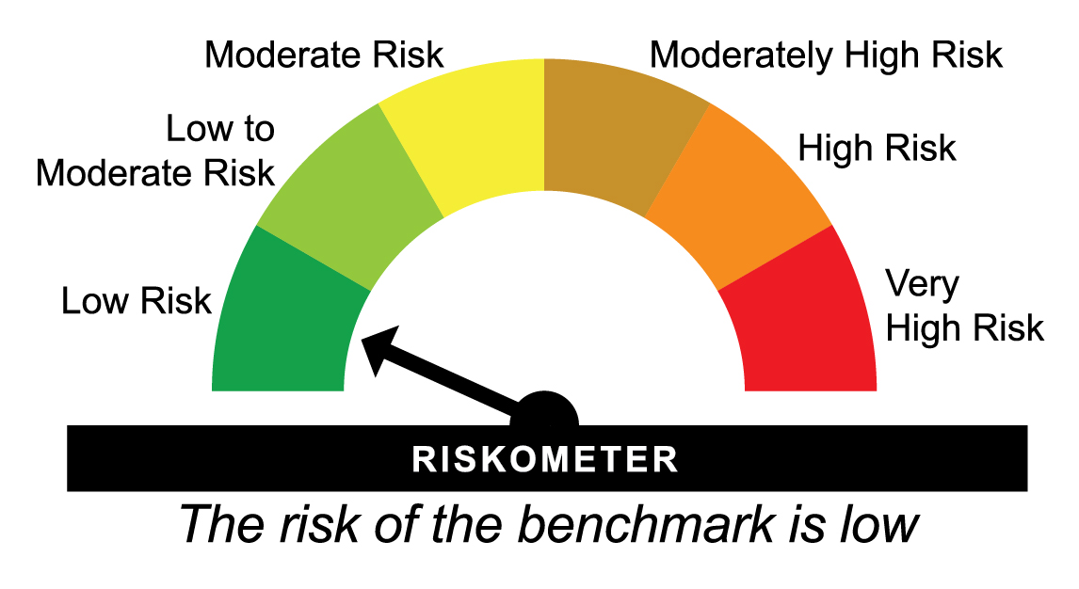
 |  |  |  |  |  | Scheme (₹) | Benchmark #(₹) | Additional Benchmark ##(₹)

24-07-2026 | Last 7 days | 4,057.272 | 5.13 | 5.18 | 5.48 | 10,010 | 10,010 | 10,011
16-07-2026 | Last 15 days | 4,052.668 | 5.16 | 5.17 | 3.48 | 10,021 | 10,021 | 10,014
30-06-2026 | Last 1 Month | 4,043.604 | 5.14 | 5.18 | 3.31 | 10,044 | 10,044 | 10,028
31-07-2025 | Last 1 Year | 3,857.080 | 5.29 | 5.32 | 4.21 | 10,529 | 10,532 | 10,421
31-07-2023 | Last 3 Years | 3,400.432 | 6.09 | 6.15 | 6.32 | 11,943 | 11,964 | 12,019
30-07-2021 | Last 5 Years | 3,089.999 | 5.61 | 5.69 | 5.67 | 13,143 | 13,194 | 13,179
31-07-2016 | Last 10 Years | 2,409.044 | 5.36 | 5.42 | 5.97 | 16,858 | 16,963 | 17,858
31-12-2012 | Since Inception | 1,844.460 | 5.98 | 6.06 | 6.37 | 22,019 | 22,249 | 23,157
^Past performance may or may not be sustained in future and is not a guarantee of any future returns. # CRISIL Liquid Overnight Index ## CRISIL 1 year T-Bill Index
Returns less than 1 year period are simple annualized and greater than 1 year are compounded annualized (CAGR).
Different plans viz. Regular Plan and Direct Plan have a different expense structure. The expenses of the Direct Plan under the Scheme will be lower to the extent of the distribution expenses / commission charged in the Regular Plan.
Load is not taken into consideration for computation of performance.
The scheme is managed by Swapnil Jangam (since March 01, 2025) & Rohan Pillai (since October 01, 2025).
For performance of other schemes managed by Swapnil Jangam & Rohan Pillai, please click here.
The above returns are for Direct Plan - Growth Option. Returns are as on July 31, 2026.

HDFCLI - HDFC Liquid Fund - Regular Plan - Growth |  |  |  |  |  | NAV as at July 31, 2026 |  | 5471.7604 | Scheme Riskometer | low to moderate
Date | Period | NAV per Unit (₹) | Scheme Returns (%)^ | Benchmark Returns(%)# | Additional Benchmark Returns ##(%) | Value of Investment of ₹ 10000@
 |  |  |  |  |  | Scheme (₹) | Benchmark #(₹) | Additional Benchmark ##(₹)

24-07-2026 | Last 7 days | 5,465.389 | 6.08 | 6.10 | 5.48 | 10,012 | 10,012 | 10,011
16-07-2026 | Last 15 days | 5,457.760 | 6.24 | 6.22 | 3.48 | 10,026 | 10,026 | 10,014
30-06-2026 | Last 1 Month | 5,444.554 | 5.88 | 5.88 | 3.31 | 10,050 | 10,050 | 10,028
31-07-2025 | Last 1 Year | 5,148.126 | 6.29 | 6.14 | 4.21 | 10,629 | 10,614 | 10,421
31-07-2023 | Last 3 Years | 4,483.625 | 6.86 | 6.80 | 6.32 | 12,204 | 12,184 | 12,019
31-07-2021 | Last 5 Years | 4,060.194 | 6.15 | 6.19 | 5.67 | 13,477 | 13,506 | 13,177
31-07-2016 | Last 10 Years | 3,061.950 | 5.97 | 6.02 | 5.97 | 17,870 | 17,944 | 17,858
17-10-2000 | Since Inception | 1,000.000 | 6.81 | NA | 6.21 | 54,718 | NA | 47,326
^Past performance may or may not be sustained in future and is not a guarantee of any future returns. # CRISIL Liquid Debt A-I Index ## CRISIL 1 year T-Bill Index
Returns less than 1 year period are simple annualized and greater than 1 year are compounded annualized (CAGR). N.A. Not Available.
Different plans viz. Regular Plan and Direct Plan have a different expense structure. The expenses of the Direct Plan under the Scheme will be lower to the extent of the distribution expenses / commission charged in the Regular Plan.
Since Inception Date = Date of First allotment in the Scheme / Plan. Load is not taken into consideration for computation of performance.
The scheme is managed by Rohan Pillai (since October 01, 2025) & Swapnil Jangam (since October 6, 2022).
For performance of other schemes managed by Rohan Pillai & Swapnil Jangam, please click here.
The above returns are for Regular Plan - Growth Option. Returns are as on July 31, 2026.

HDFCLI - HDFC Liquid Fund - Direct Plan - Growth |  |  |  |  |  | NAV as at July 31, 2026 |  | 5536.3932 | Benchmark Riskometer | low to moderate
Date | Period | NAV per Unit (₹) | Scheme Returns (%)^ | Benchmark Returns(%)# | Additional Benchmark Returns ##(%) | Value of Investment of ₹ 10000@
 |  |  |  |  |  | Scheme (₹) | Benchmark #(₹) | Additional Benchmark ##(₹)

24-07-2026 | Last 7 days | 5,529.821 | 6.20 | 6.10 | 5.48 | 10,012 | 10,012 | 10,011
16-07-2026 | Last 15 days | 5,521.960 | 6.36 | 6.22 | 3.48 | 10,026 | 10,026 | 10,014
30-06-2026 | Last 1 Month | 5,508.367 | 5.99 | 5.88 | 3.31 | 10,051 | 10,050 | 10,028
31-07-2025 | Last 1 Year | 5,204.402 | 6.38 | 6.14 | 4.21 | 10,638 | 10,614 | 10,421
31-07-2023 | Last 3 Years | 4,525.242 | 6.95 | 6.80 | 6.32 | 12,234 | 12,184 | 12,019
31-07-2021 | Last 5 Years | 4,089.688 | 6.24 | 6.19 | 5.67 | 13,537 | 13,506 | 13,177
31-07-2016 | Last 10 Years | 3,068.783 | 6.07 | 6.02 | 5.97 | 18,041 | 17,944 | 17,858
31-12-2012 | Since Inception | 2,265.100 | 6.80 | 6.71 | 6.37 | 24,442 | 24,179 | 23,157
^Past performance may or may not be sustained in future and is not a guarantee of any future returns. # CRISIL Liquid Debt A-I Index ## CRISIL 1 year T-Bill Index
Returns less than 1 year period are simple annualized and greater than 1 year are compounded annualized (CAGR).
Different plans viz. Regular Plan and Direct Plan have a different expense structure. The expenses of the Direct Plan under the Scheme will be lower to the extent of the distribution expenses / commission charged in the Regular Plan.
Load is not taken into consideration for computation of performance.
The scheme is managed by Rohan Pillai (since October 01, 2025) & Swapnil Jangam (since October 6, 2022).
For performance of other schemes managed by Rohan Pillai & Swapnil Jangam, please click here.
The above returns are for Direct Plan - Growth Option. Returns are as on July 31, 2026.

HDFCMS - HDFC Money Market Fund - Regular Plan - Growth |  |  |  |  |  | NAV as at July 31, 2026 |  | 6118.117 | Scheme Riskometer | moderate
Date | Period | NAV per Unit (₹) | Scheme Returns (%)^ | Benchmark Returns(%)# | Additional Benchmark Returns ##(%) | Value of Investment of ₹ 10000@
 |  |  |  |  |  | Scheme (₹) | Benchmark #(₹) | Additional Benchmark ##(₹)

31-07-2025 | Last 1 Year | 5,762.377 | 6.17 | 5.96 | 4.21 | 10,617 | 10,596 | 10,421
31-07-2023 | Last 3 Years | 4,966.095 | 7.19 | 6.92 | 6.32 | 12,320 | 12,225 | 12,019
30-07-2021 | Last 5 Years | 4,476.279 | 6.44 | 6.33 | 5.67 | 13,668 | 13,598 | 13,179
29-07-2016 | Last 10 Years | 3,234.867 | 6.57 | 6.35 | 5.97 | 18,913 | 18,526 | 17,864
18-11-1999 | Since Inception | 1,000.000 | 7.03 | 7.07 | 6.28 | 61,392 | 62,102 | 50,931
^Past performance may or may not be sustained in future and is not a guarantee of any future returns. # CRISIL Money Market A-I Index ## CRISIL 1 year T-Bill Index
Returns greater than 1 year period are compounded annualized (CAGR). N.A. Not Available.
$$ All Distributions declared prior to the splitting of the Scheme into IDCW & Growth Options are assumed to be reinvested in the units of the Scheme at the then prevailing NAV (ex-distribution NAV).
Different plans viz. Regular Plan and Direct Plan have a different expense structure. The expenses of the Direct Plan under the Scheme will be lower to the extent of the distribution expenses / commission charged in the Regular Plan
Since Inception Date = Date of First allotment in the Scheme / Plan. Load is not taken into consideration for computation of performance.
The scheme is managed by Praveen Jain (since August 31, 2024).
For performance of other schemes managed by Praveen Jain, please click here.
The above returns are for Regular Plan - Growth Option. Returns are as on July 31, 2026.

HDFCMS - HDFC Money Market Fund - Direct Plan - Growth |  |  |  |  |  | NAV as at July 31, 2026 |  | 6251.9433 | Benchmark Riskometer | low to moderate
Date | Period | NAV per Unit (₹) | Scheme Returns (%)^ | Benchmark Returns(%)# | Additional Benchmark Returns ##(%) | Value of Investment of ₹ 10000@
 |  |  |  |  |  | Scheme (₹) | Benchmark #(₹) | Additional Benchmark ##(₹)

31-07-2025 | Last 1 Year | 5,877.511 | 6.37 | 5.96 | 4.21 | 10,637 | 10,596 | 10,421
31-07-2023 | Last 3 Years | 5,048.927 | 7.38 | 6.92 | 6.32 | 12,383 | 12,225 | 12,019
30-07-2021 | Last 5 Years | 4,534.398 | 6.63 | 6.33 | 5.67 | 13,788 | 13,598 | 13,179
29-07-2016 | Last 10 Years | 3,246.419 | 6.77 | 6.35 | 5.97 | 19,258 | 18,526 | 17,864
31-12-2012 | Since Inception | 2,399.200 | 7.30 | 6.98 | 6.37 | 26,058 | 25,010 | 23,157
^Past performance may or may not be sustained in future and is not a guarantee of any future returns. # CRISIL Money Market A-I Index ## CRISIL 1 year T-Bill Index.
Returns greater than 1 year period are compounded annualized (CAGR).
Different plans viz. Regular Plan and Direct Plan have a different expense structure. The expenses of the Direct Plan under the Scheme will be lower to the extent of the distribution expenses / commission charged in the Regular Plan
Load is not taken into consideration for computation of performance.
The scheme is managed by Praveen Jain (since August 31, 2024).
For performance of other schemes managed by Praveen Jain, please click here.
The above returns are for Direct Plan - Growth Option. Returns are as on July 31, 2026.

HDFCIG - HDFC Low Duration Fund - Regular Plan - Growth |  |  |  |  |  | NAV as at July 31, 2026 |  | 61.4705 | Scheme Riskometer | moderate
Date | Period | NAV per Unit (₹) | Scheme Returns (%)^ | Benchmark Returns(%)# | Additional Benchmark Returns ##(%) | Value of Investment of ₹ 10000@
 |  |  |  |  |  | Scheme (₹) | Benchmark #(₹) | Additional Benchmark ##(₹)

31-07-2025 | Last 1 Year | 58.184 | 5.65 | 6.14 | 4.21 | 10,565 | 10,614 | 10,421
31-07-2023 | Last 3 Years | 50.359 | 6.87 | 7.09 | 6.32 | 12,207 | 12,285 | 12,019
30-07-2021 | Last 5 Years | 45.736 | 6.08 | 6.24 | 5.67 | 13,440 | 13,536 | 13,179
29-07-2016 | Last 10 Years | 32.682 | 6.51 | 6.49 | 5.97 | 18,809 | 18,771 | 17,864
18-11-1999 | Since Inception | 10.000 | 7.03 | NA | 6.28 | 61,471 | NA | 50,931
^Past performance may or may not be sustained in future and is not a guarantee of any future returns. # Nifty Low Duration Debt Index A-I ## CRISIL 1 year T-Bill Index
Returns greater than 1 year period are compounded annualized (CAGR). N.A. Not Available.
Different plans viz. Regular Plan and Direct Plan have a different expense structure. The expenses of the Direct Plan under the Scheme will be lower to the extent of the distribution expenses / commission charged in the Regular Plan.
Since Inception Date = Date of First allotment in the Scheme / Plan. Load is not taken into consideration for computation of performance.
The scheme is managed by Anupam Joshi (since October 27, 2015) & Praveen Jain (since October 6, 2022).
For performance of other schemes managed by Anupam Joshi & Praveen Jain, please click here.
The above returns are for Regular Plan - Growth Option. Returns are as on July 31, 2026.

HDFCIG - HDFC Low Duration Fund - Direct Plan - Growth |  |  |  |  |  | NAV as at July 31, 2026 |  | 67.0961 | Benchmark Riskometer | low to moderate
Date | Period | NAV per Unit (₹) | Scheme Returns (%)^ | Benchmark Returns(%)# | Additional Benchmark Returns ##(%) | Value of Investment of ₹ 10000@
 |  |  |  |  |  | Scheme (₹) | Benchmark #(₹) | Additional Benchmark ##(₹)

31-07-2025 | Last 1 Year | 63.133 | 6.28 | 6.14 | 4.21 | 10,628 | 10,614 | 10,421
31-07-2023 | Last 3 Years | 53.997 | 7.50 | 7.09 | 6.32 | 12,426 | 12,285 | 12,019
30-07-2021 | Last 5 Years | 48.439 | 6.73 | 6.24 | 5.67 | 13,852 | 13,536 | 13,179
29-07-2016 | Last 10 Years | 33.534 | 7.17 | 6.49 | 5.97 | 20,008 | 18,771 | 17,864
01-01-2013 | Since Inception | 24.654 | 7.65 | 7.12 | 6.37 | 27,216 | 25,452 | 23,147
^Past performance may or may not be sustained in future and is not a guarantee of any future returns. # Nifty Low Duration Debt Index A-I ## CRISIL 1 year T-Bill Index
Returns greater than 1 year period are compounded annualized (CAGR).
Different plans viz. Regular Plan and Direct Plan have a different expense structure. The expenses of the Direct Plan under the Scheme will be lower to the extent of the distribution expenses / commission charged in the Regular Plan.
Load is not taken into consideration for computation of performance.
The scheme is managed by Anupam Joshi (since October 27, 2015) & Praveen Jain (since October 6, 2022).
For performance of other schemes managed by Anupam Joshi & Praveen Jain, please click here.
The above returns are for Direct Plan - Growth Option. Returns are as on July 31, 2026.

